KFR vs Papers
KFR — apple / banana / orange (6 classes) — Benchmark vs Papers

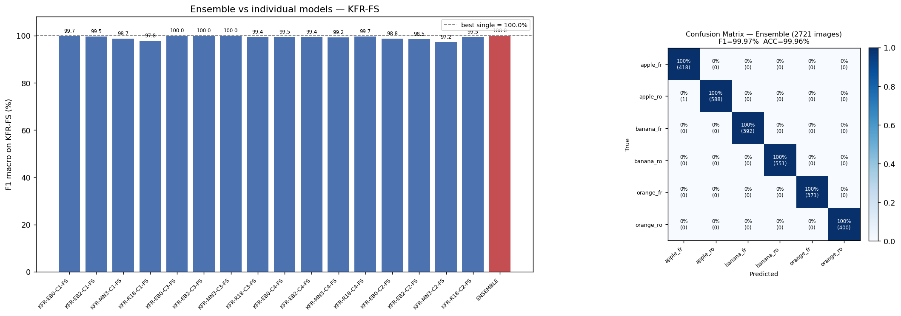
Published Papers
Reference | Venue | Model | Dataset size | Split | Accuracy | F1 macro | Notes
Palakodati et al., 2020 | Rev. d'Intell. Artif., Vol.34 No.5 | Proposed CNN | 5,989 (subset) | 60 / 10 / 30 | 97.82% | — | Partial KFR; test-set accuracy
Chakraborty et al., 2021 | IEEE ICOEI | MobileNetV2 | 13,599 (full) | 80 / 20 | 99.61% | — | Full KFR; validation accuracy

Our Ensemble Results (4 architectures × 4 conditions = 16 models)
Method | Members | Accuracy | F1 macro | MCC | Δ vs best single | Best single model | Δ vs best paper
adaptive | 16 | 99.96% | 99.97% | 0.9996 | -0.03 pts | KFR-EB0-C3-FS | +0.35 pts
mean | 16 | 99.96% | 99.97% | 0.9996 | -0.03 pts | KFR-EB0-C3-FS | +0.35 pts
weighted | 16 | 99.96% | 99.97% | 0.9996 | -0.03 pts | KFR-EB0-C3-FS | +0.35 pts

All Individual Models — ranked by Accuracy (16 models)
Rank | Model ID | Backbone | Condition | Accuracy | F1 macro | Precision | Recall
1 | KFR-EB0-C3-FS | EB0 | C3 | 100.00% | 100.00% | 100.00% | 100.00%
2 | KFR-MN3-C3-FS | MN3 | C3 | 100.00% | 100.00% | 100.00% | 100.00%
3 | KFR-EB2-C3-FS | EB2 | C3 | 99.96% | 99.97% | 99.96% | 99.97%
4 | KFR-EB0-C1-FS | EB0 | C1 | 99.71% | 99.70% | 99.73% | 99.67%
5 | KFR-R18-C4-FS | R18 | C4 | 99.63% | 99.65% | 99.62% | 99.68%
6 | KFR-EB2-C1-FS | EB2 | C1 | 99.52% | 99.53% | 99.52% | 99.54%
7 | KFR-EB0-C4-FS | EB0 | C4 | 99.45% | 99.46% | 99.42% | 99.51%
8 | KFR-R18-C2-FS | R18 | C2 | 99.45% | 99.46% | 99.44% | 99.48%
9 | KFR-R18-C3-FS | R18 | C3 | 99.41% | 99.40% | 99.36% | 99.45%
10 | KFR-EB2-C4-FS | EB2 | C4 | 99.38% | 99.36% | 99.33% | 99.39%
11 | KFR-MN3-C4-FS | MN3 | C4 | 99.23% | 99.20% | 99.25% | 99.16%
12 | KFR-MN3-C1-FS | MN3 | C1 | 98.79% | 98.71% | 98.81% | 98.66%
13 | KFR-EB0-C2-FS | EB0 | C2 | 98.75% | 98.75% | 98.66% | 98.85%
14 | KFR-EB2-C2-FS | EB2 | C2 | 98.53% | 98.46% | 98.54% | 98.43%
15 | KFR-R18-C1-FS | R18 | C1 | 97.83% | 97.78% | 97.83% | 97.78%
16 | KFR-MN3-C2-FS | MN3 | C2 | 97.32% | 97.25% | 97.35% | 97.20%

MFR vs Papers
MFR — peach / pomegranate / strawberry (6 classes) — Benchmark vs Papers

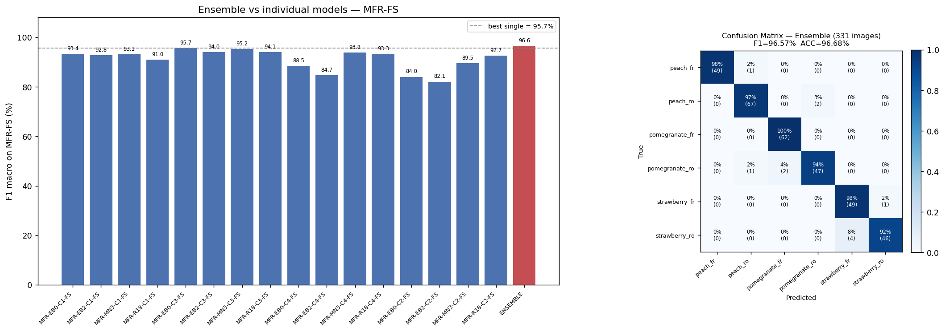
Published Papers
Reference | Venue | Model | Dataset size | Split | Accuracy | F1 macro | Notes
Sharma & Kumar, 2025 | IEEE ICPCT | ResNet50 (fine-tuned) | 1,655 (full) | 70 / 15 / 15 | 95.00% | 95.00% | MFR dataset; test-set accuracy

Our Ensemble Results (4 architectures × 4 conditions = 16 models)
Method | Members | Accuracy | F1 macro | MCC | Δ vs best single | Best single model | Δ vs best paper
adaptive | 16 | 96.68% | 96.57% | 0.9601 | +0.85 pts | MFR-EB0-C3-FS | +1.68 pts
mean | 16 | 96.68% | 96.56% | 0.9601 | +0.84 pts | MFR-EB0-C3-FS | +1.68 pts
weighted | 16 | 96.68% | 96.56% | 0.9601 | +0.84 pts | MFR-EB0-C3-FS | +1.68 pts

All Individual Models — ranked by Accuracy (16 models)
Rank | Model ID | Backbone | Condition | Accuracy | F1 macro | Precision | Recall
1 | MFR-EB0-C3-FS | EB0 | C3 | 95.77% | 95.72% | 95.96% | 95.61%
2 | MFR-MN3-C3-FS | MN3 | C3 | 95.47% | 95.25% | 95.42% | 95.18%
3 | MFR-R18-C3-FS | R18 | C3 | 94.26% | 94.09% | 94.08% | 94.23%
4 | MFR-EB2-C3-FS | EB2 | C3 | 93.96% | 93.98% | 94.50% | 93.70%
5 | MFR-MN3-C4-FS | MN3 | C4 | 93.96% | 93.84% | 94.07% | 93.70%
6 | MFR-EB0-C1-FS | EB0 | C1 | 93.35% | 93.36% | 93.61% | 93.47%
7 | MFR-MN3-C1-FS | MN3 | C1 | 93.35% | 93.13% | 93.45% | 93.01%
8 | MFR-R18-C4-FS | R18 | C4 | 93.35% | 93.35% | 93.41% | 93.47%
9 | MFR-EB2-C1-FS | EB2 | C1 | 92.75% | 92.82% | 93.02% | 92.77%
10 | MFR-R18-C2-FS | R18 | C2 | 92.75% | 92.67% | 92.76% | 92.89%
11 | MFR-R18-C1-FS | R18 | C1 | 90.94% | 90.98% | 91.11% | 91.35%
12 | MFR-MN3-C2-FS | MN3 | C2 | 89.73% | 89.48% | 90.20% | 89.56%
13 | MFR-EB0-C4-FS | EB0 | C4 | 88.52% | 88.49% | 89.60% | 88.71%
14 | MFR-EB2-C4-FS | EB2 | C4 | 85.20% | 84.71% | 85.31% | 84.74%
15 | MFR-EB0-C2-FS | EB0 | C2 | 83.99% | 84.05% | 86.04% | 84.63%
16 | MFR-EB2-C2-FS | EB2 | C2 | 82.18% | 82.08% | 84.05% | 82.14%

