Sheet1
3_ETL Date:16/07/23
S.NO | QWESTIONS | ANSWER
1 | What is a ETL ? | ETL is stands for Extract ,Transform & Load. EXTRACT - It is a process of getting data form the data lakehouse using SQL/NON-SQL. TRANSFORM - filtering,cleaning,imputation,compression,reliable process are done using SQL/PYTHON. LOAD - after that it is stored in the data wearhouse for analysis.
2 | What is a ELT? | As like the ETL process ,here the extracted data is first loaded and transformation process occurs at the end.
3 | List out the various tools used in ETL? | 1.Talend. 2.Apache NiFi. 3.Qlik. 4.SAS. 5.IBM.
4 | Draw the mechanism of ETL? | 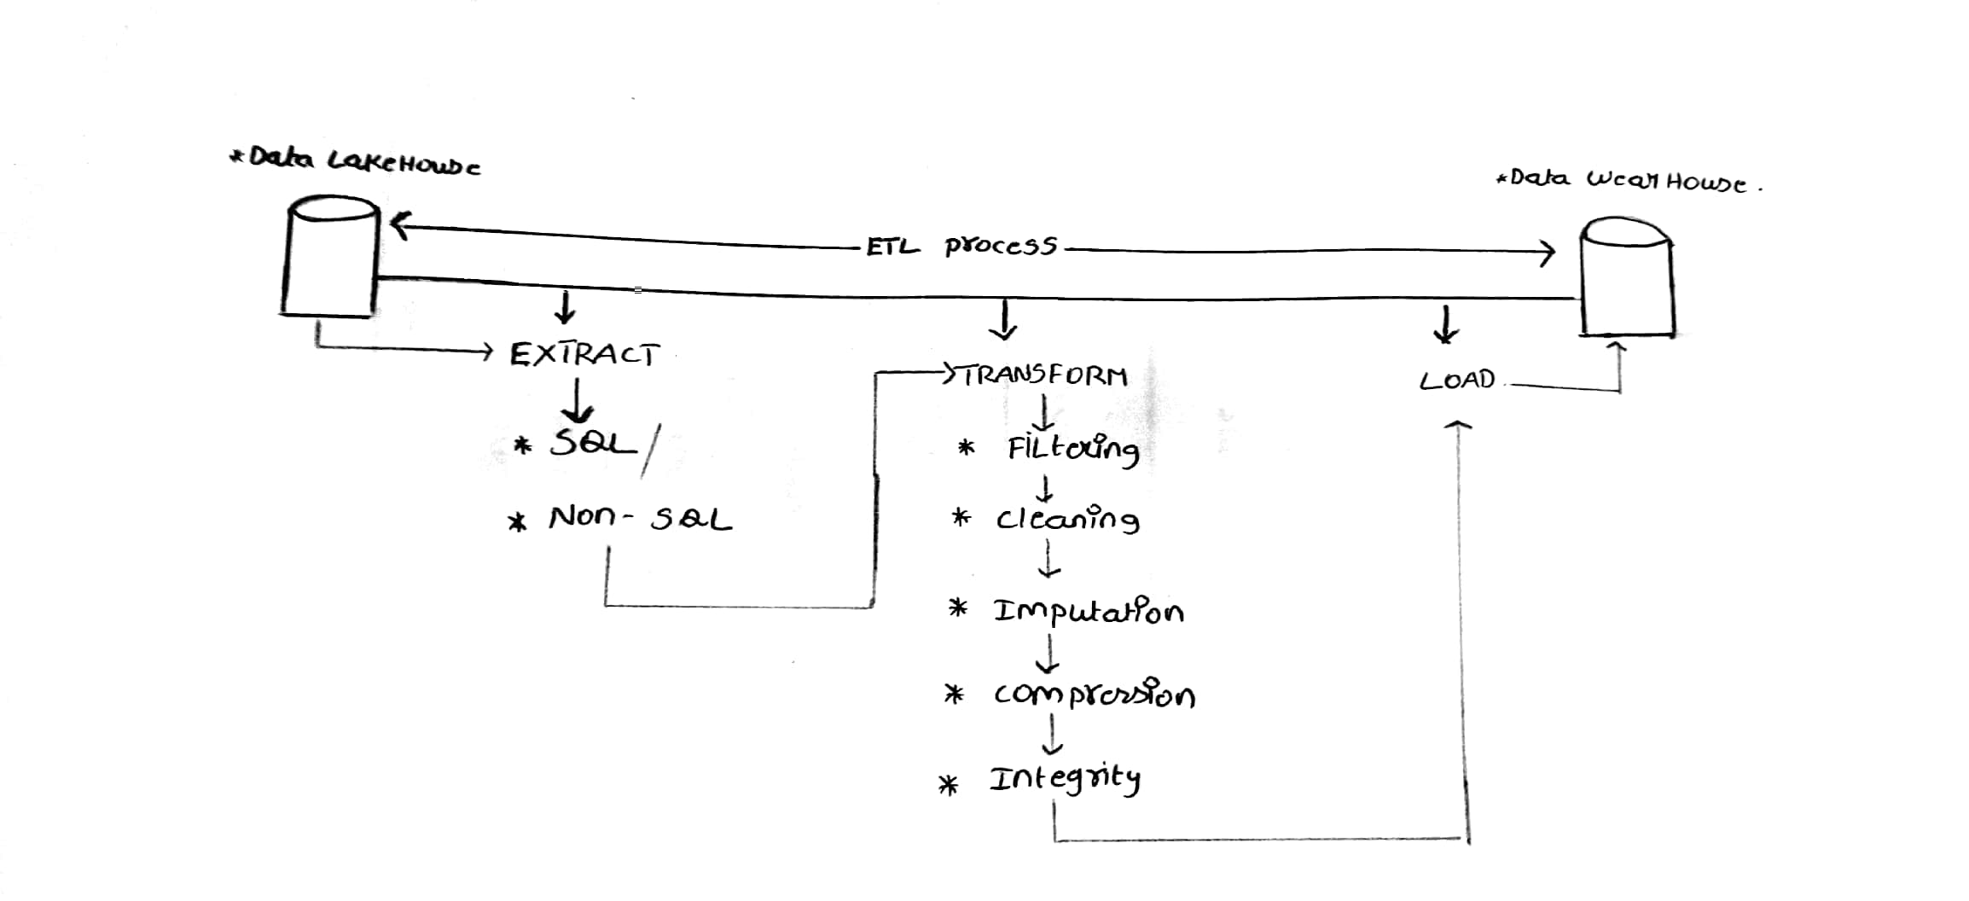
5 | What is a datalake? | Data lakehouse is de-centralized repositary design to store, process, and secure large amounr of structured, semistructered and unstructed data.
6 | What is a data warehouse? | Data lakehouse is a centralized storsge system that allows for storing , analyzing, and interpreting of data inorder to make better decision.
7 | OLTP VS OLAP? | 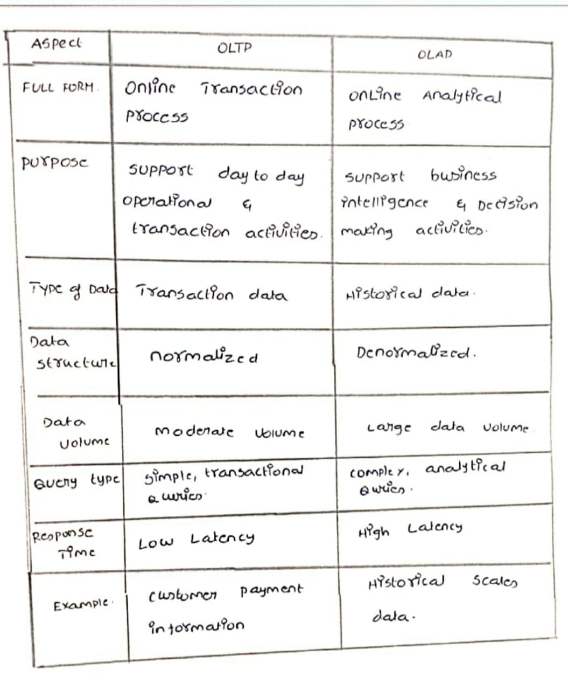
8 | What are all the various analytical tools that can be connected with Datawarehouse? | 1.Amazon Redsheet. 2.Google Bigquery. 3.Snowflake. 4.Teradata. 5.PostgesSQL.
9 | Eplain the different stages used in ETL? | 1.Extract 2.Clean 3.Transform 4.Load 5.Analyze
10 | Explain 3 use cases for NOSQL? | 1.Fraud detection and identity authentication. 2.Inventory and catalog management. 3.Financial service and payments.
11 | what are all the characteristics of NOSQL? | 1.Complex-fee working. 2.Independent of schema. 3.Better scalability. 4.Flexible to accommodate. 5.Durable.
12 | What are all the tools used to analyse nosql? | 1.Mongo DB. 2.Panoply. 3.Knowi. 4.Izenda.

