Financial Statements
Income Statement
Yearly Statement |  |  |  | Quaterly Statement
(In Lakhs) |  |  |  | FY 2024-25
I. Income | 2024-25 | 2023-24 | 2022-23 | Q1 | Q2 | Q3 | Q4
- Revenue From Operations | 145,382.54 | 129,330.16 | 112,392.60 | 46,351.06 | 36,361.52 | 32,327.72 | 30,342.24
- Other Income | 2,065.24 | 1,301.28 | 1,246.46 | 707.38 | 566.36 | 495.33 | 296.17
Total Income | 147,447.78 | 130,631.44 | 113,639.06 | 47,058.44 | 36,927.88 | 32,823.05 | 30,638.41

II. Expenses
Cost of Raw Material and Component consumed | 90,237.58 | 82,903.83 | 74,273.53 | 26,278.09 | 23,576.89 | 21,661.19 | 18,721.41
Changes in inventories of finished goods and work in progress | (1,331.58) | (527.73) | (1,025.19) | 2,227.65 | (1,325.72) | (2,616.11) | 382.60
Employee benefits expenses | 14,700.30 | 11,896.82 | 9,336.30 | 3,981.97 | 3,849.82 | 3,701.30 | 3,167.21
Finance costs | 242.39 | 216.24 | 259.62 | 66.93 | 79.73 | 43.17 | 52.56
Depreciation and amortisation expenses | 1,177.06 | 797.65 | 729.62 | 485.77 | 246.12 | 231.75 | 213.42
Other Expenses | 28,152.12 | 23,755.75 | 19,169.91 | 8,979.15 | 6,749.90 | 7,057.97 | 5,365.10
Total Expenses | 133,177.87 | 119,042.56 | 102,743.79 | 42,019.56 | 33,176.74 | 30,079.27 | 27,902.30

Profit Before Tax | 14,269.91 | 11,588.88 | 10,895.27 | 5,038.88 | 3,751.14 | 2,743.78 | 2,736.11
Current Tax | 3,298.70 | 2,989.22 | 2,376.33 | 903.84 | 756.92 | 933.02 | 704.92
Deffered Tax | 188.30 | (26.54) | 372.70 | 266.80 | 174.56 | (256.30) | 3.24
Proft for the period/year | 10,782.91 | 8,626.20 | 8,146.24 | 3,868.24 | 2,819.66 | 2,067.06 | 2,027.95

EPS | 67.28 | 56.68 | 54.31 | 23.01 | 16.79 | 13.41 | 14.07
No. of Outstanding shares | 160.27 | 152.19 | 150.00 | 168.11 | 167.94 | 154.14 | 144.13

Gross Profit | 56,476.54 | 46,954.06 | 39,144.26 | 17,845.32 | 14,110.35 | 13,282.64 | 11,238.23
Gross Margin on Sales | 38.85% | 36.31% | 34.83% | 38.50% | 38.81% | 41.09% | 37.04%
Net Profit Margin | 7.42% | 6.67% | 7.25% | 8.35% | 7.75% | 6.39% | 6.68%
Growth in terms of Earning | 23.13% | 6.37% | -

Balance Sheet
Assets |  |  |  | Equity and Liabilities
Non Current assets |  |  |  | Equity
Property, Plant and Equipment (PPE) | 14,937.82 | 10,636.72 | 10,391.94 | Equity Share Capital | 1,664.04 | 1,441.59 | 1,500.06
Capital Work in Progress | 1,346.41 | 1,268.16 | - | Other Equity | 73,477.89 | 43,020.87 | 38,427.84
Investment Properties | 269.82 | 276.64 | 283.46 | Total Equity | 75,141.93 | 44,462.46 | 39,927.90
Intangible assets | 43.20 | 18.42 | 3.70
Right to use assets | 6,532.86 | 5,653.61 | 5,357.58 | Liabilities
Financial assets |  |  |  | Non-current liabilities
- Investments | 3,588.02 | 536.42 | 501.02 | Financial Liabilities
- Trade receivables | 6,663.40 | 4,813.26 | 3,837.04 | - Borrowings | 27.94 | 64.37 | 110.56
- Loans | 55.71 | 45.15 | - | - Lease Liabilities | 231.79 | 267.76 | 577.74
- Other Financial assets | 220.82 | 279.20 | 159.84 | Government grants | 2.93 | 4.39 | 5.86
Non Current tax assets | 196.83 | 239.52 | 187.85 | Employee defined benefit liabilities | - | 111.20 | 906.38
Other Non current assets | 1,625.88 | 270.73 | 408.32 | Deferred tax liabilites (net) | 770.96 | 571.80 | 588.47
Total Non-current assets | 35,480.77 | 24,037.83 | 21,130.75 | Total Non-current liabilities | 1,033.62 | 1,019.52 | 2,189.01

Current assets
Inventories | 16,573.01 | 14,684.34 | 13,697.58 | Current Liabilities
Contract assets | 4,894.42 | 3,525.20 | 2,792.94 | Contract Liabilities | 16,413.84 | 11,638.64 | 10,602.61
Financial assets |  |  |  | Financial Liabilities
- Investments | 502.10 | - | - | - Borrowing | 1,692.25 | 956.45 | 1,027.81
- Trade receivables | 21,095.98 | 17,075.19 | 15,870.75 | - Lease Liabilities | 35.97 | 50.51 | 56.70
- Cash and Cash Equivalents | 8,472.26 | 6,214.11 | 5,866.32 | - Trade Payables | 12,065.22 | 13,356.43 | 10,366.01
- Bank Balances | 11,405.44 | 7,654.28 | 6,054.44 | - Other Financial liabilities | 2,559.38 | 1,714.72 | 1,186.44
- Loans | 50.57 | 62.31 | 27.63 | Provisions | 386.62 | 167.75 | 137.48
- Other Financial assets | 9,467.39 | 43.94 | 101.83 | Government Grants | 1.47 | 1.47 | 1.47
Current tax assets | 52.50 | - | - | Employee defined benefit liabilies | 315.17 | 1,194.98 | 800.00
Other current assets | 3,407.18 | 2,203.61 | 1,960.33 | Other current liabilites | 1,756.15 | 937.88 | 1,207.14
Total Current assets | 75,920.85 | 51,462.98 | 46,371.82 | Total Current Liabilities | 35,226.07 | 30,018.83 | 25,385.66
Total assets | 111,401.62 | 75,500.81 | 67,502.57 | Total Equity and Liabilities | 111,401.62 | 75,500.81 | 67,502.57
 | - | - | -
Ratio Analysis
ROCE
ROE
Return on Capital Employed
EBIT | 14,512.30 | 11,805.12 | 11,154.89
Capital Employed | 77,129.88 | 45,801.55 | 41,700.71
ROCE | 18.82% | 25.77% | 26.75%

Return on Equity
PAT | 10,782.91 | 8,626.20 | 8,146.24
Average Total Equity | 75,141.93 | 44,462.46 | 39,927.90
ROE | 14.35% | 19.40% | 20.40%

Return on Assets
PAT | 10,782.91 | 8,626.20 | 8,146.24
Average Total Assets | 111,401.62 | 75,500.81 | 67,502.57
ROA | 9.68% | 11.43% | 12.07%
ROA
ROIC
Return on Invested Capital
NOPAT | 10,966.07 | 8,787.16 | 8,340.35
Invested Capital | 69,317.40 | 45,289.59 | 40,145.96
ROIC | 15.82% | 19.40% | 20.78%
Tax Rate | 24.44% | 25.56% | 25.23%

Relative valuation
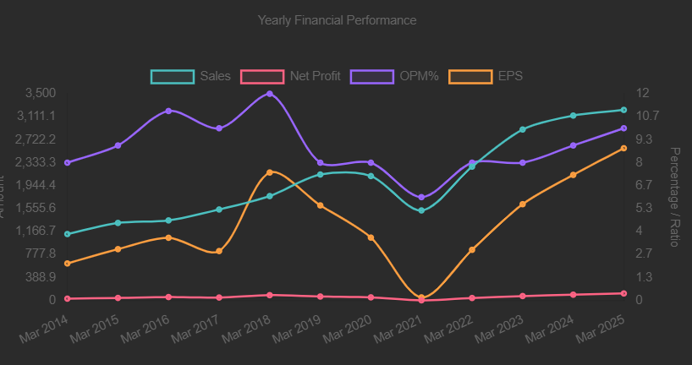
In Crores
Interarch Building Solutions Ltd and Pennar Industries Analysis based on financials and Ratios with valuation

Particulars | Interarch building Solutions | Pennar Industries Ltd | Pennar Industries | 2024-25 | 2023-24 | 2022-23
Sales (FY 2024-25) | 1,454.00 | 3,227.00 | Cash from operating activities | 256.00 | 225.00 | 244.00
Profit after Tax | 108.00 | 119.00
Net proft Margin | 7.43% | 3.69% | Capex | 126.00 | 247.00 | 26.00
ROCE | 18.82% | 16.00% | FCF | 130.00 | (22.00) | 218.00
Cash Conversion Cycle(In Days) | 71 Days | 77 Days | Average | 87.11
Free Cashflow (Average) | 28.30 | 87.11
DCF Intrinsic Value | 441.71 | 183.65 | Cashflow | 87.11 | Terminal Year Cash Flow |  | 251.94
MOS | -81.01% | -18.38% | Discount Rate | 10.00%
PEG Ratio | 1.61 | 1.45 | Earning Growth Rate | 11.00% | Present Value |  | 915.00
Capacity in PEB industry | 141000 TPA | 90000 TPA | Terminal Growth Rate | 2.00% | Terminal Value |  | 1,564.34 | 2,519.38
PE Ratio (Industry PE - 25.2) | 35.90 | 25.50 |  |  | Total Value |  | 2,479.34
Book Value | 452.00 | 74.00 |  |  | Intrinsic Value |  | 183.65
P/B ratio | 5.15 | 3.04 |  |  | Current Value |  | 225.00
 |  |  |  |  | MOS |  | -18.38%
Interarch Building Solutions
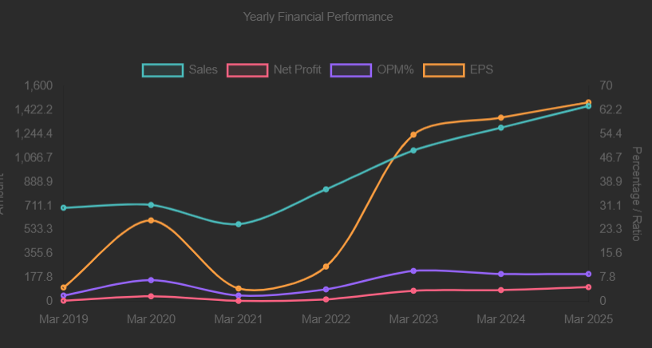
 |  |  | Years | Earning | G | PV
 |  |  | 1.00 | 97.00 | 11.00% | 88.00
 |  |  | 2.00 | 107.00 | 11.00% | 89.00
 |  |  | 3.00 | 119.00 | 11.00% | 89.00
 |  |  | 4.00 | 132.00 | 11.00% | 90.00
 |  |  | 5.00 | 147.00 | 11.00% | 91.00
 |  |  | 6.00 | 163.00 | 11.00% | 92.00
 |  |  | 7.00 | 181.00 | 11.00% | 93.00
 |  |  | 8.00 | 201.00 | 11.00% | 94.00
 |  |  | 9.00 | 223.00 | 11.00% | 94.00
 |  |  | 10.00 | 247.00 | 11.00% | 95.00

Pennar Industries

