Upstream cost calc.
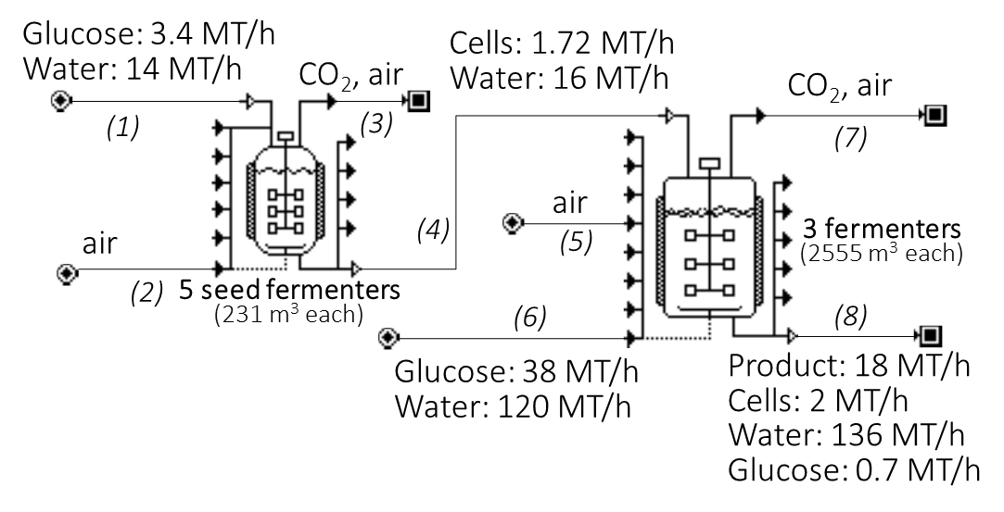
Base case assumptions |  |  | Base Case
Yield (g prod/g glucose) | 0.435 | Base case values | Upstream cost ($/yr) | 176046000
Residence time (hour) | 48 |  | Feedstock cost ($/yr) | 94.52%
 |  |  | Capital cost ($/yr) | 2.11%
Feedstock costs assumed |  |  | Utility cost ($/yr) | 2.35%
Pure sugar cost ($/kg pure) | 0.5 |  | Other costs ($/yr) | 1.02%
cellulosic sugar cost ($/kg pure) | 0.28 |  | Product -pure basis (kg/yr) | 141904138
 |  |  | Final product (assuming 10% separation loss) (kg/yr) | 127713724
The user should change the values in yellow (e.g., according to "E.coli" and "yeast" sheets) |  |  | Unit upstream cost ($/kg) | 1.38

 |  |  | Current case
The calculated upstream costs are in blue |  | Key parameters | New yield (g prod/g glucose) | 0.435
 |  |  | New residence time (hour) | 48
 |  | Assuming linear equipment cost when residence time >=17 h; otherwise follow the power rule below | New capital cost ($/yr) | 3714571
 |  |  | New utility cost ($/yr) | 4137081
 |  |  | New total cost ($/yr) | 176046000
 |  |  | New pure product (kg/yr) | 127713724
 |  |  | New unit cost ($/kg) | 1.38
 |  |  | * New unit cost assuming cellolosic biomass ($/kg) | 0.82
 |  |  | * Product titer (g/L) (can be used to calculate separation cost based on the curves in Fig. 3, and thus calculate total cost by adding it to the upstream cost) | 104

NSL LT
At maximum productivity
Blue is Ecoli; red is Yeast; optimal EX/IN is chosen | CAS | Name | Volume (MM MT/yr) | IN/EX | Microbe | Prof marg @ max yield | Prof marg @ max prod.
 | 36653-82-4 | 1-Hexadecanol | 0.03 | EX | Yeast | -0.30 | -1.59
 | 78-79-5 | Isoprene | 0.17 | EX | Yeast | 0.44 | -0.60
 | 80-62-6 | methyl methacrylate | 0.44 | EX | Yeast | 1.23 | -0.54
 | 108-93-0 | Cyclohexanol | 0.45 | EX | Yeast | 0.15 | -0.61
 | 110-82-7 | Cyclohexane | 1.57 | EX | Yeast | 0.19 | -0.64
 | 36653-82-4 | 1-Hexadecanol | 0.03 | EX | E.coli | 0.26 | -0.71
At maximum yield
 | 78-79-5 | Isoprene | 0.17 | EX | E.coli | 0.48 | -0.53
 | 80-62-6 | Methyl methacrylate | 0.44 | EX | E.coli | 1.81 | 1.62
 | 108-93-0 | Cyclohexanol | 0.45 | EX | E.coli | 0.18 | 0.18
 | 110-82-7 | Cyclohexane | 1.57 | EX | E.coli | 0.23 | -0.59

NSL HV
At maximum productivity
Blue is Ecoli; red is Yeast; optimal EX/IN is chosen | CAS | Name | Volume (MM MT/yr) | IN/EX | Microbe | Prof marg @ max yield | Prof marg @ max prod.
 | 108-39-4 | Phenol, 3-methyl- | 0.0340 | EX | Yeast | 4.22 | 3.28
 | 108-78-1 | 1,3,5-Triazine-2,4,6-triamine | 0.0798 | EX | Yeast | 1.47 | 1.18
 | 79-01-6 | E thene, trichloro- | 0.1021 | EX | Yeast | #N/A | #N/A
 | 75-09-2 | Methane, dichloro- | 0.1184 | EX | Yeast | #N/A | #N/A
 | 108-80-5 | 1,3,5-Triazine-2,4,6(1H,3H,5H)-trione | 0.1361 | EX | Yeast | 0.29 | 0.01
 | 127-18-4 | E thene, tetrachloro- | 0.1910 | EX | Yeast | #N/A | #N/A
At maximum yield
 | 100-21-0 | 1,4-B enzenedicarboxylic acid | 0.4536 | EX | Yeast | -0.04 | -0.63
 | 124-04-9 | Hexanedioic acid | 0.4536 | EX | Yeast | 0.84 | 0.29
 | 62-53-3 | B enzenamine | 0.4536 | EX | Yeast | 0.08 | -0.82
 | 98-95-3 | B enzene, nitro- | 0.4536 | EX | Yeast | 0.67 | -0.02
 | 80-05-7 | P henol, 4,4'-(1-m ethylethylidene)bis- | 0.9693 | EX | Yeast | 0.43 | -0.41
 | 107-06-2 | Ethane, 1,2-dichloro- | 12.7505 | EX | Yeast | #N/A | #N/A
 | 108-39-4 | m-Cresol | 0.03 | EX | E.coli | 4.26 | 3.33
 | 108-78-1 | Melamine | 0.08 | EX | E.coli | 1.49 | 1.49
 | 79-01-6 | Trichloroethylene | 0.10 | EX | E.coli | 0.58 | 0.58
 | 75-09-2 | Dichloromethane | 0.12 | EX | E.coli | 0.20 | 0.06
 | 108-80-5 | Cyanuric acid | 0.14 | EX | E.coli | 0.31 | 0.31
 | 127-18-4 | Tetrachloroethylene | 0.19 | EX | E.coli | 0.65 | 0.65
 | 100-21-0 | Terephthalic acid | 0.45 | EX | E.coli | -0.02 | -0.02
 | 124-04-9 | Adipic acid | 0.45 | EX | E.coli | 0.86 | 0.86
 | 62-53-3 | Aniline | 0.45 | EX | E.coli | 0.12 | -0.77
 | 98-95-3 | Nitrobenzene | 0.45 | EX | E.coli | 0.87 | 0.43
 | 80-05-7 | Bisphenol A | 0.97 | EX | E.coli | 0.47 | -0.36
 | 107-06-2 | 1,2-Dichloroethane | 12.75 | EX | E.coli | -0.03 | -0.33

SOL
At maximum productivity
Blue is Ecoli; red is Yeast; optimal EX/IN is chosen | CAS | Name | Volume (MM MT/yr) | Microbe | Max. yield |  | Max. prod.
 |  |  |  |  | IN/EX | Prof. margin | IN/EX | Prof. margin
 | 108-46-3 | Resorcinol | 0.03 | E.coli | EX | 4.10 | EX | 4.10
 | 110-94-1 | Pentanedioic acid | 0.03 | E.coli | EX | 9.84 | EX | 9.34
 | 141-78-6 | Ethyl acetate | 0.10 | E.coli | EX | -0.36 | EX | -1.11
 | 79-09-4 | Propanoic acid | 0.11 | E.coli | EX | 0.95 | EX | 0.95
 | 79-06-1 | 2-Propenamide | 0.13 | E.coli | EX | 2.51 | EX | 1.95
At maximum yield
 | 102-71-6 | Triethanolamine | 0.14 | E.coli | EX | -0.02 | EX | -0.02
 | 107-92-6 | Butanoic acid | 0.14 | E.coli | EX | 0.12 | EX | -0.63
 | 111-42-2 | Diethanolamine | 0.14 | E.coli | EX | 1.26 | EX | 0.63
 | 123-38-6 | Propanal | 0.14 | E.coli | EX | 3.49 | IN | 2.61
 | 71-23-8 | 1-Propanol | 0.14 | E.coli | EX | 0.31 | IN | -0.63
 | 75-07-0 | Acetaldehyde | 0.14 | E.coli | EX | 0.84 | EX | 0.10
 | 56-81-5 | Glycerol | 0.23 | E.coli | EX | 0.44 | EX | 0.44
 | 77-92-9 | Citric acid | 0.25 | E.coli | EX | 0.44 | EX | 0.31
 | 106-89-8 | epichlorohydrin | 0.34 | E.coli | EX | #N/A | EX | #N/A
 | 141-43-5 | Ethanolamine | 0.43 | E.coli | EX | 0.57 | EX | 0.04
 | 79-10-7 | 2-Propenoic acid | 0.45 | E.coli | EX | 0.69 | EX | 0.14
 | 105-60-2 | ε-Caprolactam | 0.45 | E.coli | EX | 0.31 | EX | 0.31
 | 123-72-8 | Butanal | 0.45 | E.coli | EX | 0.19 | EX | -0.80
 | 57-55-6 | Propylene Glycol | 0.45 | E.coli | EX | -0.06 | EX | -0.74
 | 75-56-9 | Propylene oxide | 0.45 | E.coli | EX | 0.36 | IN | -0.52
 | 75-86-5 | Acetone cyanohydrin | 0.45 | E.coli | EX | -0.28 | EX | -0.29
 | 71-36-3 | 1-Butanol | 0.91 | E.coli | EX | -0.73 | IN | -1.72
 | 67-63-0 | 2-Propanol | 0.95 | E.coli | EX | -0.46 | IN | -1.40
 | 108-94-1 | Cyclohexanone | 0.99 | E.coli | EX | -0.20 | IN | -1.11
 | 107-13-1 | Acrylonitrile | 1.46 | E.coli | EX | 0.63 | EX | -0.12
 | 108-95-2 | Phenol | 2.13 | E.coli | EX | -0.41 | IN | -1.34
 | 64-19-7 | Acetic acid | 2.63 | E.coli | EX | -0.22 | EX | -0.66
 | 57-13-6 | Urea | 12.00 | E.coli | EX | -0.10 | EX | -0.10
 | 108-46-3 | 1,3-Benzenediol | 0.03 | Yeast | EX | 3.96 | IN | 3.11
 | 110-94-1 | Pentanedioic acid | 0.03 | Yeast | EX | 9.64 | EX | 9.02
 | 141-78-6 | Acetic acid ethyl ester | 0.10 | Yeast | EX | -0.39 | EX | -1.15
 | 79-09-4 | Propanoic acid | 0.11 | Yeast | EX | 0.93 | EX | 0.30
 | 79-06-1 | 2-P ropenamide | 0.13 | Yeast | EX | 2.49 | EX | 1.92
 | 102-71-6 | E thanol, 2,2',2''-nitrilotris- | 0.14 | Yeast | EX | -0.04 | EX | -0.72
 | 107-92-6 | Butanoic acid | 0.14 | Yeast | EX | -0.18 | IN | -1.08
 | 111-42-2 | E thanol, 2,2'-im inobis- | 0.14 | Yeast | EX | 1.23 | EX | 0.59
 | 123-38-6 | P ropanal | 0.14 | Yeast | EX | 3.46 | IN | 2.56
 | 71-23-8 | 1-P ropanol | 0.14 | Yeast | EX | 0.27 | IN | -0.68
 | 75-07-0 | Acetaldehyde | 0.14 | Yeast | EX | 0.82 | EX | 0.05
 | 56-81-5 | 1,2,3-Propanetriol | 0.23 | Yeast | EX | 0.43 | EX | -0.09
 | 77-92-9 | 1,2,3-Propanetricarboxylic acid, 2-hydroxy- | 0.25 | Yeast | EX | 0.42 | EX | -0.01
 | 106-89-8 | epichlorohydrin | 0.34 | Yeast | EX | -0.09 | IN | -2.27
 | 141-43-5 | Ethanol, 2-amino- | 0.43 | Yeast | EX | 0.55 | EX | 0.00
 | 79-10-7 | 2-P ropenoic acid | 0.45 | Yeast | EX | 0.67 | EX | 0.11
 | 105-60-2 | 2H-Azepin-2-one, hexahydro- | 0.45 | Yeast | EX | 0.28 | IN | -0.59
 | 123-72-8 | B utanal | 0.45 | Yeast | EX | -0.01 | IN | -1.06
 | 57-55-6 | 1,2-Propanediol | 0.45 | Yeast | EX | -0.08 | EX | -0.78
 | 75-56-9 | Oxirane, m ethyl- | 0.45 | Yeast | IN | -0.85 | IN | -2.29
 | 75-86-5 | P ropanenitrile, 2-hydroxy-2-m ethyl- | 0.45 | Yeast | EX | -0.33 | IN | -1.41
 | 71-36-3 | 1-Butanol | 0.91 | Yeast | EX | -0.08 | EX | -0.08
 | 67-63-0 | 2-P ropanol | 0.95 | Yeast | IN | -1.44 | IN | -2.84
 | 108-94-1 | Cyclohexanone | 0.99 | Yeast | EX | -0.24 | IN | -1.16
 | 107-13-1 | 2-P ropenenitrile | 1.46 | Yeast | EX | 0.60 | EX | -0.16
 | 108-95-2 | P henol | 2.13 | Yeast | EX | -0.95 | IN | -1.90
 | 64-19-7 | Acetic acid | 2.63 | Yeast | EX | -0.23 | EX | -0.68
 | 57-13-6 | Urea | 12.00 | Yeast | EX | -0.11 | EX | -0.34

