Sensor
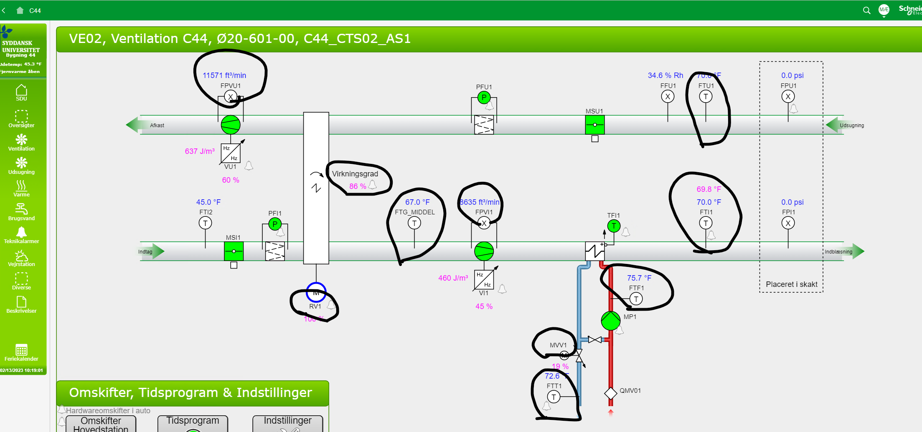
id | observes | isContainedIn | subSystemOf | connectedAfter
OE20-601b-2 temperature sensor | Ø20-601b-2 temperature property | OE20-601b-2
OE20-601b-2 Valve position sensor | Ø20-601b-2 radiator valve position property | OE20-601b-2
OE20-601b-2 Damper position sensor | Ø20-601b-2 damper position property | OE20-601b-2
OE20-601b-2 CO2 sensor | Ø20-601b-2 CO2 property | OE20-601b-2

