Anomaly Report
AR-Controls- |  |  | 0142 |  |  |  |  |  |  |  |  |  |  | Form #6803
 | Test Tech (At Test START): |  |  |  | K. St. Clair |  |  |  |  |  |  | Date (Failure): |  | 2016-10-15 |  | Drop Down Selections
 |  |  |  |  |  |  |  |  |  |  |  | Time (Failure): |  | 9:00:00 |  | Req'd Fill in the Blank
 |  | Program Name: |  |  | Controls |  | 1
 |  | Product Name: |  |  | OCU |  | 2 | Test Rack: |  |  |  |  | Controls #2
RESET ANOMALY SHEET
 |  | Assembly Name: |  |  | Top_Level |  | 3 | Test Description: |  |  |  |  | Functional |  |  |  | "This will RESET the entire sheet"
 |  | Assembly Number: |  |  | 1F67700 |  | 4
Save and Log this Anomaly Report &
Send Email Notification
 |  | Serial Number: |  |  | 0034 |  |  | Paragraph/Step: |  |  |  |  | 3.2.3.4
 |  |  |  |  |  |  |  |  |  |  |  |  |  |  |  |  | STEP 1
 |  | Initial Failure Description (Error Message Displayed on Screen): |  |  |  |  |  |  |  |  |  |  |  |  |  | 10/15/16 | (Fill out all the cells prior to "Anomaly Owner" and then begin the data collection)
 |  | At the start of the test a prompt comes up saying "Test stand D-A failed to set Votage". |  |  |  |  |  |  |  |  |  |  |  |  |  |  | (Go to "Sub-Assy Data Collection" tab and begin the initial data collection steps)

Take Ownership of Anomaly and add to Database
 |  |  |  |  |  |  |  |  |  |  |  |  |  |  |  |  | STEP 2
 |  |  |  |  |  |  |  |  |  |  |  |  |  |  |  | Please_Select | (Support Engineer takes ownership of Anomaly)
 |  |  | Anomaly Owner: |  | Thacker, Jim |  |  |  |  |  |  |  |  |  |  | 1F67700 | (Go to "Anomaly Owner" tab and Review)

Identify Issue and add to Database
 |  |  |  | Type of Issue: | Test Set |  |  |  |  | TDR # |  |  |  | N/A |  |  | STEP 3
 |  |  |  |  |  |  |  |  |  |  |  |  |  |  |  |  | (Identify what type of Issue this Anomaly can be attributed to)
 |  | Corrective Action:
 |  | Reworked J4 test cable Hypertronics end, reseating the F4 and F5 connector pins into the housing.
Log Entire AR to Database
 |  |  |  |  |  |  |  |  |  |  |  |  |  |  |  |  | STEP 4
 |  |  |  |  |  |  |  |  |  |  |  |  |  |  |  |  | (Provide the TDR number if this Anomaly becomes one, otherwise use "N/A")

Send out for
Peer Review
 |  | Stress Analysis Summary:
 |  | No stress was applied to the unit. There was no connection and no voltage applied at the pins that were recessed. |  |  |  |  |  |  |  |  |  |  |  |  |  |  | STEP 5
 |  |  |  |  |  |  |  |  |  |  |  |  |  |  |  |  | (Complete the rest of the Form and submit for "Peer Review")

Approve
Reject
 |  | Investigation Summary: |  |  |  |  |  |  |  |  |  |  |  |  |  |  | STEP 6
 |  | J4-F4 and J4-F5 cable pins were found to be recessed, severing Neg_Bit connection from the test set to the unit. |  |  |  |  |  |  |  |  |  |  |  |  |  |  | (Peer Review Approve or Reject)
 |  |  |  |  |  |  |  |  |  |  |  |  |  |  |  |  | (Go to "Anomaly Owner" tab and Review)

Approve
Reject
 |  |  |  |  |  |  |  |  |  |  |  |  |  |  |  |  | STEP 7
 |  |  |  |  |  |  |  |  |  |  |  |  |  |  |  |  | (Quality Engineering Approve or Reject)
 |  |  |  |  |  |  |  |  |  |  |  |  |  |  |  |  | (Go to "Anomaly Owner" tab and Review)

 |  | X |  | Wayne Foltz |  |  |  |  | X |  | Carlos Barrera

 |  | Peer Review |  |  |  | 2016-10-18 |  |  | QE Review |  |  |  |  |  | 2016-10-18

Anomaly Owner
 | Previous Number of Issues with this SN: |  |  |  | Previous Number of Issues with this Paragraph/Step: | Drop Down Selections | This Files Name: | AR-0142-OCU-Top_Level-SN0034.xlsm
 |  |  |  |  |  | Req'd Fill in the Blank
 |  |  |  |  |  | Auto Complete Options

 |  |  | Standard Troubleshooting Guide

Commit This information to the Database
 | Direct Cause | Please_Select |  | Date (Stand Cleared):
 |  |  |  | Time (Stand Cleared):
 | Suspect Part(s) Ref Des
 |  |  |  | Date/Time AR is Closed

 | Stress Analysis:

 | Add a Hyperlink to a new document if necessary:

 |  |  |  |  |  | ALL CONTROLS
 | Click Here |  |  |  |  | CHANGE TEST SET STATUS

 |  |  |  |  |  | CONTROLS SUB-ASSY
 |  |  |  |  |  | CHANGE TEST SET STATUS

 |  |  |  |  |  | Create Rework Traveler
 |  |  |  |  |  | Open Rework Template

 |  |  |  |  |  | FUTURE STATE GOALS
 |  |  |  |  |  | Failure Modes/Codes (TIPQA)
 |  |  |  |  |  | Link to TRD
 |  |  |  |  |  | Link to Schematics
 |  |  |  |  |  | Link to DWG's
 |  |  |  |  |  | Disposition for TDR diagnosis
 |  |  |  |  |  | Link to start Manufacturing Rework Traveler

 | Overstressed Part(s) Ref Des

Investigation

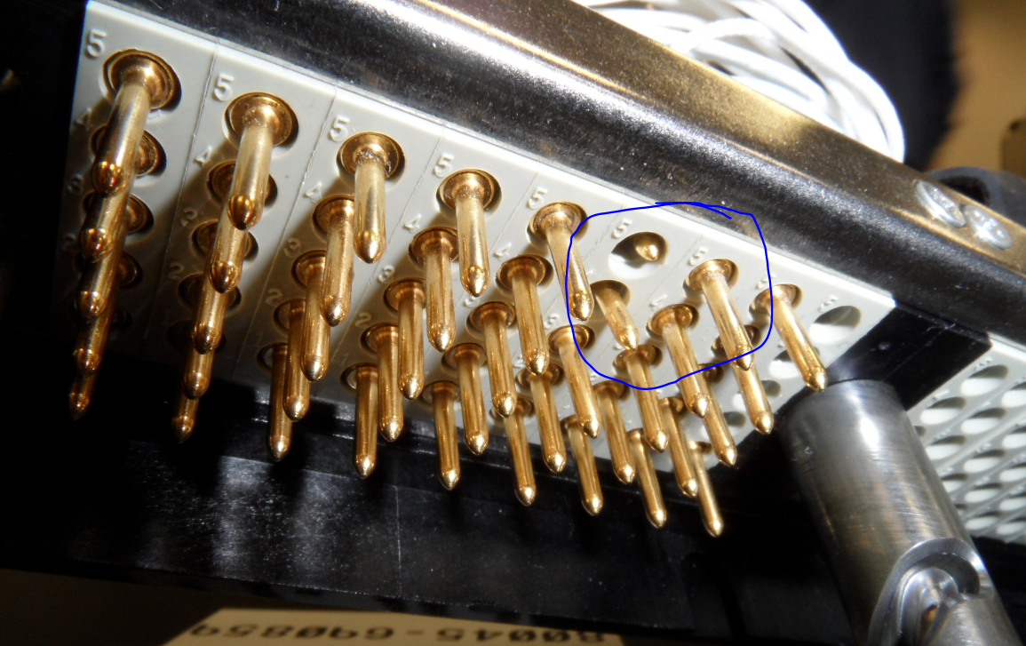 After review of log file and test results, it was determined that the failure was due to the DMM measuring 0.379V being applied to the Neg_Bit_Tp on the unit when 7V was expected. Verified the DMM read 0.379V. Measured Neg_Bit test point on test set and saw 7V (this means the D-A was producing the voltage, and the signal was good all the way to the test point, narrowing down the unverified connection to the P4 cable connection to the interface box, the P4 cable itself, the 1J28 connection to the multiplexer, or the 1J30 connection to the DMM. Opened the back door of the test set and checked for any missing cables. All connected. While a second person was monitoring the DMM front panel, pressed on the J34 cable (slightly flexing the interface box wall) near the J4 and 1J28 and 1J29 cable connection points. 7V appeared on the front panel. Stopped pressing, and the DMM reading returned to 0.379. This verified the issue was at the J4 connection to the interface box. Aborted the test and powered down the unit (with concurrence from ULA CRE who was in-plant at the time). Removed the J4 cable and inspected connectors. Socket side looked normal. The cable side (pins) showed that 2 pins had been recessed back into the connector housing (see photo). These pins were J4-F4 and J4-F5 (POS BIT and NEG BIT). This was consistent with the failure and deemed to be the cause. It could not be determined how the damage happened, but is suspected that it occurred when moving the cables for vibe or when adjusting cable location to accomodate other testing in the lab.

