Sprites
FileName | Name | Role | Size | ColorOptions | GenaralShape | Background | References
Sprites_MainCharactor | Bouncy | Main Character | 180*180 | yellow/orange/pink | Ballish | cute ball with alive
Sprites_Echinus | Echinus | Trap | 120*180 | black/gray | Pointed | can kill the player

Sprites_Finishpoint | Finishpoint | Evironment | 30*300 |  | Basketball hoop | the end of the level

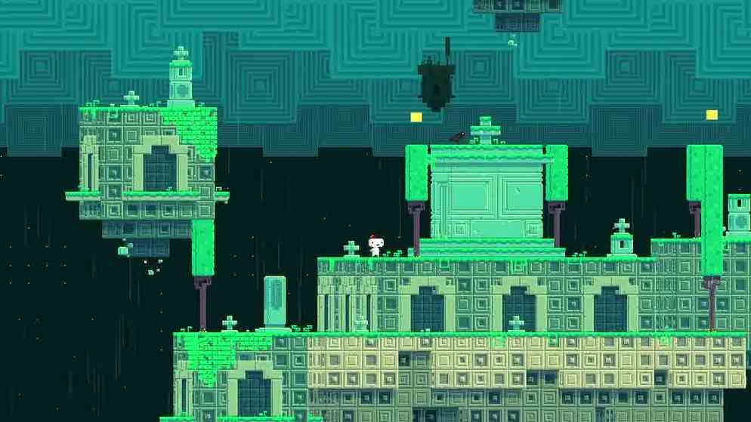
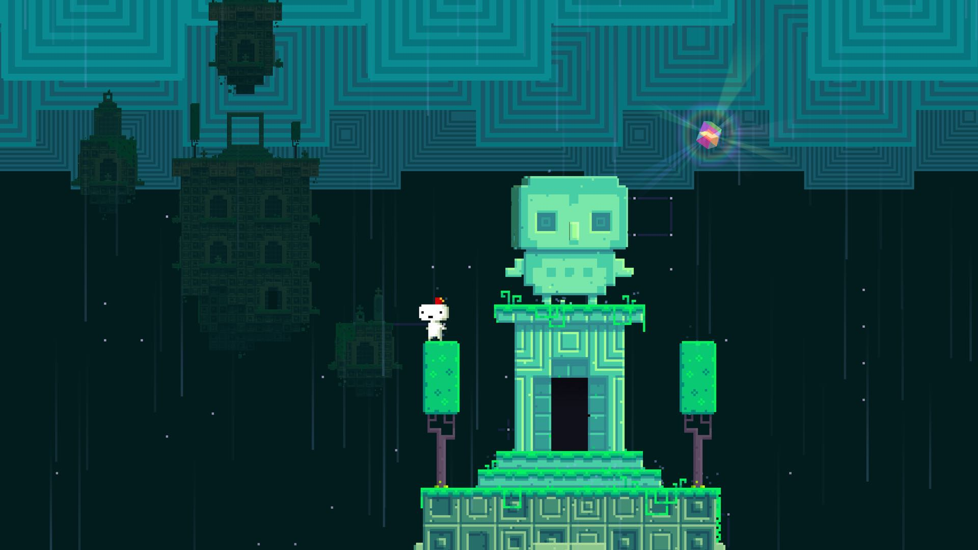
Sprites_Ground01 | Ground | Groundtiles | 180*180 |  | Square | Mysterious
Sprites_Ground02 | Ground | Groundtiles | 180*180 |  | Square | Mysterious
Sprites_Ground03 | Ground | Groundtiles | 180*180 |  | Square | Mysterious
Sprites_Ground04 | Ground | Groundtiles | 180*180 |  | Square | Mysterious

