IAE
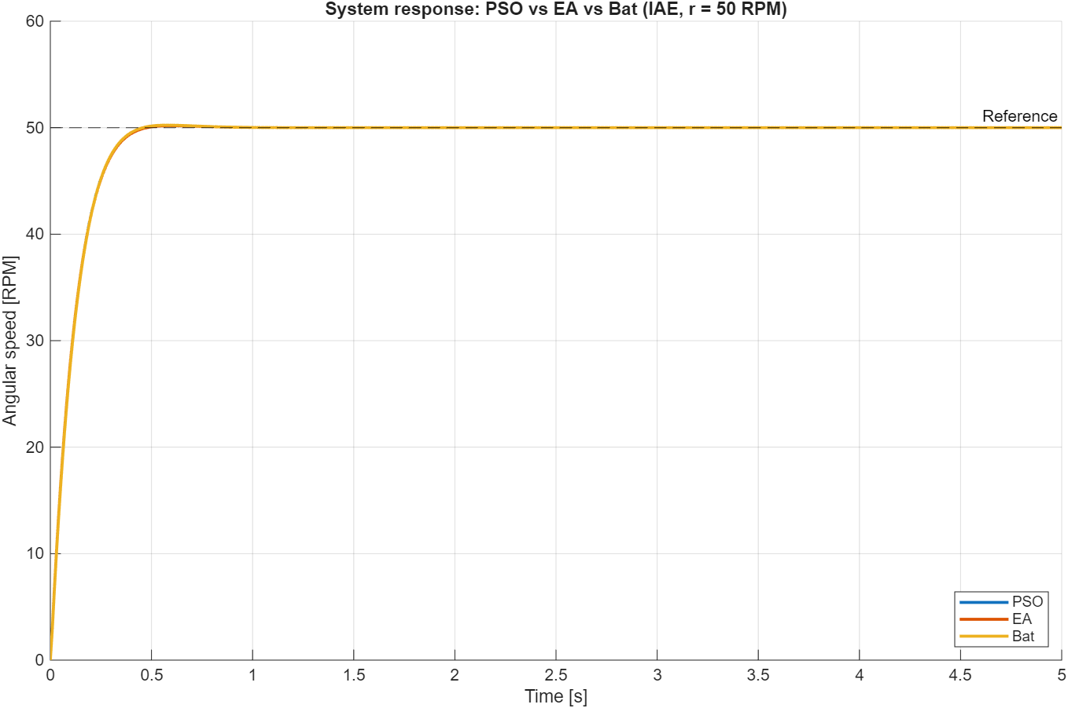
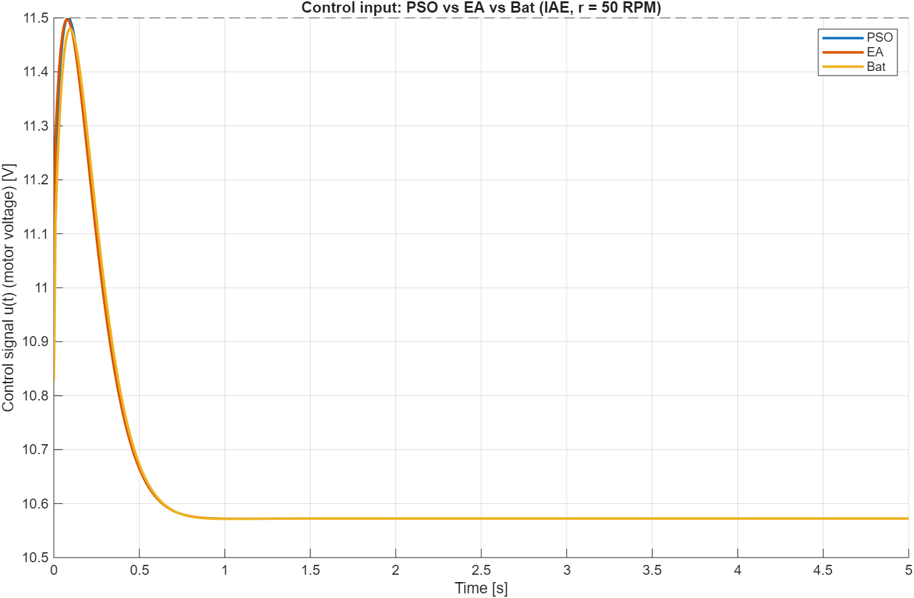
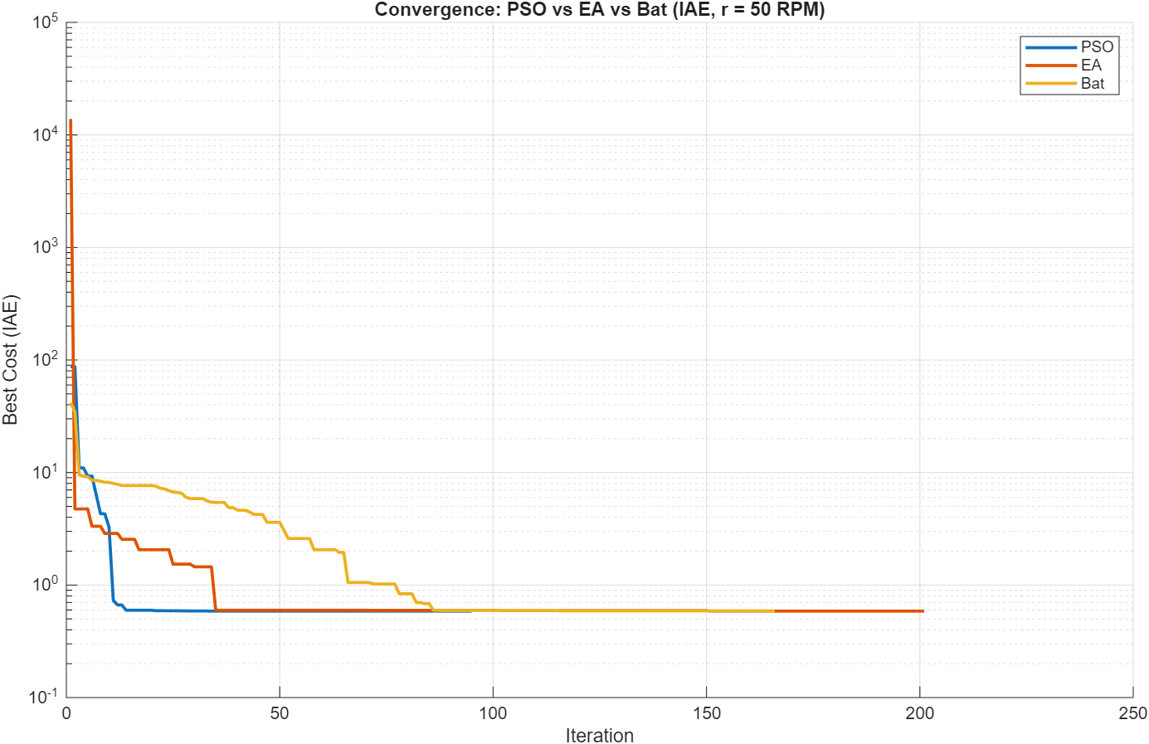
IAE | PSO | EA | Bat
Kp | 2.0935522226 | 2.103031599 | 2.0679588655
Ki | 18.462218745 | 18.414286955 | 18.44305737
Kd | 0 | 0 | 0
BestCost | 0.58620559557 | 0.58649058187 | 0.58863566481
Iterations | 95 | 201 | 166
Runtime [s] | 35.7351011 | 76.641225 | 65.9388376

ITAE
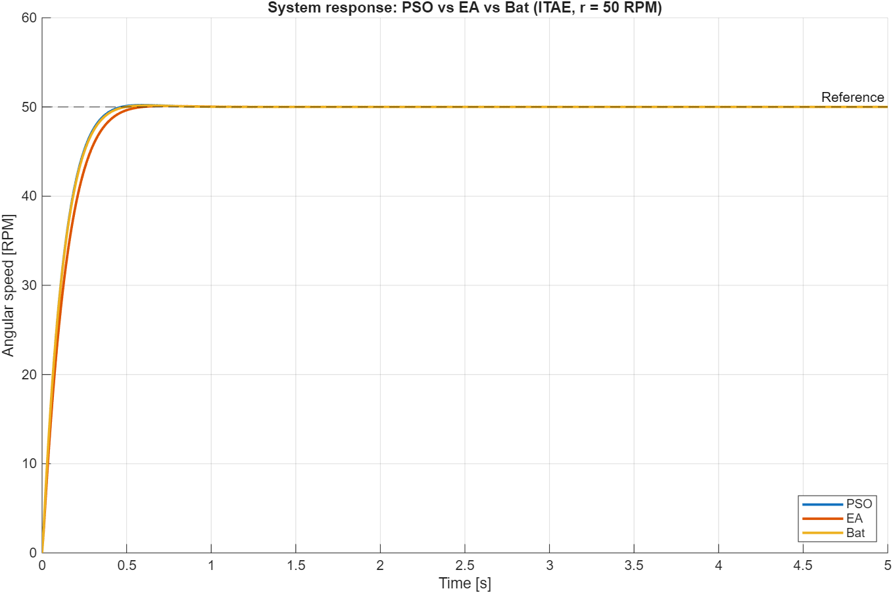
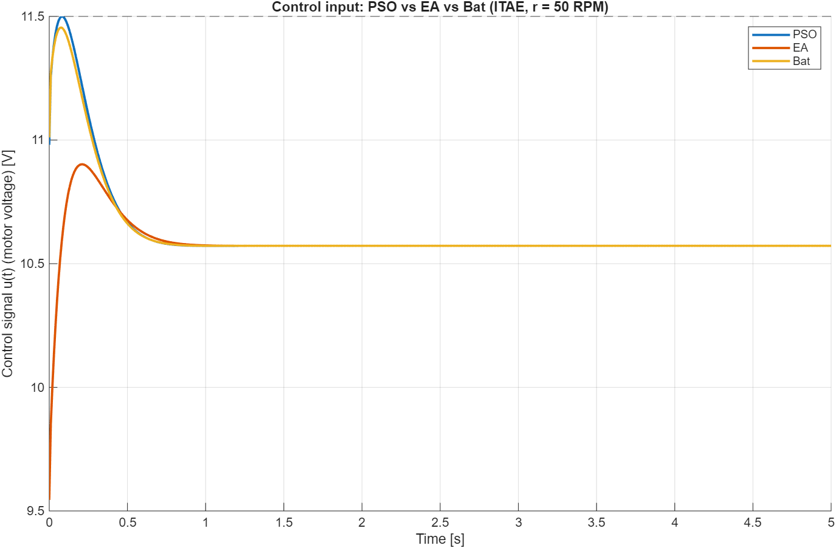
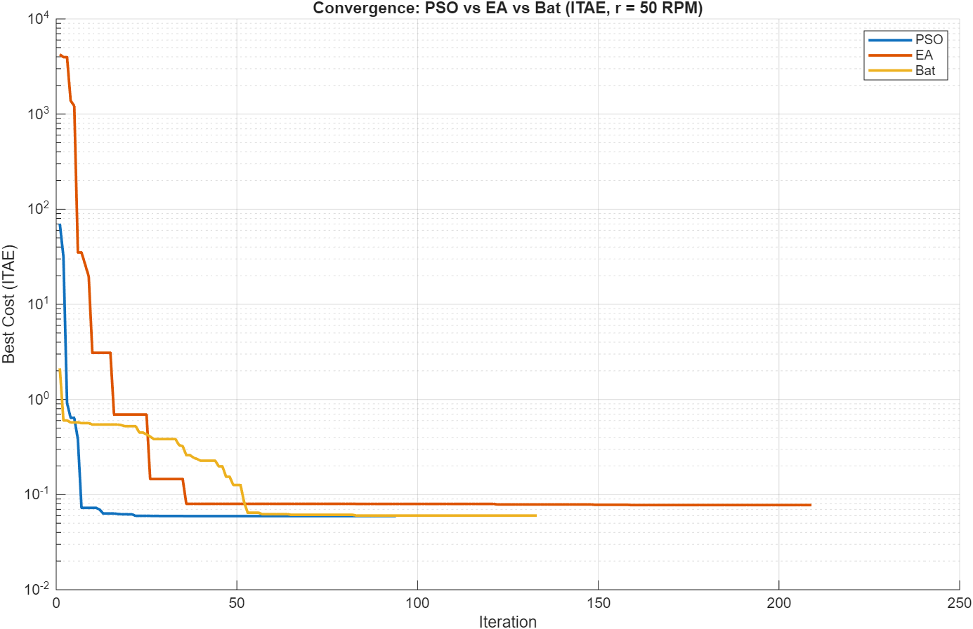
ITAE | PSO | EA | Bat
Kp | 2.0971622085 | 1.8229551215 | 2.102851319
Ki | 18.447664919 | 15.836515924 | 18.222437841
Kd | 0 | 0 | 0
BestCost | 0.059371632775 | 0.077668059077 | 0.060232138148
Iterations | 94 | 209 | 133
Runtime [s] | 40.6174126 | 56.3750726 | 32.0160735

ISE
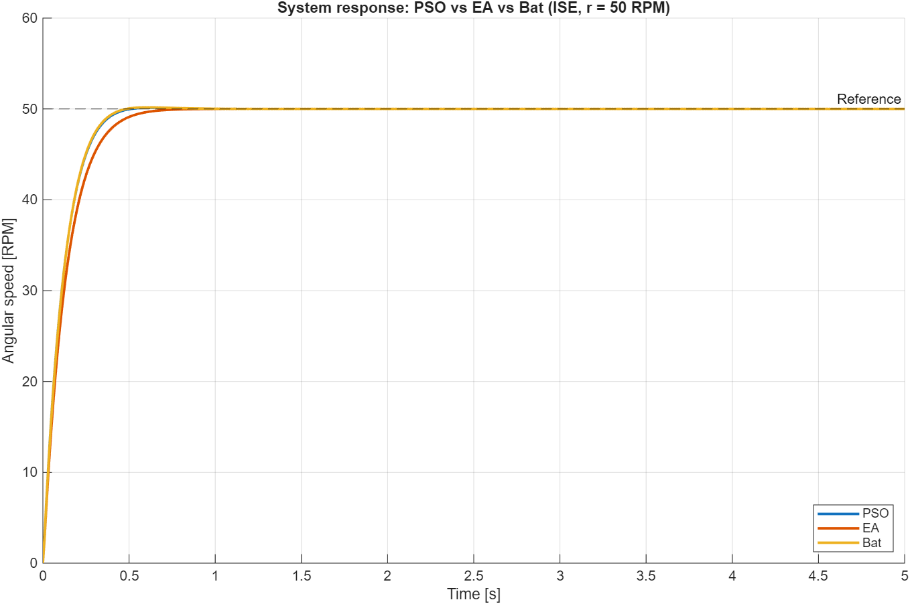
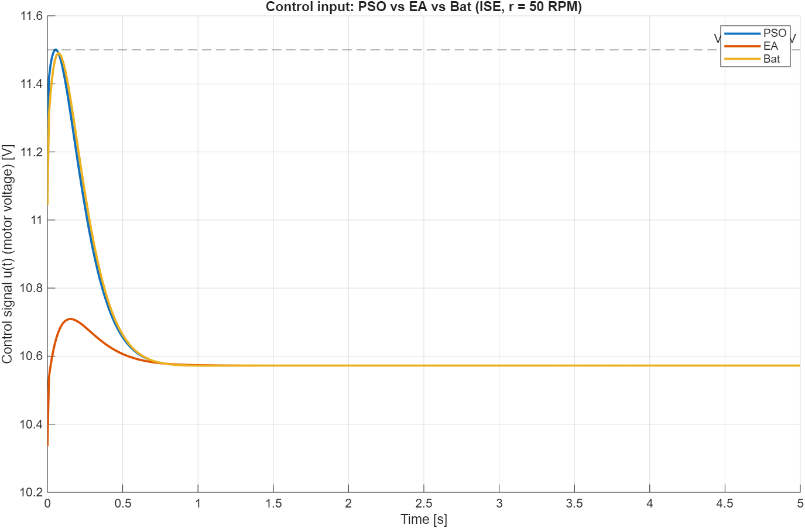
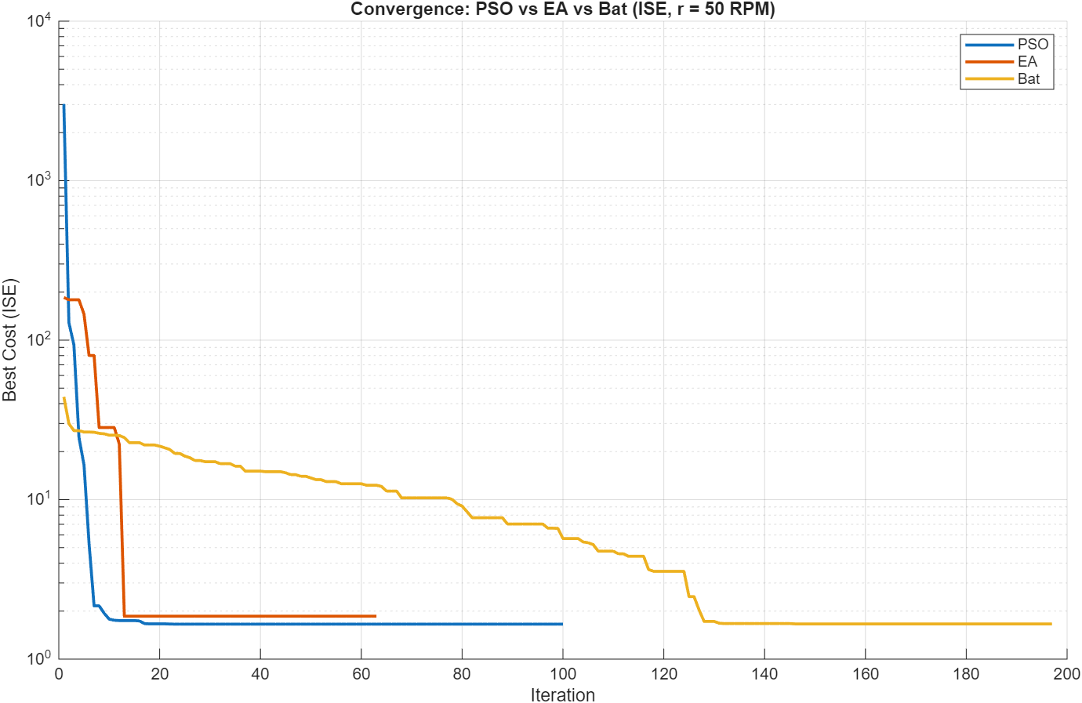
ISE | PSO | EA | Bat
Kp | 2.1342263381 | 1.9738801827 | 2.1092104012
Ki | 18.223796091 | 15.442515163 | 18.350108655
Kd | 0 | 0 | 0
BestCost | 1.656388359 | 1.8591771901 | 1.6612728263
Iterations | 100 | 63 | 197
Runtime [s] | 21.6781336 | 13.973675 | 44.8604394

ITSE
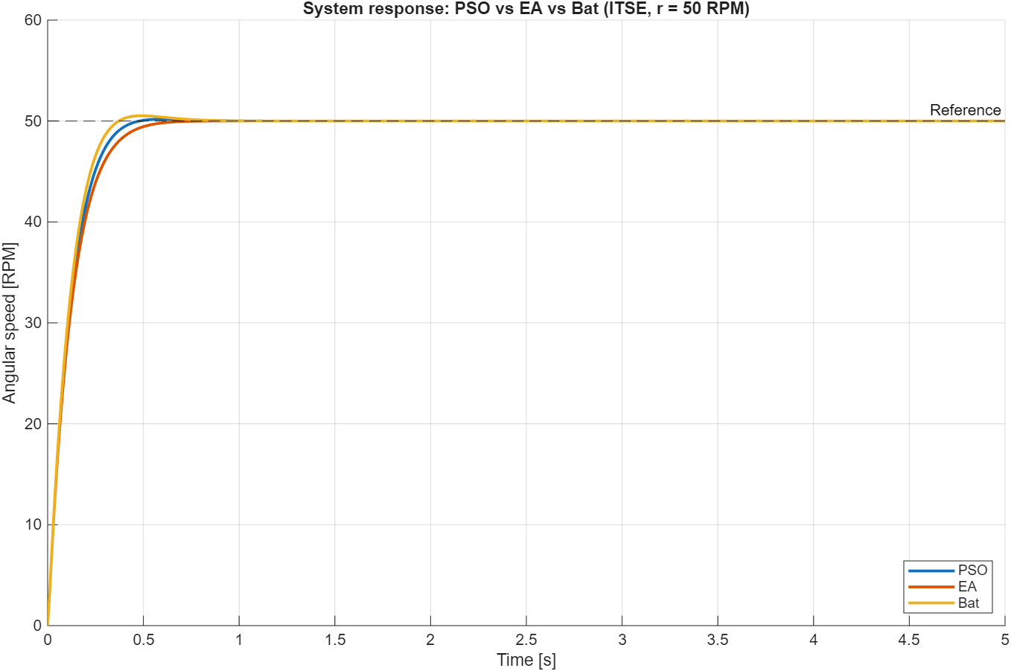
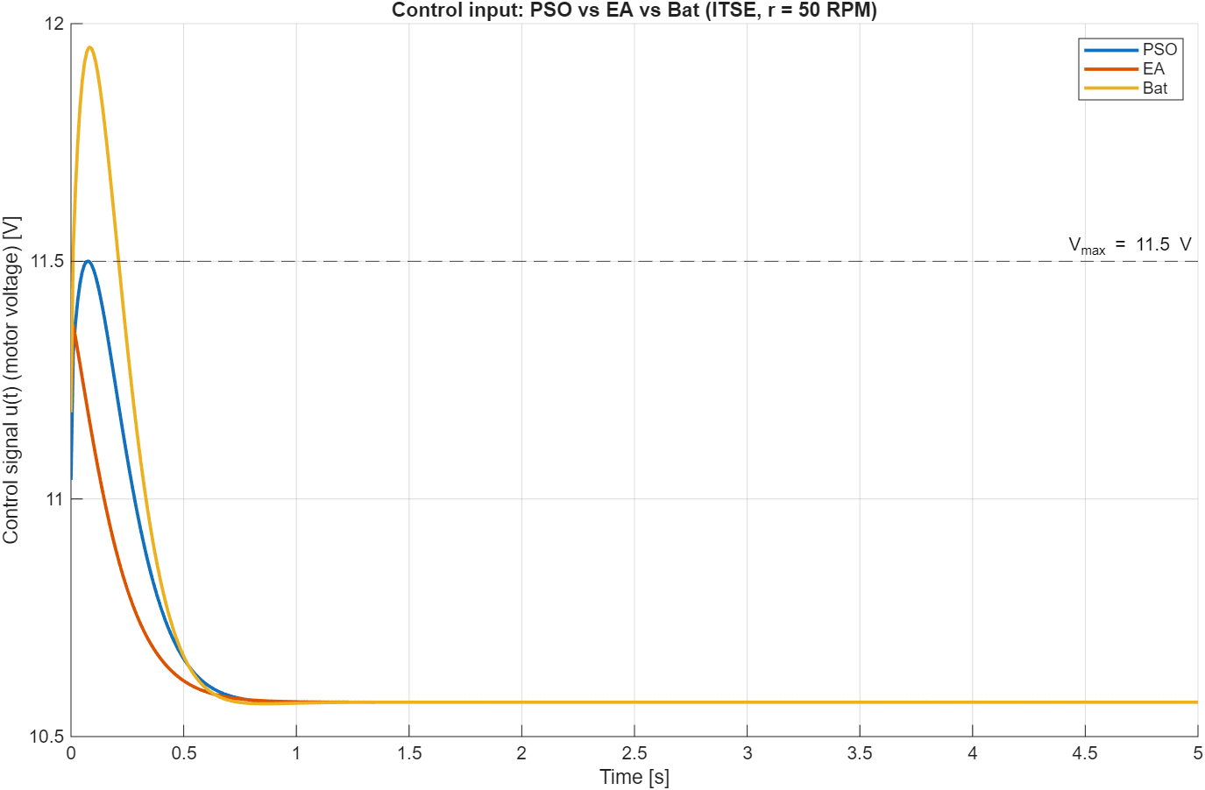
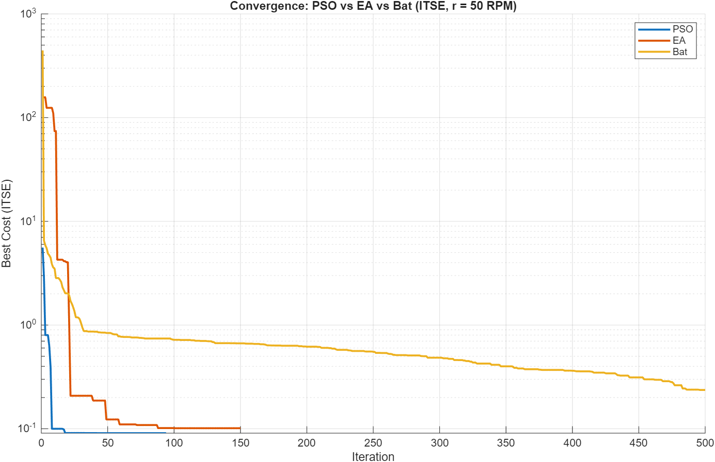
ITSE | PSO | EA | Bat
Kp | 2.1085297854 | 2.1382699939 | 2.1356548894
Ki | 18.401972692 | 16.812800575 | 20.327399848
Kd | 0 | 0 | 0
BestCost | 0.090700090605 | 0.10129637185 | 0.23652561928
Iterations | 94 | 150 | 500
Runtime [s] | 21.4885443 | 33.147952 | 122.0138881

