Original Result Graphics
 |  | Misclassification Rate |  |  | ROC AUC
 | Predictor Variables | Training | Validation | Weighted Misclassification | ROC AUC Training | ROC AUC Validation | Weighted ROC AUC
Logistic Regression | genderdummy, SQRT_AVGGIFT*genderdummy | 0.4567 | 0.4671 | 0.4609 | 0.5542 | 0.5376 | 0.5476
 | total months, NUMCHLD | 0.4519 | 0.4415 | 0.4477 | 0.5695 | 0.5872 | 0.5766 |  | Logistic Regression (REWEIGHTED)
 | total months | 0.4546 | 0.4415 | 0.4494 | 0.5649 | 0.5876 | 0.5740 | # Splits | Training |  |  |  | Validation |  |  |  | Profit Before |  | # solicited | 13,000,000
Classification Trees | genderdummy, SQRT_AVGGIFT*genderdummy | 0.4471 | 0.4696 | 0.4561 | 0.5585 | 0.5508 | 0.5554 | 5 |  | Predicted 1 | Predicted 0 | Total |  | Predicted 1 | Predicted 0 | Total | inflow | $8,619,000.00 | response rate | 5.10%
 | total months, NUMCHLD | 0.4583 | 0.4952 | 0.4731 | 0.5601 | 0.5842 | 0.5697 | 3 | Actual 1 | 418 | 490 | 908 | Actual 1 | 287 | 365 | 652 | outflow | $8,840,000.00 | average donation | $13.00
 | total months | 0.4583 | 0.4255 | 0.4452 | 0.5601 | 0.5842 | 0.5697 | 3 | Actual 0 | 6,240 | 10,656 | 16,896 | Actual 0 | 3,889 | 8,244 | 12,133 | net | ($221,000.00) | cost/solicitation | $0.68
 | All Givens | 0.4364 | 0.4679 | 0.4490 | 0.5575 | 0.5441 | 0.5521 | 2 | Total | 6,658 | 11,146 | 17,804 | Total | 4,176 | 8,609 | 12,785
 |  |  |  |  |  |  |  |  |  |  |  |  |  |  |  |  | Profit After (Regression - Training) |  | database size | 13,000,000
 |  |  |  |  |  |  |  |  | Tree Partition (REWEIGHTED) |  |  |  |  |  |  |  | inflow | $3,967,760.05 | reweighted sample size | 17804
 |  |  |  |  |  |  |  |  | Training |  |  |  | Validation |  |  |  | outflow | $3,305,814.42 | # solicited | 6,658
 |  |  |  |  |  |  |  |  |  | Predicted 1 | Predicted 0 | Total |  | Predicted 1 | Predicted 0 | Total | net | $661,945.63 | # response | 418
 |  |  |  |  |  |  |  |  | Actual 1 | 601 | 307 | 908 | Actual 1 | 427 | 225 | 652 |  |  | solicitation rate | 37.40%
 |  |  |  |  |  |  |  |  | Actual 0 | 9,658 | 7,238 | 16,896 | Actual 0 | 6,230 | 5,903 | 12,133 | LIFT: |  | expected response rate | 6.28%
 |  |  |  |  |  |  |  |  | Total | 10,259 | 7,545 | 17,804 | Total | 6,657 | 6,128 | 12,785 | 399.52% |  | average donation | $13.00
 |  |  |  |  |  |  |  |  |  |  |  |  |  |  |  |  |  |  | cost/solicitation | $0.68

RMSE vs. # Splits
 |  |  |  |  |  |  |  |  | Misclassification rates (re-weighted)
 |  |  |  |  |  |  |  |  |  |  |  |  |  |  |  |  |  |  |  |  |  | RMSE
 |  |  |  |  |  |  |  |  | Log Regression: |  | Training | 0.378 |  |  |  |  |  |  |  |  | # Splits | Training | Validation
 |  |  |  |  |  |  |  |  |  |  | Validation | 0.333 |  |  |  |  |  |  |  |  | 1 | 0.4973 | 0.4991
 |  |  |  |  |  |  |  |  |  |  | Meta | 0.360 |  |  |  |  |  |  |  |  | 2 | 0.4959 | 0.4957
 |  |  |  |  |  |  |  |  |  |  |  |  |  |  |  |  |  |  |  |  | 3 | 0.4956 | 0.4952
 |  |  |  |  |  |  |  |  |  |  |  |  |  |  |  |  |  |  |  |  | 4 | 0.4954 | 0.4956
 |  |  |  |  |  |  |  |  | Tree: |  | Training | 0.55970568412 |  |  |  |  |  |  |  |  | 5 | 0.4953 | 0.4957
 |  |  |  |  |  |  |  |  |  |  | Validation | 0.50488854126 |  |  |  |  |  |  |  |  | 6 | 0.4952 | 0.4961
 |  |  |  |  |  |  |  |  |  |  | Meta | 0.53777882697 |  |  |  |  |  |  |  |  | 7 | 0.4951 | 0.4959
 |  |  |  |  |  |  |  |  |  |  |  |  |  |  |  |  |  |  |  |  | 8 | 0.4951 | 0.4959
 |  |  |  |  |  |  |  |  |  |  |  |  |  |  |  |  |  |  |  |  | 9 | 0.4951 | 0.4959
 |  |  |  |  |  |  |  |  |  |  |  |  |  |  |  |  |  |  |  |  | 10 | 0.4951 | 0.4959

Chart1
 | Baseline |  | Logistic Regression |  | Bootstrap Tree |  | SVM |  | Tuned SVM |  | Profitability
8,840,000 | $8,619,000 | 3,135,248 | $3,895,028 | 1,889,088 | $6,187,845 | 637,586 | $8,558,011 | 570,829 | $8,618,785 | 8,840,000 | $8,840,000
 |  |  |  |  |  |  |  |  |  | 3,135,248 | $3,135,248
 |  |  |  |  |  |  |  |  |  | 1,889,088 | $1,889,088
 |  |  |  |  |  |  |  |  |  | 637,586 | $637,586
 |  |  |  |  |  |  |  |  |  | 570,829 | $570,829

New Logistic
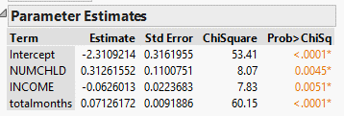
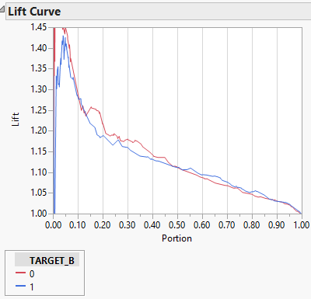
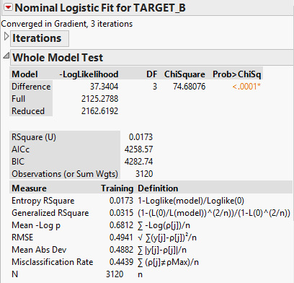
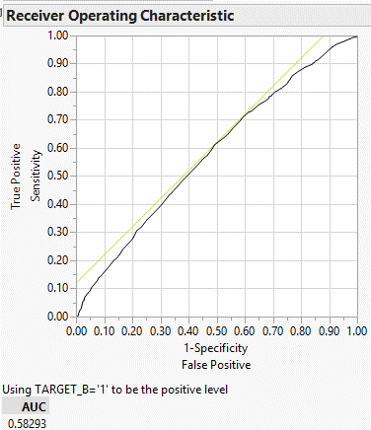
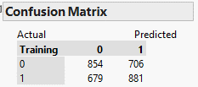

Reweighted:
 |  | Predicted
 |  | 0 | 1
Actual | 0 | 15891 | 13137 | 29,028
 | 1 | 679 | 881 | 1,560
 |  | 16570 | 14018 | 30,588

misclassification rate |  | 0.45168039754

JMP Bootstrap Forest Boiler
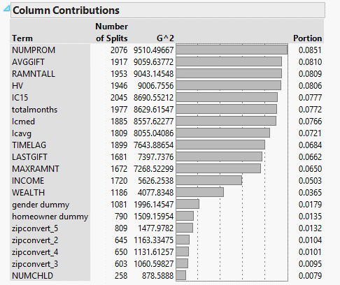
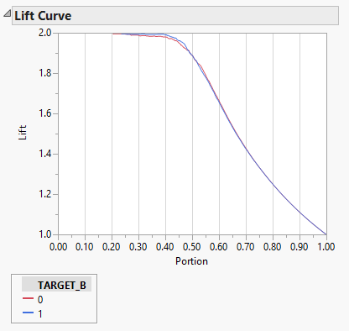
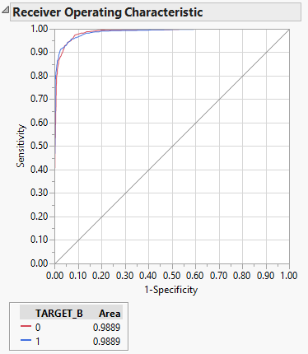
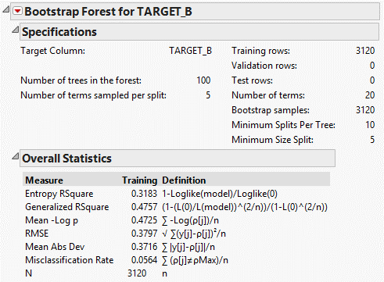
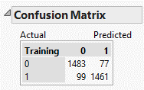

Reweighted:
 |  | Predicted
 |  | 0 | 1
Actual | 0 | 27595 | 1433 | 29,028
 | 1 | 99 | 1461 | 1,560
 |  | 27694 | 2894 | 30,588

misclassification rate |  | 0.050085000654

