DCNN
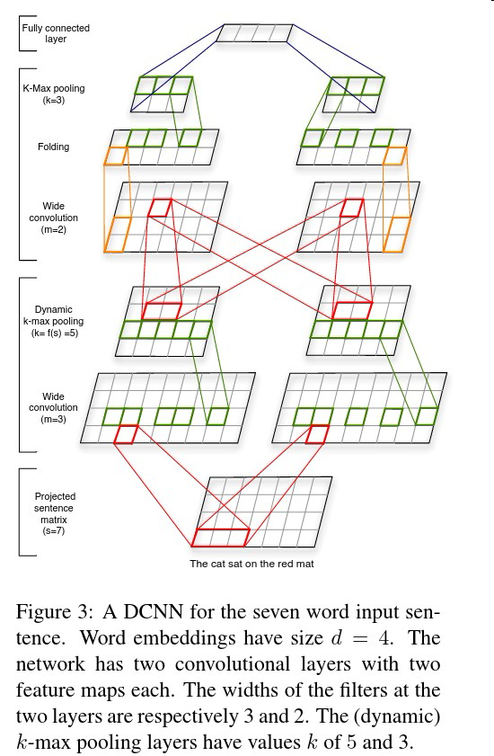
DCNN (Dynamic Convolutional Neural Network) 模型图 | 出处
 | 作者 | paper
 | Nal Kalchbrenner，ACL 2014 | A Convolutional Neural Network for Modelling Sentences

CNN-multichannel
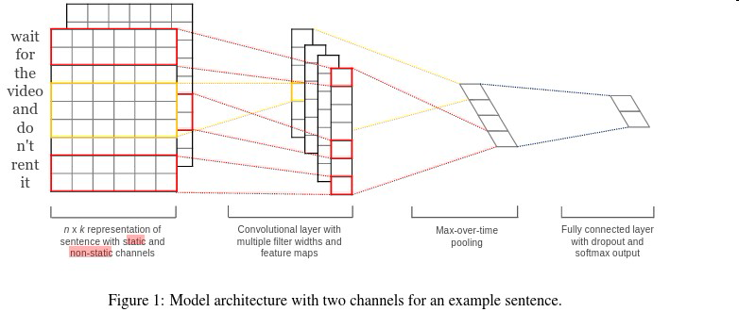
CNN-multichannel | 出处
 | 作者 | paper
 | Yoon Kim, EMNLP 2014 | Convolutional Neural-Networks for Sentence Classification

seq or bow-CNN
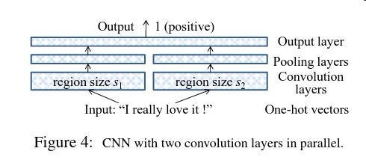
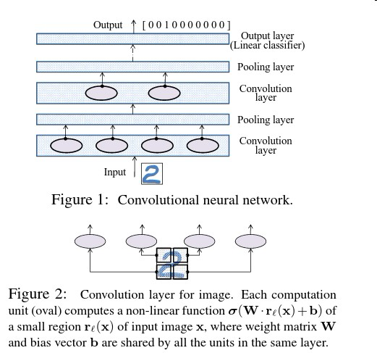
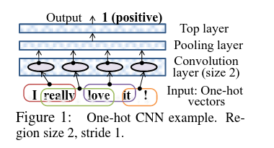
Seq-CNN/bow-CNN | 出处
 | 作者 | paper
 | Rie Johnson, NAACL HLT 2015 | Effective Use of Word Order for Text Categorization with Convolutional Neural Networks

Semantic-CNN
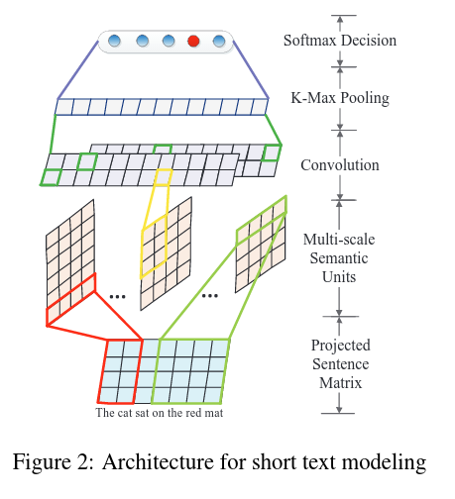
Semantic-CNN | 出处
 | 作者 | paper
 | Peng Wang, et al..ACL 2015 | Semantic-Clustering-and-Convolutional-Neural-Network-for-Short-Text-Categorization

MVCNN
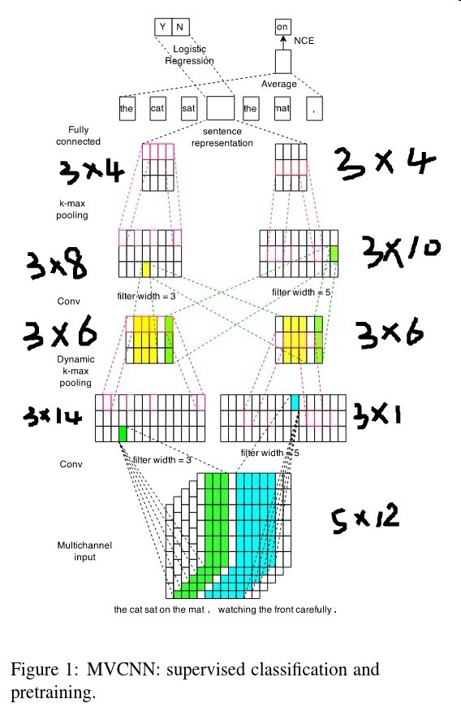
MVCNN | 出处
 | 作者 | paper
 | Wenpeng Yin, et al. CLL 2015 | Multichannel Variable-Size Convolution for Sentence Classification

