Kim, EMNLP 2014
CNN_A00 (CNN-w2v)类模型 |  |  |  |  |  |  |  | 出处
 |  |  |  |  |  |  |  | 作者 | paper
 |  |  | MR |  |  |  |  | Yoon Kim, EMNLP 2014 | Convolutional Neural-Networks for Sentence Classification
编号 | 模型名 | 模型图 | paper | 重现
CNN_A10 | CNN(rand) |  | 76.10% | 76.21% |  |  |  | 特色
CNN_A20 | CNN(static-w2v) |  | 81.00% | 81.08% |  |  |  | 1、Word2vec Pretraining
CNN_A30 | CNN(non-static-w2v) |  | 81.50% | 81.77% |  |  |  | 2、multi channels
CNN_A40 | CNN(multichannel) | Figure 1 | 81.10% |  |  |  |  | 3、简单：一层卷积层+softmax层

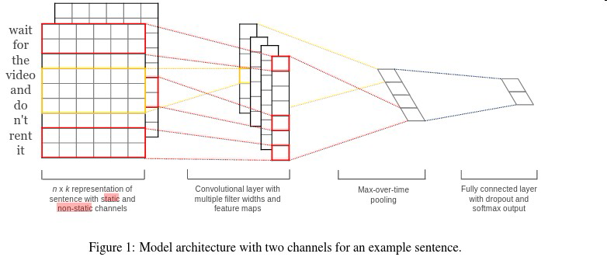
 |  |  |  |  |  |  |  | 不足

 | Embedding Layer
 | 使用训练集和测试集来构建
 |  |  | 卷积层
 |  |  | [3,4,5] |  | 1-max pooling | drop out | softmax
 | input_length * 300dim |  | 100 feature maps |  | 300 | 0.5 | 2
 | input_lenght paper中64 |  | ReLu
 |  |  |  |  | L2 constraints：3

 | Pre-trained Word Vectors
 | GoogleNews 300dim
 | 100 billion词汇
 |  |  |  | 迭代25次
 |  |  |  | mini-batch size of 50

Kalchbrenner, ACL 2014
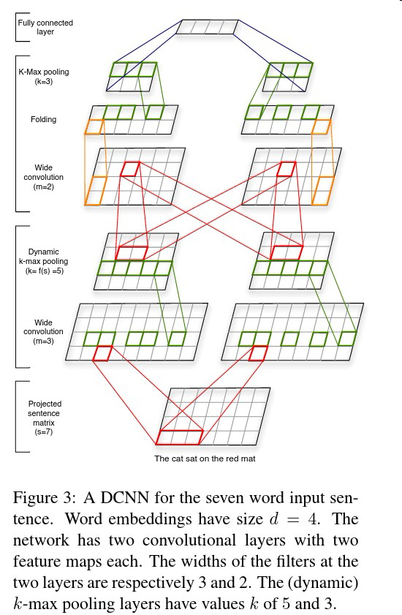
DCNN (Dynamic Convolutional Neural Network) 模型图 | 出处
 | 作者 | paper
 | Nal Kalchbrenner，ACL 2014 | A Convolutional Neural Network for Modelling Sentences

Johnson, NAACL 2015
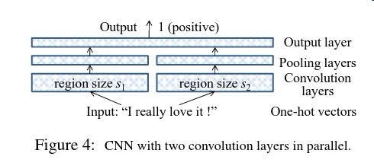
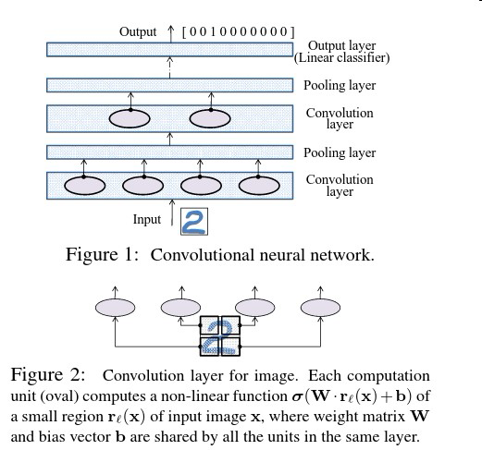
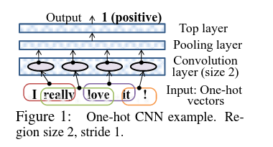
Seq-CNN/bow-CNN | 出处
 | 作者 | paper
 | Rie Johnson, NAACL HLT 2015 | Effective Use of Word Order for Text Categorization with Convolutional Neural Networks

Wang, ACL 2015
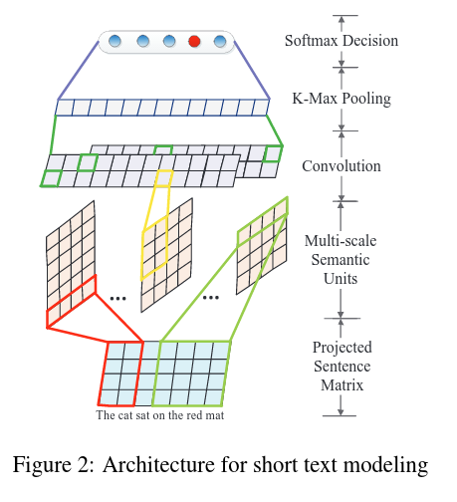
Semantic-CNN | 出处
 | 作者 | paper
 | Peng Wang, et al..ACL 2015 | Semantic Clustering and Convolutional Neural Network for Short Text Categorization

Yin, CoNLL 2015
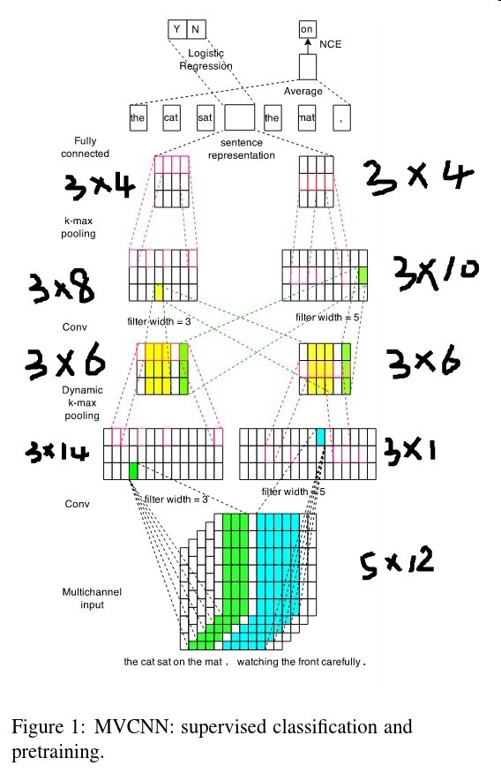
MVCNN | 出处
 | 作者 | paper
 | Wenpeng Yin, et al. CoNLL 2015 | Multichannel Variable-Size Convolution for Sentence Classification

Zhang, NAACL 2016
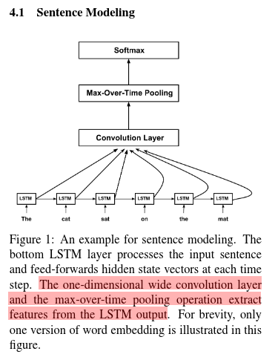
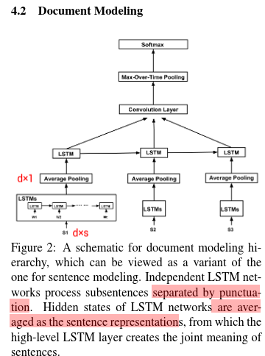
DSCNN | 出处
 | 作者 | paper
 | Rui Zhang, et al.. NAACL 2016 | Dependency Sensitive Convolutional Neural Networks for Modeling Sentences and Documents.

Tang, EMNLP 2015
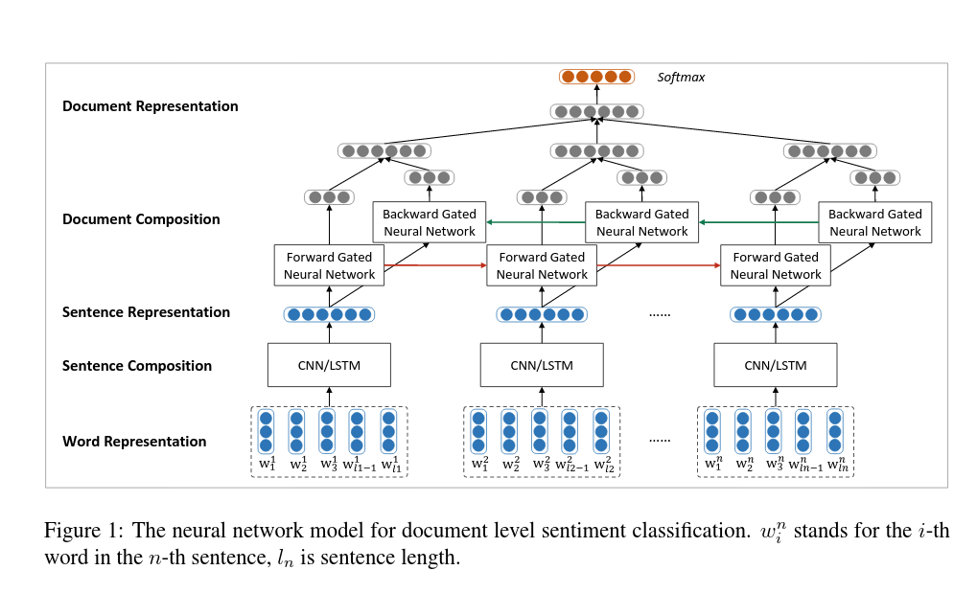
Conv-GRNN/LSTM-GRNN | 出处
 | 作者 | paper
 | duyu Tang, et al.. EMNLP 2015 | Document Modeling with Gated Recurrent Neural Network for Sentiment Classification

