3 TREC
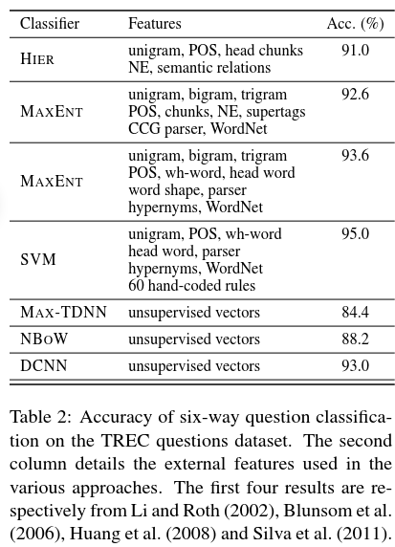
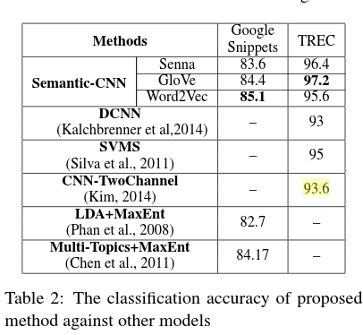
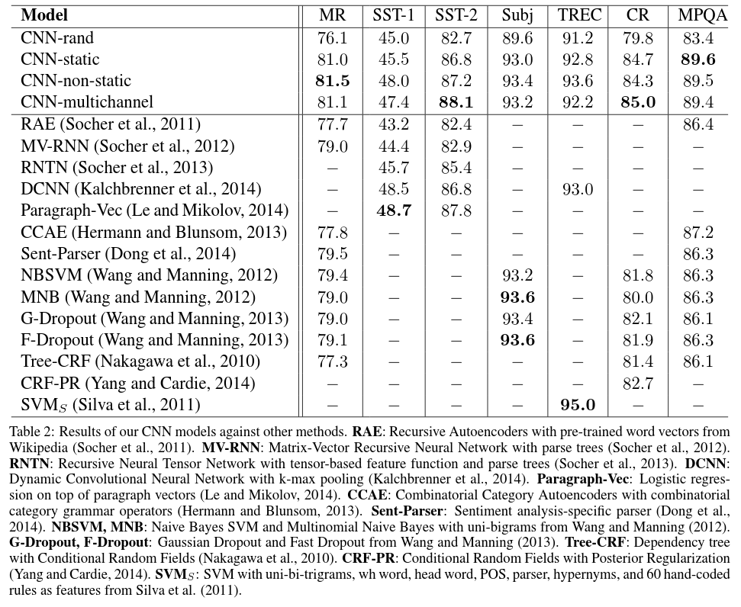
数据集名 |  | TREC
数据集ID |  | 3
下载地址 |  | http://cogcomp.cs.illinois.edu/Data/QA/QC/
出处 |  | Xin Li, et al.. learning question classifiers. COLING 2002.
Task Type |  | 主题分类(问题分类);用户问题数据;
Description |  | topic categotery;
标签类别 | 类别数 | 6
 | 类别名 | abbreviation, entity, description, human, location, numeric.

数据集总体 | 样例数 | 5952
 | 句子长度
 | 字典数
训练集 | 样例数
 | 句子长度 | 5,452
 | 字典数
验证集 | 样例数
 | 句子长度
 | 字典数
测试集 | 样例数 | 500
 | 句子长度
 | 字典数
备注

State Of the Art
模型 |  | 准确率(avg(min,max)) | 来源
CNN_A10: CNN-rand |  | 91.2 | Kim. Convolutional Neural-Networks for Sentence Classification. EMNLP 2014
CNN_A20: CNN-static |  | 92.8
CNN_A30: CNN-non-static |  | 93.6
CNN_A40: CNN-multichannel |  | 92.2
MGNC-CNN(w2v+Syn+Glv) |  | 95.52 (94.60,96.6) | Ye Zhang,et al. MGNC-CNN:A Simple Approach to Exploiting Multiple Word Embeddings for Sentence Classification. NAACL 2016
DSCNN |  | 95.4 | Rui Zhang, et al. Dependency Sensitive Convolutional Neural Networks for Modeling Sentences and Documents. NAACL 2016
DSCNN-Pretrain |  | 95.6
EXT Wavg - CNN |  | 95 | Alexandros, et al. Dependency Based Embeddings for Sentence Classification Tasks.NAACL 2016.
cnn-classifier |  | 77.1 | Wang, el al. Semi-supervised Clustering for Short Text via Deep Representation Learning. CoNLL 2016
Semantic-CNN-Senna |  | 96.4 | Peng Wang, et al. Semantic-Clustering-and-Convolutional-Neural-Network-for-Short-Text-Categorization. ACL 2015.
Semantic-CNN-GloVe |  | 97.2
Semantic-CNN-Word2Vec |  | 95.6
c-TBCNN |  | 94.8 | Lili Mou, et al.. Discriminative Neural Sentence Modeling by Tree-Based Convolution. EMNLP 2015.
d-TBCNN |  | 96
DCNN |  | 93 | Nal Kalchbrenner. A Convolutional Neural Network for Modelling Sentences. ACL 2014.
SVM |  | 95 | Silva,et al.. From symbolic to sub-symbolic information in question classification. AI review 2011.
HIER |  | 91 | Xin Li, et al.. learning question classifiers. COLING 2002.
MAXENT |  | 93.6 | Blunsom et al. Question classification with log-linear models. SIGIR 2006.
MAXENT |  | 95 | Huang et al. Question classification using head words and their hypernyms. EMNLP 2008.

9 IMDB-Diao2014
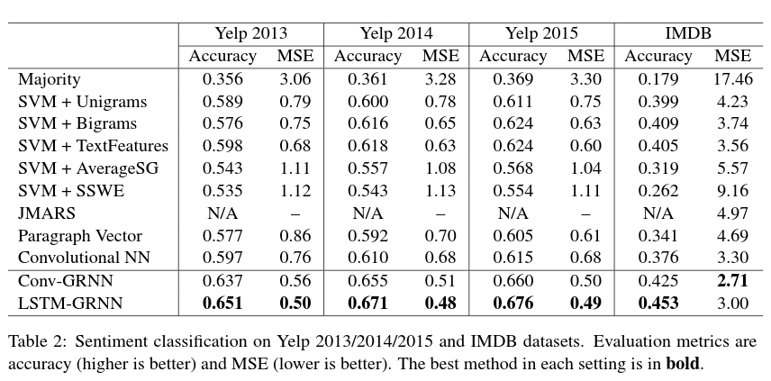
数据集名 |  | IMDB-Diao2014
数据集ID
下载地址
出处 |  | Qiming Diao, et al.. Jointly modeling aspects, ratings and sentimentsfor movie recommendation (jmars).SIGKDD 2014.
Task Type |  | 极性分类; 10分类; 电影评论;多句子（document-level）
Description
标签类别 | 类别数 | 10
 | 类别名 | 1-10 rating

数据集总体 | 样例数 | 348,415
 | 句子长度 | 一个样例（document）平均有14.02句，平均有325.6个词
 | 字典数 | 115,831
训练集 | 样例数
 | 句子长度
 | 字典数
验证集 | 样例数
 | 句子长度
 | 字典数
测试集 | 样例数
 | 句子长度
 | 字典数
备注

State Of the Art
模型 |  | 准确率 | 来源
 |  |  | Yang, et al. HierarchicalAttentionNetworks for Document Classification. NAACL 2016
 |  |  | Tang, et al. Document Modeling with Gated Recurrent Neural Network for Sentiment Classification. SIGKDD 2014.
 |  |  | Qiming Diao, et al.. Jointly modeling aspects, ratings and sentimentsfor movie recommendation (jmars).SIGKDD 2014.

12 Google Snippets
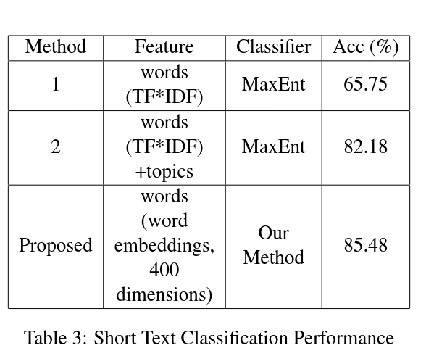
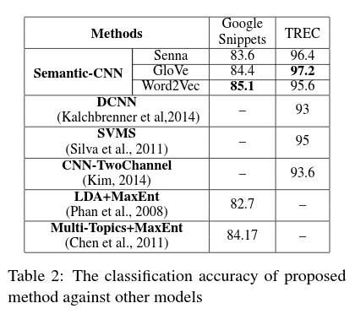
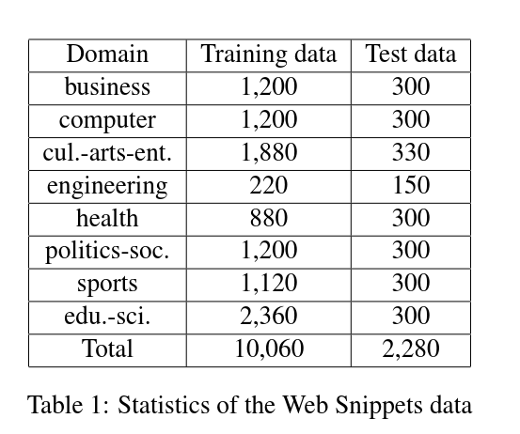
数据集名 |  | Google Snippets
数据集ID |  | 12
下载地址 |  | http://jwebpro.sourceforge.net/data-web-snippets.tar.gz
出处 |  | Xuan-Hieu Phan, et al.. Learning to classify short and s-parse text & web with hidden topics from large-scale data collections. WWW(ACM) 2008.
Task Type |  | 8分类; search engine query;
Description |  | various phrases belonging to 8 domains to query the web search engine (Google) and selected the top 20 or 30 snippets from the search results
标签类别 | 类别数 | 8
 | 类别名 | 见 Table 1

数据集总体 | 样例数 | 12,340个样例，平均每个snippet有18.07个词
 | 句子长度
 | 字典数
训练集 | 样例数 | 10,060
 | 句子长度
 | 字典数
验证集 | 样例数
 | 句子长度
 | 字典数
测试集 | 样例数 | 2,280
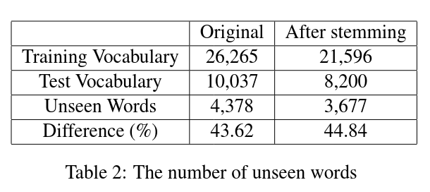
 | 句子长度
 | 字典数
备注

State Of the Art
模型 |  | 准确率(%) | 来源
STCC |  | 77.09 | Xu, et al., Short Text Clustering via Convolutional Neural Networks, Workshops 2015

MaxEnt(TF*IDF) |  | 65.75(Table3) | Phan, et al., Learning to classify short and s-parse text & web with hidden topics from large-scale data collections, WWW(ACM) 2008
LDA+MaxEnt(TF*IDF) |  | 82.18(Table3)
Multi-Topics+SVM |  | 85.31 | Chen, et al., Short text classification improved by learning multi-granularity topics, IJCAI 2011
Multi-Topics+MaxEnt |  | 84.17
Bayesian+WordEmbedding |  | 85.48 | Ma, et al., Distributional Representations of Words for Short Text Classification, Workshops 2015
Semantic-CNN-Senna |  | 83.6(Table2) | Peng Wang, et al. Semantic-Clustering-and-Convolutional-Neural-Network-for-Short-Text-Categorization. ACL 2015.
Semantic-CNN-GloVe |  | 84.4(Table2)
Semantic-CNN-Word2Vec |  | 85.1(Table2)

