New ProjRepo
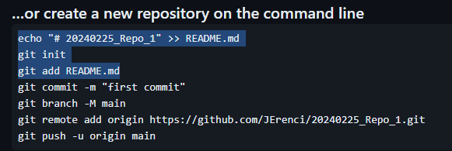
STEP #1: Go To GitHub
 | 1. Go to the IDE and create a new Project
 | 2. Go to the VCS, create a new Repository
 | 3. Go to CMD, and go to the path of the Project Folder
 | 4. Go to the GitHub page, paste the first 3 lines in CMD

 | 5. Confirmation the Repo has been initialized

 | 6. Add README.md and all the rest of the files in the project Folder

 | 7. Go to GitHub page and copy last 4 files

 |  |  | https://github.com/thusharabandara/dash-app-render-deployment
STEP #2: Deploy Project in the Web
 | 1. Install dash-tools python package
 |  | pip install dash-tools |  | py -m pip install --upgrade pip
 | 2. Initialize repo in the folder where the app exists
 |  | git init
 | 3. Initialise GUI
 |  | dashtools gui
 | 4. Go to Deploy

 | Check that following libraries are in requirements.txt
 |  | gunicorn
 |  | dash-tools
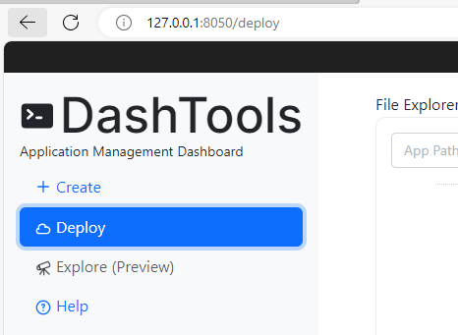
 |  | remove versions of libraries
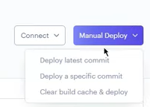
 | Deploy to latest commit

Start
GitHub | Version Control System
 | Commit | Snapshot of your project
PyCharm config |  | 1. Open PC and Create new project
 |  | 2. VCS -> Create Git Repository
 |  | 3. Git -> Manage Remotes

New Project | GitHub | 1. Login to GH
 |  | 2. Create Repo
 |  | 3. Copy clone text
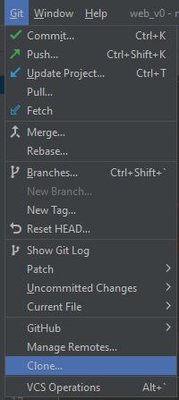
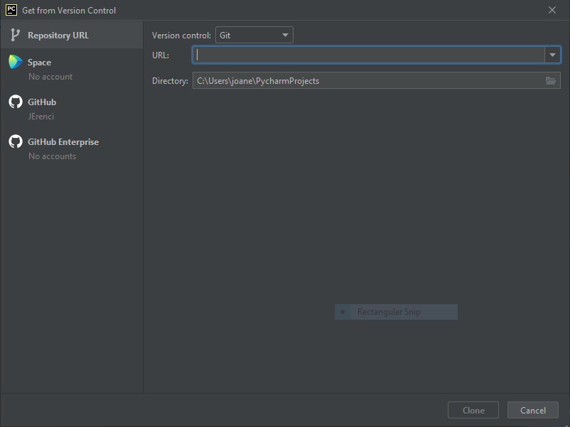
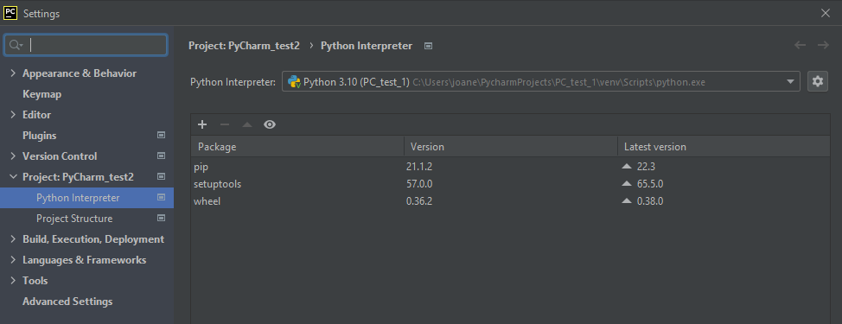
 | PyCharm (menu bar)
 |  | 5. Paste URL from GitHub

 |  | C:\Users\gujua\AppData\Local\Programs\Python\Python312

 |  | configure python interpreter

 |  |  | (Bottom right part of screen)
 |  |  | (Interpretter settings) -> Select interpreter
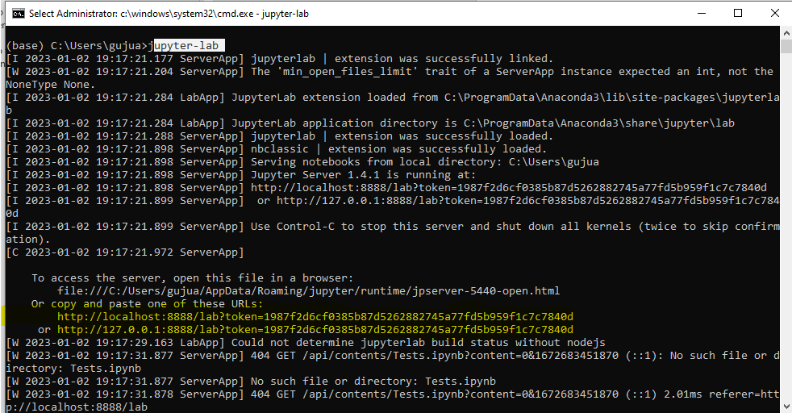
Jupyterlab | Installation | $ pip install jupyterlab
 | Execution | $ jupyter-lab

GH
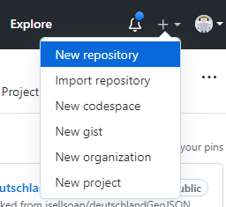
GitHub | 1. Go to GitHub | https://github.com/JErenci
 | 2. Create new Repo
 | 3. Create Repository

PyCharm | 1. Open PyCharm | New Project
 |  | Open
 |  | Get from VCS
 | 2. select URL from GH |  |  | URL:
 | 3. Select local Directory
 | 4. Press Clone
 | (main file automatically added to changes)

PyCharm | 1. Create README.adoc file
 | 2. Write some text |  |  | # This is the README file for this project

PyCharm | 1. Config Interpreter | File-> Settings
 |  | Select Project
 |  | Click on Add

 |  |  | Virtual env = | 1. Python Version
 |  |  |  | 2. 3rd Party libs
 |  | Press OK
 | 2. Add venv to staging
 | 3. Click on Commit left tab |  | Commit
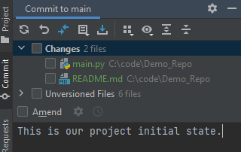
 |  |  | Comit and push

 | 4. Git tab bottom | Master brach committment

 |  | Changes that will be pushed to Origin/remote repo are shown

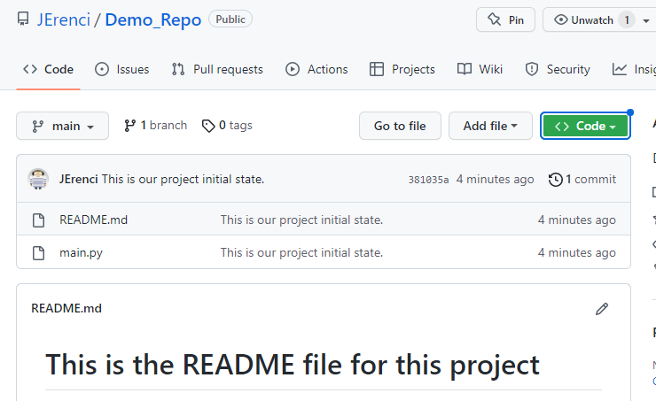
GitHub | 1. Update Repo view | Files pushed are now visible

 | 2. Add file in remote repository

 | 3. Commit new file
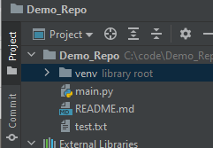
PyCharm | 1. Click on Update Project icon
 | File auto appears in local repository

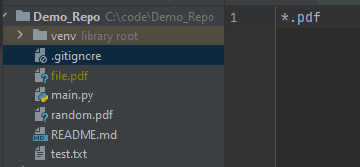
 | .gitignore
 | Add files that do not want to be in repo
 | Specific files can be added to .gitignore
 | Also file extensions (e.g. pdf)

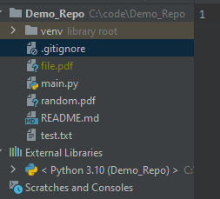
 | When 'file.pdf' is added to Project, it looks greyed out and
 | it is NOT present in Changes section of commit tab
 | Because the .gitignore has a rule for *.pdf files

 | requirements.txt
 | requirements.txt
 | pipreqs C:\path\to\project

 | BRANCHES
 | Work independently
 | Create different workflows
 | Changes indep from branch
 | Branches can be merged

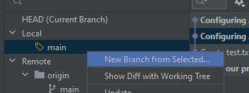
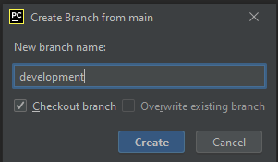

 | Currently in main branch
 | Create branch from main

 | Switch from main to dev branch (double click)
 | Add file to project 'devfile.txt'
 | Commit file in 'dev' branch

 | Change branches (dev-> master)
 | Right click on branch to change and click "Check out"

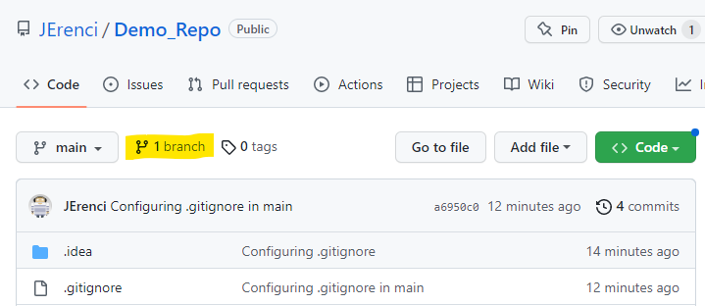
 | We can see that the branch is also visible in GitHub

 | Push all changes from dev to main branch

App.py
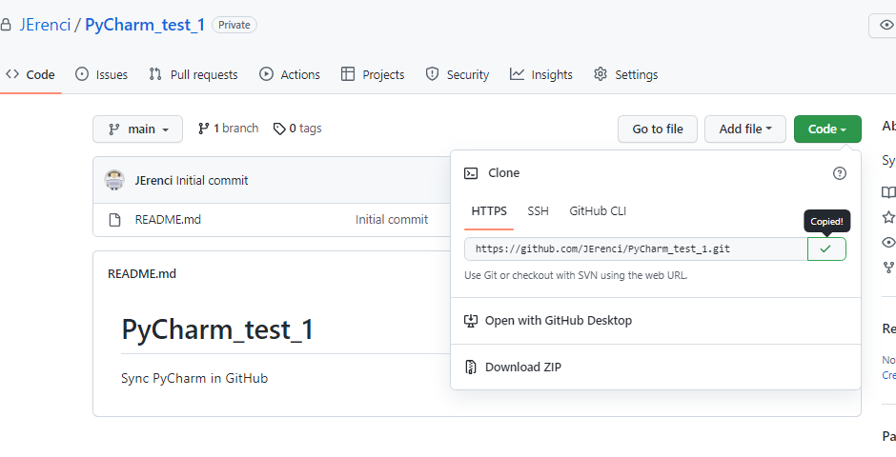

 | Run the app | python app.py |  | if __name__ == '__main__':
 |  |  |  |  | print('Program start')
 |  |  |  |  | display_map()
 |  |  |  |  | print('Program End!')

App.py connects pages

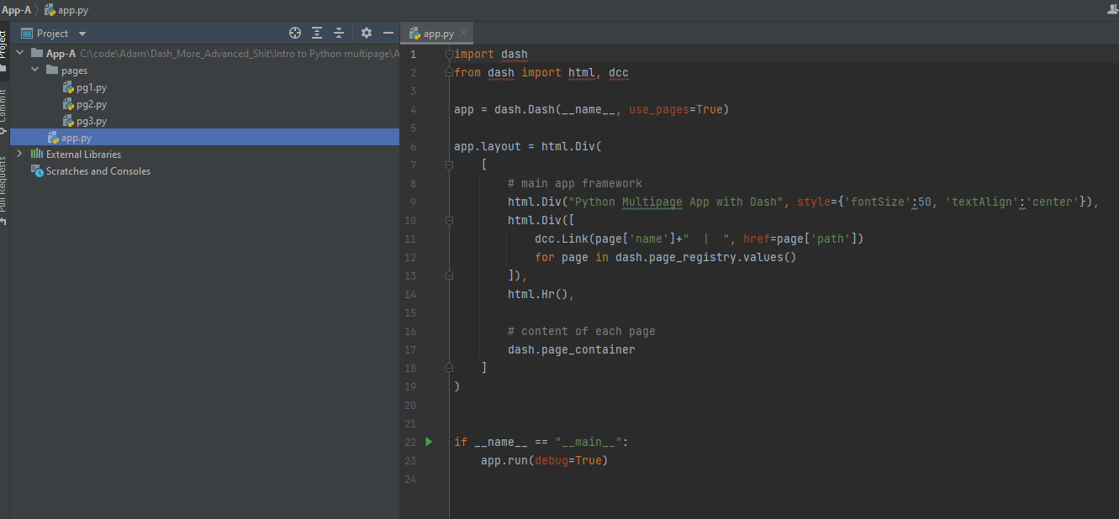

pg1.py | dash.register_page(__name__, path='/') |  | This indicate the homepage

