LocalDB_PyTest_PostManTests
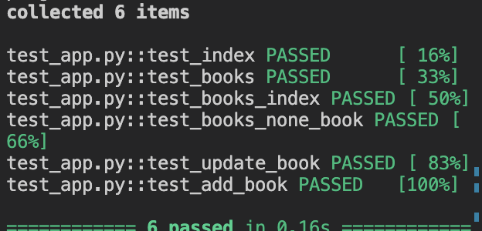
ENDPOINT | Type | Response | Expected | Approved | Comments
/ | GET | "Hello, World!" | "Hello, World!" | YES | Result as expexted, server is awake
/books | GET | {"Author_id":"OL24950A","Author_name": | {"Author_id":"OL24950A","Author_name": | YES | Expected a list of many database posts
/books/1 | GET | { | { | YES | Expected a single database post with book_id:1
 |  | "Author_id": "OL24950A", | "Author_id": "OL24950A", | YES
 |  | "Author_name": "Lindgren, Astrid, 1907-2002", | "Author_name": "Lindgren, Astrid, 1907-2002",
 |  | "Book_Title": "Krigsdagböcker 1939-1945", | "Book_Title": "Krigsdagböcker 1939-1945",
 |  | "Book_id": 1, | "Book_id": 1,
 |  | "Genre": "X", | "Genre": "X",
 |  | "isbn": "9789187659041", | "isbn": "9789187659041",
 |  | "rating": "No Current Reviews" | "rating": "No Current Reviews"
 |  | } | }
/books/7 | GET | Book_id 37 not found in database Most likely due to deletion | Book_id 37 not found in database Most likely due to deletion | YES | Expected custom error as the book does not exist
/books/13 | GET |  | { | YES | Expected update of "Description" and "Genre"
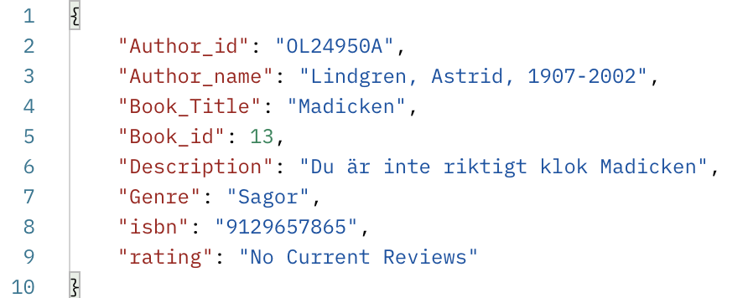
 | PUT | Book with id 13 Updated | "Author_id": "OL24950A",
 | GET |  | "Author_name": "Lindgren, Astrid, 1907-2002",
 |  |  | "Book_Title": "Madicken",
 |  |  | "Book_id": 13,
 |  |  | "Description": "Du är inte riktigt klok Madicken",
 |  |  | "Genre": "Sagor",
 |  |  | "isbn": "9129657865",
 |  | { | "rating": "No Current Reviews"
 |  | "Author_id": "OL24950A", | }
 |  | "Author_name": "Lindgren, Astrid, 1907-2002",
 |  | "Book_Title": "Madicken",
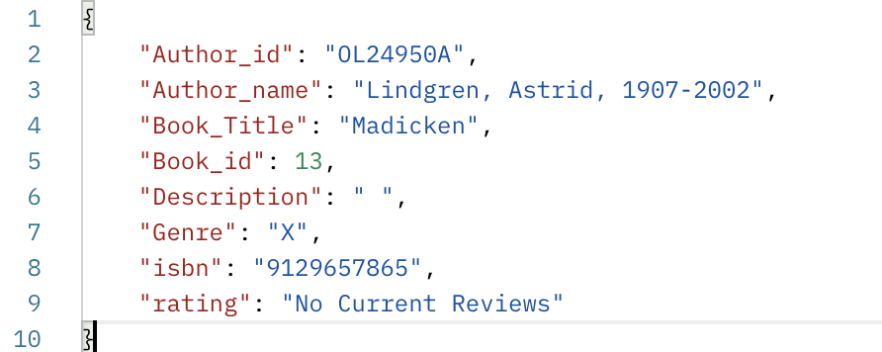
 |  | "Book_id": 13,
 |  | "Description": "Du är inte riktigt klok Madicken",
 |  | "Genre": "Sagor",
 |  | "isbn": "9129657865",
 |  | "rating": "No Current Reviews"
 |  | }
/books/12 | PUT | {"author" : "ErnieHacks","Description" : "PoorBert"} |  | YES | Expected update of "Description" and "Author_name"

 |  | { | { |  | Ernie and what happens when you mine the same author
 |  | "Author_id": "OL24950A", | "Author_id": "OL24950A", |  | again is another story…
 |  | "Author_name": "Lindgren, Astrid, 1907-2002", | "Author_name": "ErnieHacks",
 |  | "Book_Title": "Rasmus, Pontus och Toker", | "Book_Title": "Rasmus, Pontus och Toker",
 |  | "Book_id": 12, | "Book_id": 12,
 |  | "Description": null, | "Description": "PoorBert",
 |  | "Genre": "X", | "Genre": "X",
 |  | "isbn": "9789130044436", | "isbn": "9789130044436",
 |  | "rating": "No Current Reviews" | "rating": "No Current Reviews"
 |  | } | }
 |  |  | Bananerna by Trazan added successfully to the database
/books/ | POST | { | { | YES | Book added to Books table
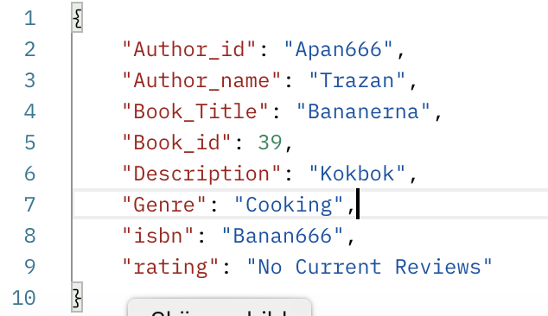
/books/39 | GET | "id" : "Banan666", | "Author_id": "Apan666",
 |  | "title" : "Bananerna", | "Author_name": "Trazan",
 |  | "author_id" : "Apan666", | "Book_Title": "Bananerna",
 |  | "author" : "Trazan", | "Book_id": 39,
 |  | "genre" : "Cooking", | "Description": "Kokbok",
 |  | "description" : "Kokbok" | "Genre": "Cooking",
 |  | } | "isbn": "Banan666",
 |  |  | "rating": "No Current Reviews"
 |  |  | }
/books/23 | GET | { | Book: 23 successfully removed from Books | YES | Book deleted from database
 | DELETE | "Author_id": "OL24950A",
 |  | "Author_name": "Lindgren, Astrid, 1907-2002",
 |  | "Book_Title": "Die Wilddruden",
 |  | "Book_id": 23,
 |  | "Description": null,
 |  | "Genre": "X",
 |  | "isbn": "3789108219",
 |  | "rating": "No Current Reviews"
 |  | }

/books? | GET | { |  | YES | Tripple search with author, title, and genre gives
author=Lindgren |  | "Author_id": "OL24950A", |  |  | the expected unique result
&title=madicken |  | "Author_name": "Lindgren, Astrid, 1907-2002", | "Author_name": "Lindgren, Astrid, 1907-2002",
&genre=Sagor |  | "Book_Title": "Madicken", | "Book_Title": "Madicken", |  | /books?author=Lindgren&title=madicken&genre=Sagor
 |  | "Book_id": 13, | "Genre": "Sagor",
 |  | "Description": "Du är inte riktigt klok Madicken", |  |  | search only done for tripple combination
 |  | "Genre": "Sagor",
 |  | "isbn": "9129657865",
 |  | "rating": "No Current Reviews"
 |  | }
/books/top | GET | { | Expected 5, database posts that got the keypair "Rating" as response | YES | Checking the response.json.values() for the total number
 |  | "849783190X": { |  |  | of "Rating" which should be 5 for the /books/top
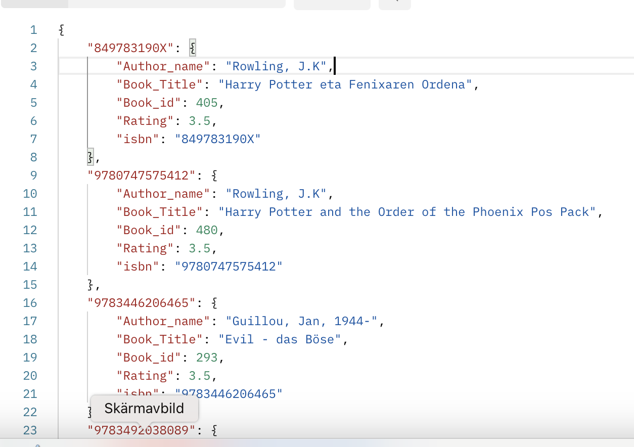
 |  | "Author_name": "Rowling, J.K",
 |  | "Book_Title": "Harry Potter eta Fenixaren Ordena",
 |  | "Book_id": 405,
 |  | "Rating": 3.5,
 |  | "isbn": "849783190X"
 |  | },
 |  | "9780747575412": {
 |  | "Author_name": "Rowling, J.K",
 |  | "Book_Title": "Harry Potter and the Order of the Phoenix Pos Pack",
 |  | "Book_id": 480,
 |  | "Rating": 3.5,
 |  | "isbn": "9780747575412"
 |  | },
 |  | "9783446206465": {
 |  | "Author_name": "Guillou, Jan, 1944-",
 |  | "Book_Title": "Evil - das Böse",
 |  | "Book_id": 293,
 |  | "Rating": 3.5,
 |  | "isbn": "9783446206465"
 |  | },
 |  | "9783492038089": {
 |  | "Author_name": "Guillou, Jan, 1944-",
 |  | "Book_Title": "Niemandsland",
 |  | "Book_id": 314,
 |  | "Rating": 3.5,
 |  | "isbn": "9783492038089"
 |  | },
 |  | "9789520426408": {
 |  | "Author_name": "Rowling, J.K.",
 |  | "Book_Title": "Harry Potter ja salaisuuksien kammio",
 |  | "Book_id": 358,
 |  | "Rating": 3.5,
 |  | "isbn": "9789520426408"
 |  | }
 |  | }
/reviews | GET | { | Expected that all reviews contain the keys: | YES | Reviews contains the keys as expected
 |  | "1": { | "book_id"
 |  | "book_id": 470, | "book_title"
 |  | "book_title": "Harry Potter 5 und der Orden des Phnix. Ausgabe fr Erwachsene", | "rating"
 |  | "rating": 4, | "review"
 |  | "review": 1, | "review_name"
 |  | "review_name": "plugghästKat69", | "review_text"
 |  | "review_text": "Best I ever did not read"
 |  | }, | review_text is not mandatory to have a text
 |  | "2": { | ratings are within 1 to 5, checked by input
 |  | "book_id": 387, | books with no review are shown as
 |  | "book_title": "Harry Potter y la Orden del Fénix", | "rating": "No Current Reviews" in book searches
 |  | "rating": 4,
 |  | "review": 2,
 |  | "review_name": "TrolletPojke",
 |  | "review_text": "Read it and liked it"
 |  | },
/reviews13 | POST | wrong Book_id given: | Review added to Book_id: 13 | YES | Pytest only done for a successful entry
 |  | Book_id 876 not found in database Most likely due to deletion | {
 |  |  | "book_id":13,
 |  | wrong or missing data as input: | "rating":5,
 |  | Invalid data or missing data | "review_name":"plugghästSatmara"
 |  | { | }
 |  | "books":876,
 |  | "rat":4, | {
 |  | "review_name":"plugghäst", | Review added to Book_id: 13
 |  | "hejjj": "kkkjhkh", | "book_id":13,
 |  | "BreakThisAPI": "Haxxorz" | "rating":5,
 |  | } | "review_name":"läskunnigPojke",
 |  | Invalid data or missing data 2/3 received | "review_text":"Best I ever did not read"
 |  | { | }
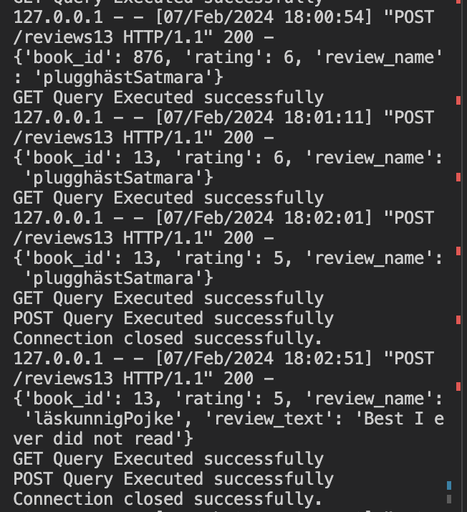
 |  | "book_id":13,
 |  | "rating":4
 |  | }
 |  | Book_id 876 not found in database Most likely due to deletion
 |  | {
 |  | "book_id":876,
 |  | "rating":6,
 |  | "review_name":"plugghästSatmara"
 |  | }
 |  | Rating must be in the range 1-5
 |  | {
 |  | "book_id":13,
 |  | "rating":6,
 |  | "review_name":"plugghästSatmara"
 |  | }
 |  | Review added to Book_id: 13
 |  | {
 |  | "book_id":13,
 |  | "rating":5,
 |  | "review_name":"plugghästSatmara"
 |  | }
 |  | Review added to Book_id: 13
 |  | {
 |  | "book_id":13,
 |  | "rating":5,
 |  | "review_name":"läskunnigPojke",
 |  | "review_text":"Best I ever did not read"
 |  | }
 |  | Review added to Book_id: 13
 |  | {
 |  | "book_id":13,
 |  | "rating":5,
 |  | "review_name":"PyTortureTest",
 |  | "review_text":"PyTest, Torture, PyTest WoW it Works"
 |  | }
/reviews/13 | GET | List of all reviews for a certain book, not tested in Pytest | One would have expected it was still Madicken, but due to a second | YES | Not sure I am happy that Ernie hacked my database or
 |  |  | data mine on Astrid Lindgren, Ernie stole her Author id and my SQL |  | that I got a flaw in my SQL-mining query.
 |  | { | query was not unique enough, so Ernie hijacked the spot with
 |  | "360": { | his book 876
 |  | "Author_name": "Ernie",
 |  | "Book_Title": "876",
 |  | "Book_id": 13,
 |  | "Rev_id": 360,
 |  | "rating": 5,
 |  | "review_name": "plugghästOskulden",
 |  | "review_text": "Read it and liked it"
 |  | },
 |  | "692": {
 |  | "Author_name": "Ernie",
 |  | "Book_Title": "876",
 |  | "Book_id": 13,
 |  | "Rev_id": 692,
 |  | "rating": 4,
 |  | "review_name": "TomtePojke",
 |  | "review_text": "Boring"
 |  | },
 |  | "1784": {
 |  | "Author_name": "Ernie",
 |  | "Book_Title": "876",
 |  | "Book_id": 13,
 |  | "Rev_id": 1784,
 |  | "rating": 5,
 |  | "review_name": "TrolletOskulden",
 |  | "review_text": "Bra att somna till"
 |  | },
 |  | "1907": {
 |  | "Author_name": "Ernie",
 |  | "Book_Title": "876",
 |  | "Book_id": 13,
 |  | "Rev_id": 1907,
 |  | "rating": 1,
 |  | "review_name": "stalker_Oskulden",
 |  | "review_text": "Bra att somna till"
 |  | },
 |  | "2289": {
 |  | "Author_name": "Ernie",
 |  | "Book_Title": "876",
 |  | "Book_id": 13,
 |  | "Rev_id": 2289,
 |  | "rating": 1,
 |  | "review_name": "HäxanNisse",
 |  | "review_text": "Read it and liked it"
 |  | },
 |  | "4127": {
 |  | "Author_name": "Ernie",
 |  | "Book_Title": "876",
 |  | "Book_id": 13,
 |  | "Rev_id": 4127,
 |  | "rating": 2,
 |  | "review_name": "läskunnigSatmara",
 |  | "review_text": "Bra att somna till"
 |  | },
 |  | "4655": {
 |  | "Author_name": "Ernie",
 |  | "Book_Title": "876",
 |  | "Book_id": 13,
 |  | "Rev_id": 4655,
 |  | "rating": 1,
 |  | "review_name": "Häxan98_",
 |  | "review_text": "Read it and liked it"
 |  | },
 |  | "4805": {
 |  | "Author_name": "Ernie",
 |  | "Book_Title": "876",
 |  | "Book_id": 13,
 |  | "Rev_id": 4805,
 |  | "rating": 4,
 |  | "review_name": "HäxanPojke",
 |  | "review_text": "Read it and liked it"
 |  | },
 |  | "5220": {
 |  | "Author_name": "Ernie",
 |  | "Book_Title": "876",
 |  | "Book_id": 13,
 |  | "Rev_id": 5220,
 |  | "rating": 4,
 |  | "review_name": "9698_",
 |  | "review_text": "Bra att somna till"
 |  | },
 |  | "5312": {
 |  | "Author_name": "Ernie",
 |  | "Book_Title": "876",
 |  | "Book_id": 13,
 |  | "Rev_id": 5312,
 |  | "rating": 1,
 |  | "review_name": "SexbombOskulden",
 |  | "review_text": "Read it and liked it"
 |  | },
 |  | "5830": {
 |  | "Author_name": "Ernie",
 |  | "Book_Title": "876",
 |  | "Book_id": 13,
 |  | "Rev_id": 5830,
 |  | "rating": 3,
 |  | "review_name": "74Kat69",
 |  | "review_text": "Boring"
 |  | },
 |  | "5991": {
 |  | "Author_name": "Ernie",
 |  | "Book_Title": "876",
 |  | "Book_id": 13,
 |  | "Rev_id": 5991,
 |  | "rating": 2,
 |  | "review_name": "TrolletKat69",
 |  | "review_text": "Boring"
 |  | },
 |  | "6601": {
 |  | "Author_name": "Ernie",
 |  | "Book_Title": "876",
 |  | "Book_id": 13,
 |  | "Rev_id": 6601,
 |  | "rating": 5,
 |  | "review_name": "plugghästSatmara",
 |  | "review_text": "No Text Review Submitted"
 |  | },
 |  | "6602": {
 |  | "Author_name": "Ernie",
 |  | "Book_Title": "876",
 |  | "Book_id": 13,
 |  | "Rev_id": 6602,
 |  | "rating": 5,
 |  | "review_name": "läskunnigPojke",
 |  | "review_text": "Best I ever did not read"
 |  | },
 |  | "6603": {
 |  | "Author_name": "Ernie",
 |  | "Book_Title": "876",
 |  | "Book_id": 13,
 |  | "Rev_id": 6603,
 |  | "rating": 5,
 |  | "review_name": "PyTortureTest",
 |  | "review_text": "PyTest, Torture, PyTest WoW it Works"
 |  | }
 |  | }

ExternAPI
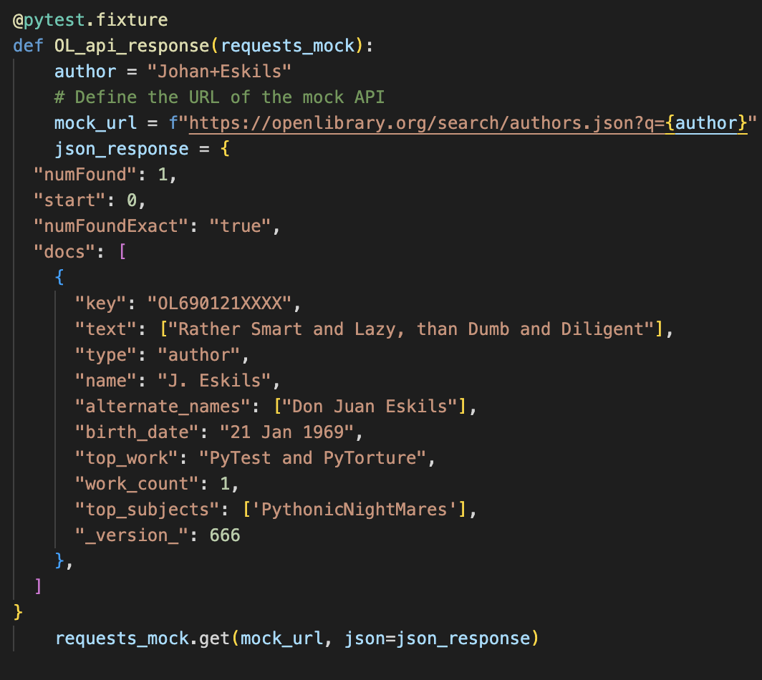
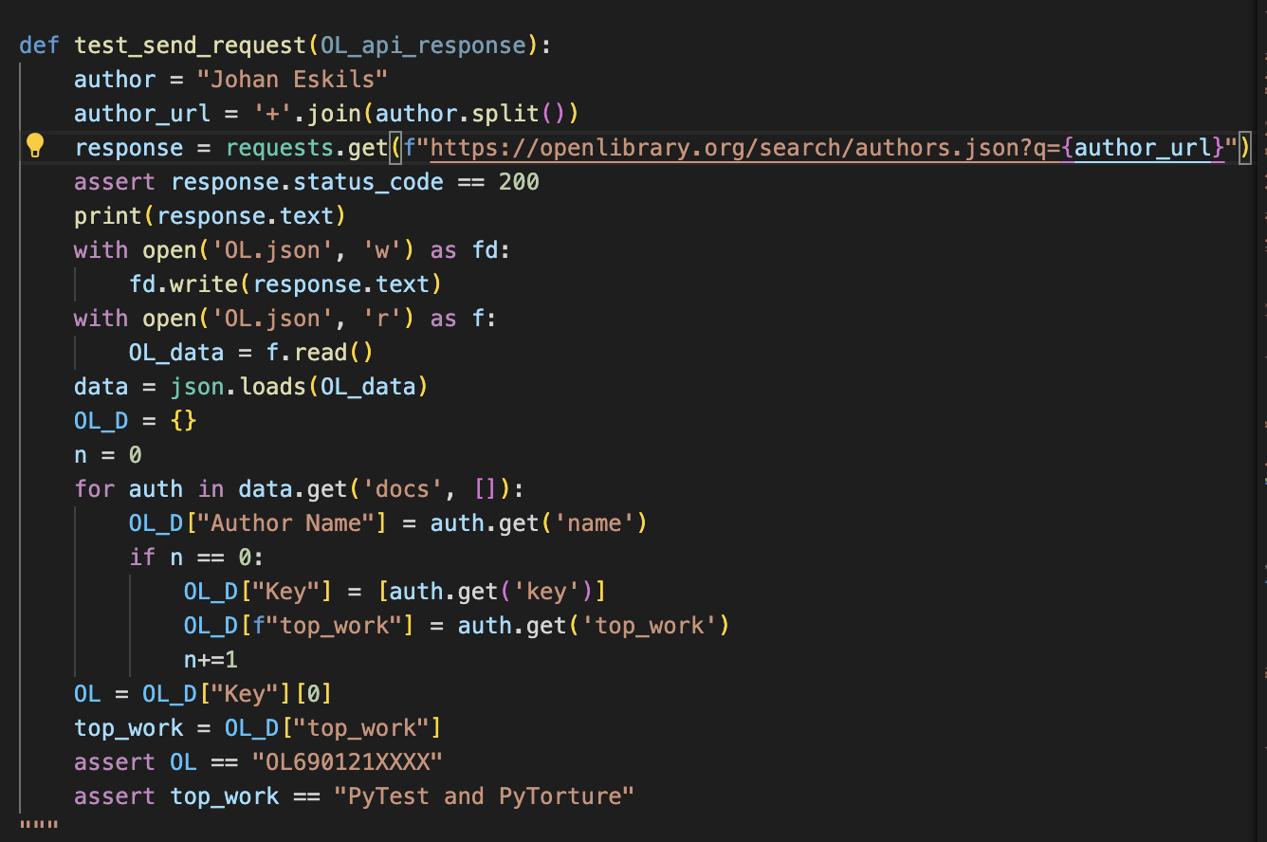
Simulation of fetching the OpenLibrary author URL, and iterating through the json response to get the author-id and top_work.
A OL.json file is created and it depends on the data provided by the simulated server and thus can be changed,
{"numFound": 1, "start": 0, "numFoundExact": "true", "docs": [{"key": "OL690121XXXX", "text": ["Rather Smart and Lazy, than Dumb and Diligent"], "type": "author", "name": "J. Eskils", "alternate_names": ["Don Juan Eskils"], "birth_date": "21 Jan 1969", "top_work": "PyTest and PyTorture", "work_count": 1, "top_subjects": ["PythonicNightMares"], "_version_": 666}]}

