TUBERÍA
 | IMPORTANCIA DE LOS SISTEMAS DE VAPOR APLICADOS A LA INDUSTRIA

Nombre: Francisco Cruz
Capacitación: Entrenamiento para aplicación de sistemas de vapor
$$V(m/s)=\frac{\dot{m}∙V_{s}}{A}=\frac{\dot{m}∙v_{s}}{900∙π∙D^{2}}$$
Cálculo | Tubería

$$D(m)=\sqrt{\frac{\dot{m}∙v_{s}}{900∙π∙V}}$$
INTRODUCE | bar
Presión de vapor | 14.0 bar g
Presión ATM | 1.01325 bar
$$\dot{m}$$
$$V$$
Flujo de descarga | 12700 kg/h
Velocidad baja | 8 m/s
$$V$$
Velocidad recomendada | 30 m/s
$$V$$
Velocidad alta | 40 m/s
Velocidad sobrecalentamiento | 60 m/s
Temperatura sobrecalentamiento | 200 °C

$$v_{s}$$
$$v_{s}$$
DATOS OBTENIDOS
Volumen específico | 0.13159003 ㎥/Kg
Volumen específico sobrecal | 0.13231012 ㎥/Kg

RESULTADOS
Velocidad baja | 272 mm | 10.70 '' | 10 ''
Velocidad recomendada | 140 mm | 5.53 '' | 6 ''
Velocidad alta | 122 mm | 4.79 '' | 6 ''

RESULTADOS
Velocidad sobrecalentamiento | 100 mm | 3.92 '' | 4 ''

FLASH
 | IMPORTANCIA DE LOS SISTEMAS DE VAPOR APLICADOS A LA INDUSTRIA

Nombre: Francisco Cruz
Capacitación: Entrenamiento para aplicación de sistemas de vapor
$$\% Flash=\frac{h_{f_{1}}−h_{f_{2}}}{h_{{fg}_{2}}}$$
Cálculo | Vapor Flash

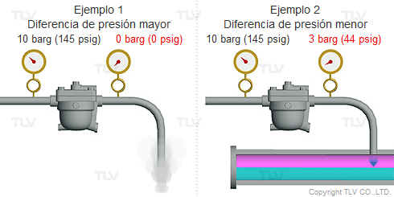
INTRODUCE | bar
Presión de vapor (Condensado) | 17.0 bar g
Presión de descarga (Sistema) | 3.0 bar g
Presión ATM | 1.00000 bar
Flujo de descarga | 100 kg/h

$$h_{f_{1}}$$
$$h_{f_{2}}$$
$$h_{{fg}_{2}}$$
DATOS OBTENIDOS
Entalpía líquido | 884.61 KJ/Kg
Entalpía líquido | 604.72 Kj
Entalpía de vaporización | 2133.33 Kg

RESULTADOS
%Flash | 13.12%
Carga de vapor flash | 13.1 Kg/h

CV Steam Valve
 | IMPORTANCIA DE LOS SISTEMAS DE VAPOR APLICADOS A LA INDUSTRIA

Nombre: Francisco Cruz
Capacitación: Entrenamiento para aplicación de sistemas de vapor
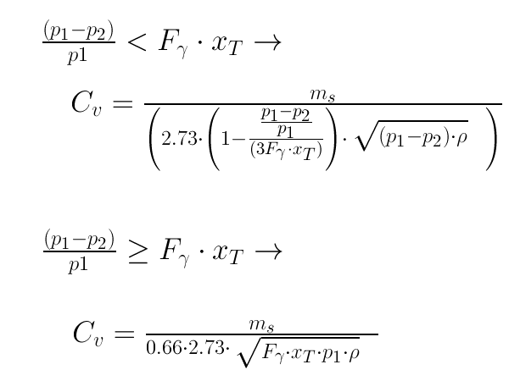
Cálculo | Cv Steam Valves

$$p_{1}$$
$$p_{2}$$
INTRODUCE | Entrada
Presión de vapor | 6.0 bar g
Presión de vapor reducida | 5.0 bar g
Presión ATM | 1.01325 bar
Temperatura | 438.18 K | 165.0 °C
$$m_{s}$$
Flujo másico de vapor | 350.0 kg/h

$$c_{p}$$
$$c_{v}$$
DATOS OBTENIDOS
Presión constante | 1.921 | 0.94015704074
Volumen constante | 1.460 | 1.316219857
$$F_{γ}$$
Relación de calores específicos | 1 | 0.72
$$x_{T}$$
Relación de presiones diferenciales | 0.72 | 0.70842601732
Cociente de presiones diferenciales | 0.143
 |  | 706.3 | A
RESULTADOS | Sin aislamiento | 5.1703 | B
Cv (US) | 7.16 | -6.0865 | C
kv | 6.20 | -6.6011 | D
Cv (UK) | 5.97 | 36.2723 | E
 |  | -63.0965 | F
 |  | 46.2085 | G
 |  | 1.9209276411
 |  | 0.461526
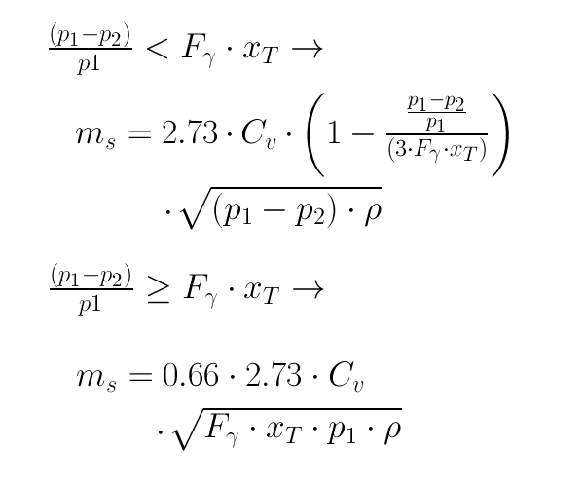
Cálculo | Rango de flujo

$$p_{1}$$
$$p_{2}$$
INTRODUCE | Entrada
Presión de vapor | 11.0 bar g
Presión de vapor reducida | 5.0 bar g
Presión ATM | 1.01325 bar
$$k_{v}$$
Valor de Kv de válvula | 5.0

$$F_{γ}$$
$$x_{T}$$
DATOS OBTENIDOS
Relación de calores específicos | 1
Relación de presiones diferenciales | 0.72
Cociente de presiones diferenciales | 0.499

$$m_{s}$$
RESULTADOS | Sin aislamiento
Flujo másico de vapor | 743 kg/h

AISLAMIENTO
 | IMPORTANCIA DE LOS SISTEMAS DE VAPOR APLICADOS A LA INDUSTRIA

Nombre: Francisco Cruz
Capacitación: Entrenamiento para aplicación de sistemas de vapor

Cálculo | Tubería
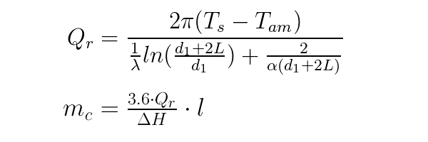
INTRODUCE | Sin aislamiento | Con aislamiento
Presión de vapor | 13.9 bar g
Presión ATM | 1.01325 bar
Temperatura ambiente | 30.0 °C
Espesor de aislamiento | 0.0 in | 2.0 in
Diametro interno tubería | 6.0 in
Longitud de tubería | 50 m
Conductividad térmica aislamiento |  | 0.05 W/m K
Coeficiente de trasnferencia exterior | 16.0 W/m^2 K

DATOS OBTENIDOS
Temperatura superficie | 198.0 °C
Entalpía de vaporización | 2,790.8 kJ/kg

RESULTADOS | Sin aislamiento | Con aislamiento
Calor perdido | 64356 W | 5211 W
Calor perdido | 55346 kcal/h | 4481 kcal/h
Condensado total | 83.0 Kg/h | 6.7 Kg/h

Porcentaje de vapor recuperado | 92%

FUNCIONES
VOLVER

Temperature
Tsat_p | 1 | bar |  |  | 99.605918611 | °C | Saturation temperature
T_ph | 1 | bar | 100 | kJ/kg | 23.844819075 | °C | Temperture as a function of pressure and enthalpy
T_ps | 1 | bar | 1 | kJ/(kg K) | 73.708594214 | °C | Temperture as a function of pressure and entropy
T_hs | 100 | kJ/kg | 0.2 | kJ/(kg K) | 13.849335112 | °C | Temperture as a function of enthalpy and entropy
Pressure
psat_T | 100 | °C |  |  | 1.0141797792 | bar | Saturation pressure
p_hs | 84 | kJ/kg | 0.296 | kJ/(kg K) | 2.2954982693 | bar | Pressure as a function of h and s.
p_hrho | 2000 | kJ/kg | 5 | kg/m3 | 6.0464690305 | bar | Pressure as a function of h and rho (density). Very unaccurate for solid water region since it's almost incompressible!
Enthalpy
hV_p | 1 | bar |  |  | 2674.9496408 | kJ/kg | Saturated vapour enthalpy
hL_p | 1 | bar |  |  | 417.43648582 | kJ/kg | Saturated liquid enthalpy
hV_T | 100 | °C |  |  | 2675.5720292 | kJ/kg | Saturated vapour enthalpy
hL_T | 100 | °C |  |  | 419.099155 | kJ/kg | Saturated liquid enthalpy
h_pT | 1 | bar | 20 | °C | 84.011811167 | kJ/kg | Entalpy as a function of pressure and temperature.
h_ps | 1 | bar | 1 | kJ/(kg K) | 308.61071708 | kJ/kg | Entalpy as a function of pressure and entropy.
h_px | 1 | bar | 0.5 |  | 1546.1930633 | kJ/kg | Entalpy as a function of pressure and vapour fraction
h_Tx | 100 | °C | 0.5 |  | 1547.3355921 | kJ/kg | Entalpy as a function of temperature and vapour fraction
h_prho | 1 | bar | 2 | kg/m3 | 1082.7733908 | kJ/kg | Entalpy as a function of pressure and density. Observe for low temperatures (liquid) this equation has 2 solutions. (Not valid!!)
Specific volume
vV_p | 1 | bar |  |  | 1.6940225229 | m3/kg | Saturated vapour volume
vL_p | 1 | bar |  |  | 0.0010431478392 | m3/kg | Saturated liquid volume
vV_T | 100 | °C |  |  | 1.6718606011 | m3/kg | Saturated vapour volume
vL_T | 100 | °C |  |  | 0.0010434554566 | m3/kg | Saturated liquid volume
v_pT | 1 | bar | 100 | °C | 1.6959594074 | m3/kg | Specific volume as a function of pressure and temperature.
v_ph | 1 | bar | 1000 | kJ/kg | 0.43792565813 | m3/kg | Specific volume as a function of pressure and enthalpy
v_ps | 1 | bar | 5 | kJ/(kg K) | 1.0346353902 | m3/kg | Specific volume as a function of pressure and entropy.
Density
rhoV_p | 1 | bar |  |  | 0.59031092354 | kg/m3 | Saturated vapour density
rhoL_p | 1 | bar |  |  | 958.63688968 | kg/m3 | Saturated liquid density
rhoV_T | 100 | °C |  |  | 0.59813599253 | kg/m3 | Saturated vapour density
rhoL_T | 100 | °C |  |  | 958.35427729 | kg/m3 | Saturated liquid density
rho_pT | 1 | bar | 100 | °C | 0.58963675406 | kg/m3 | Density as a function of pressure and temperature.
rho_ph | 1 | bar | 1000 | kJ/kg | 2.2834926007 | kg/m3 | Density as a function of pressure and enthalpy
rho_ps | 1 | bar | 1 | kJ/(kg K) | 975.62367885 | kg/m3 | Density as a function of pressure and entropy.
Specific entropy
sV_p | 0.006117 | bar |  |  | 9.1554655557 | kJ/(kg K) | Saturated vapour entropy
sL_p | 0.0061171 | bar |  |  | 1.835902512E-05 | kJ/(kg K) | Saturated liquid entropy
sV_T | 0.0001 | °C |  |  | 9.1557567159 | kJ/(kg K) | Saturated vapour entropy
sL_T | 100 | °C |  |  | 1.3070143278 | kJ/(kg K) | Saturated liquid entropy
s_pT | 1 | bar | 20 | °C | 0.29648292081 | kJ/(kg K) | Specific entropy as a function of pressure and temperature (Returns saturated vapour entalpy if mixture.)
s_ph | 1 | bar | 84.011811167 | kJ/kg | 0.29681384468 | kJ/(kg K) | Specific entropy as a function of pressure and enthalpy
Specific internal energy
uV_p | 1 | bar |  |  | 2505.5473885 | kJ/kg | Saturated vapour internal energy
uL_p | 1 | bar |  |  | 417.33217103 | kJ/kg | Saturated liquid internal energy
uV_T | 100 | °C |  |  | 2506.0153077 | kJ/kg | Saturated vapour internal energy
uL_T | 100 | °C |  |  | 418.99332986 | kJ/kg | Saturated liquid internal energy
u_pT | 1 | bar | 100 | °C | 2506.1714265 | kJ/kg | Specific internal energy as a function of pressure and temperature.
u_ph | 1 | bar | 1000 | kJ/kg | 956.20743419 | kJ/kg | Specific internal energy as a function of pressure and enthalpy
u_ps | 1 | bar | 1 | kJ/(kg K) | 308.50821855 | kJ/kg | Specific internal energy as a function of pressure and entropy.
Specific isobaric heat capacity
CpV_p | 1 | bar |  |  | 2.0759380252 | kJ/(kg°C) | Saturated vapour heat capacity
CpL_p | 1 | bar |  |  | 4.2161494308 | kJ/(kg°C) | Saturated liquid heat capacity
CpV_T | 100 | °C |  |  | 2.0774918685 | kJ/(kg°C) | Saturated vapour heat capacity
CpL_T | 100 | °C |  |  | 4.2166451189 | kJ/(kg°C) | Saturated liquid heat capacity
Cp_pT | 1 | bar | 100 | °C | 2.0741085546 | kJ/(kg°C) | Specific isobaric heat capacity as a function of pressure and temperature.
Cp_ph | 1 | bar | 200 | kJ/kg | 4.1791357317 | kJ/(kg°C) | Specific isobaric heat capacity as a function of pressure and enthalpy
Cp_ps | 1 | bar | 1 | kJ/(kg K) | 4.1906070379 | kJ/(kg°C) | Specific isobaric heat capacity as a function of pressure and entropy.
Specific isochoric heat capacity
CvV_p | 1 | bar |  |  | 1.5526969793 | kJ/(kg°C) | Saturated vapour isochoric heat capacity
CvL_p | 1 | bar |  |  | 3.7696996827 | kJ/(kg°C) | Saturated liquid isochoric heat capacity
CvV_T | 100 | °C |  |  | 1.553698696 | kJ/(kg°C) | Saturated vapour isochoric heat capacity
CvL_T | 100 | °C |  |  | 3.7677002201 | kJ/(kg°C) | Saturated liquid isochoric heat capacity
Cv_pT | 1 | bar | 100 | °C | 1.5513972495 | kJ/(kg°C) | Specific isochoric heat capacity as a function of pressure and temperature.
Cv_ph | 1 | bar | 200 | kJ/kg | 4.0351763636 | kJ/(kg°C) | Specific isochoric heat capacity as a function of pressure and enthalpy
Cv_ps | 1 | bar | 1 | kJ/(kg K) | 3.9029194681 | kJ/(kg°C) | Specific isochoric heat capacity as a function of pressure and entropy.
Speed of sound
wV_p | 1 | bar |  |  | 472.05415711 | m/s | Saturated vapour speed of sound
wL_p | 1 | bar |  |  | 1545.4519475 | m/s | Saturated liquid speed of sound
wV_T | 100 | °C |  |  | 472.25594924 | m/s | Saturated vapour speed of sound
wL_T | 100 | °C |  |  | 1545.0922492 | m/s | Saturated liquid speed of sound
w_pT | 1 | bar | 100 | °C | 472.33752352 | m/s | Speed of sound as a function of pressure and temperature.
w_ph | 1 | bar | 200 | kJ/kg | 1542.682475 | m/s | Speed of sound as a function of pressure and enthalpy
w_ps | 1 | bar | 1 | kJ/(kg K) | 1557.8585355 | m/s | Speed of sound as a function of pressure and entropy.
Dynamic Viscosity
Viscosity is not part of IAPWS Steam IF97. Equations from "Revised Release on the IAPWS Formulation 1985 for the Viscosity of Ordinary Water Substance", 2003 are used.
Viscosity in the mixed region (4) is interpolated according to the density. This is not true since it will be two fases.
my_pT | 1 | bar | 100 | °C | 1.2270405707E-05 | Pa s | Viscosity as a function of pressure and temperature.
my_ph | 1 | bar | 100 | kJ/kg | 9.1400E-04 | Pa s | Viscosity as a function of pressure and enthalpy
my_ps | 1 | bar | 1 | kJ/(kg K) | 3.8422E-04 | Pa s | Viscosity as a function of pressure and entropy.
Prandtl
Calcualted as Cp*my/tc
pr_pT | 1 | bar | 200 | °C | 9.5781E-01 | -
pr_ph | 1 | bar | 2875.4750649 | kJ/kg | 9.5781E-01 | -
Thermal Conductivity
Revised release on the IAPS Formulation 1985 for the Thermal Conductivity of ordinary water substance (IAPWS 1998)
tcL_p | 100 | bar |  |  | 0.52454019458 | W/(m K) | Saturated vapour thermal conductivity
tcV_p | 1 | bar |  |  | 0.024753667592 | W/(m K) | Saturated liquid thermal conductivity
tcL_T | 100 | °C |  |  | 0.67775751159 | W/(m K) | Saturated vapour thermal conductivity
tcV_T | 100 | °C |  |  | 0.024793871441 | W/(m K) | Saturated liquid thermal conductivity
tc_pT | 100 | bar | 350 | °C | 0.068545303753 | W/(m K) | Thermal conductivity as a function of pressure and temperature.
tc_ph | 1 | bar | 350 | kJ/(kg K) | 0.66929633216 | W/(m K) | Thermal conductivity as a function of pressure and enthalpy
tc_hs | 100 | kJ/(kg K) | 0.34 | kJ/(kg K) | 0.60628312385 | W/(m K) | Thermal conductivity as a function of enthalpy and entropy
Surface Tension
IAPWS Release on Surface Tension of Ordinary Water Substance, September 1994
st_T | 100 | °C |  |  | 0.075507661586 | N/m | Surface tension for two phase water/steam as a function of T
st_p | 1 | bar |  |  | 0.058987784181 | N/m | Surface tension for two phase water/steam as a function of T
Vapour fraction
x_ph | 1 | bar | 1000 | kJ/kg | 0.2580554239 |  | Vapour fraction as a function of pressure and enthalpy
x_ps | 1 | bar | 4 | kJ/(kg K) | 0.44539796073 |  | Vapour fraction as a function of pressure and entropy.
Vapour Volume Fraction
Observe that vapour volume fraction is very sensitive. Vapour volume is about 1000 times greater than liquid volume and therfore vapour volume fraction
gets close to the accurancy of steam IF-97
vx_ph | 1 | bar | 418 | kJ/kg | 0.2885 |  | Vapour volume fraction as a function of pressure and enthalpy
vx_ps | 1 | bar | 4 | kJ/(kg K) | 0.9992 |  | Vapour volume fraction as a function of pressure and entropy.

Version history
News in V2.6
* Error in valid region for function tc_ptrho
* Error in function h3_pt for temperatures near the saturation point.
News in V2.5
* DLL distrubution for use in other applications
* Freebasic translation
* Fixed small error in Cv Region 5 p>1000bar
News in V2.4a
* ToSIUnit for h_ps region 4. (No effect in SI unit version).
News in V2.4
* Functions by p,rho inplemented in matlab also.
* Many missing ; in matlab causing printouts detected.
* OpenOffice version introduced. (Fixed calculation differences in open office and excel)
* Matlab error giving varaible undefined in some backwards solutions fixed.
News in V2.3
* Option Explicit, gives more efficient calculations.
* Extensive testing
* my_ph not defined in region 4.
* Problems at region border for h4V_p to adress solver problems at the exact border.
* Problem at fast border check in region_ph fixed.
News in V2.2
* Extensive testing
* Fixed error in Cp_ph
* Function p_hrho added. (Very good for calcualting pressure when heating a volume with water/steam mixture.)
* Fixed error in T_hs return no value for vet region bellow the water saturation line.
* Prandtl number added
News in V2.1
* Calling function h_prho
* Fixed problem with Cv reporting NaN in region 5.
* Equivivalent to the Matlab version. (Downloadable from www.x-eng.com)
News in V2
* Calling functions of h and s added.
* Thermal conductivity, Surface tension added
* Calling functions h_px and h_tx added.
* Cp, Cv and w undefined in the mixed region. (Before interpolation with the vapor fraction was used.)
* A work sheet "Properties" for simple lookups added.

