Analytics Dashboard
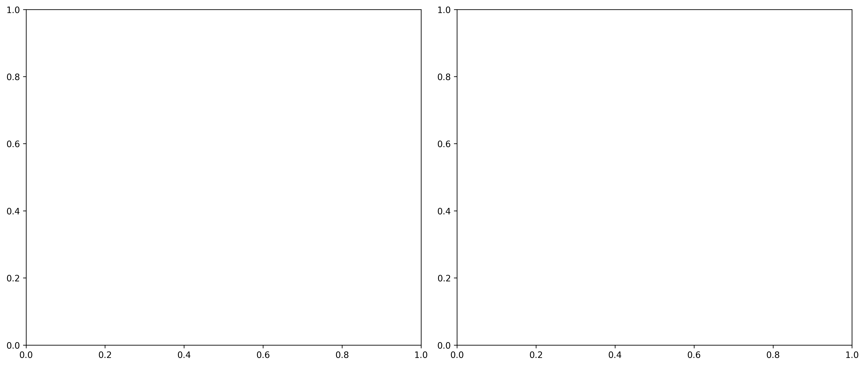
AUDIT ANALYTICS DASHBOARD - PIVOT DATA & CHARTS

Work Request | Week Ending | Change Type | Financial Impact | Risk Level | Changed By | Change Date | Change Hour | Day of Week | Impact Category | User Department | Approval Status
89708709 | 2024-08-17 | Quantity | 4.5 | LOW RISK | john.doe@linetec.com | 2024-08-19 14:30:00 | 14 | Monday | Minor | Office | Auto-Approved
89700562 | 2024-08-17 | Redlined Total Price | 400 | MEDIUM RISK | jane.smith@linetec.com | 2024-08-18 09:15:00 | 9 | Sunday | Moderate | Office | Auto-Approved
89713058 | 2024-08-10 | Quantity | 0.25 | LOW RISK | mike.jones@linetec.com | 2024-08-12 16:45:00 | 16 | Monday | Minor | Office | Auto-Approved
89699991 | 2024-08-03 | Redlined Total Price | 1700 | HIGH RISK | susan.davis@linetec.com | 2024-08-05 11:20:00 | 11 | Monday | Critical | Office | Pending
89700661 | 2024-08-17 | Quantity | -0.25 | LOW RISK | tom.wilson@linetec.com | 2024-08-19 13:10:00 | 13 | Monday | Minor | Office | Auto-Approved

RISK LEVEL DISTRIBUTION |  |  |  | TIME PATTERN ANALYSIS |  |  |  | TOP USERS BY IMPACT
Risk Level | Count | Percentage |  | Hour Range | Changes | Risk Level |  | User | Changes | Financial Impact | Risk Score
HIGH RISK | 1 | 20.0% |  | Midnight-6AM | 0 | HIGH |  | susan.davis | 1 | $1,700.00 | 77
MEDIUM RISK | 1 | 20.0% |  | 6AM-Noon | 2 | NORMAL |  | jane.smith | 1 | $400.00 | 14
LOW RISK | 3 | 60.0% |  | Noon-6PM | 3 | NORMAL |  | john.doe | 1 | $4.50 | 10
 |  |  |  | 6PM-Midnight | 0 | HIGH |  | mike.jones | 1 | $0.25 | 10
 |  |  |  |  |  |  |  | tom.wilson | 1 | $0.25 | 10

📊 SEABORN VISUALIZATIONS - BEAUTIFUL AUDIT ANALYTICS

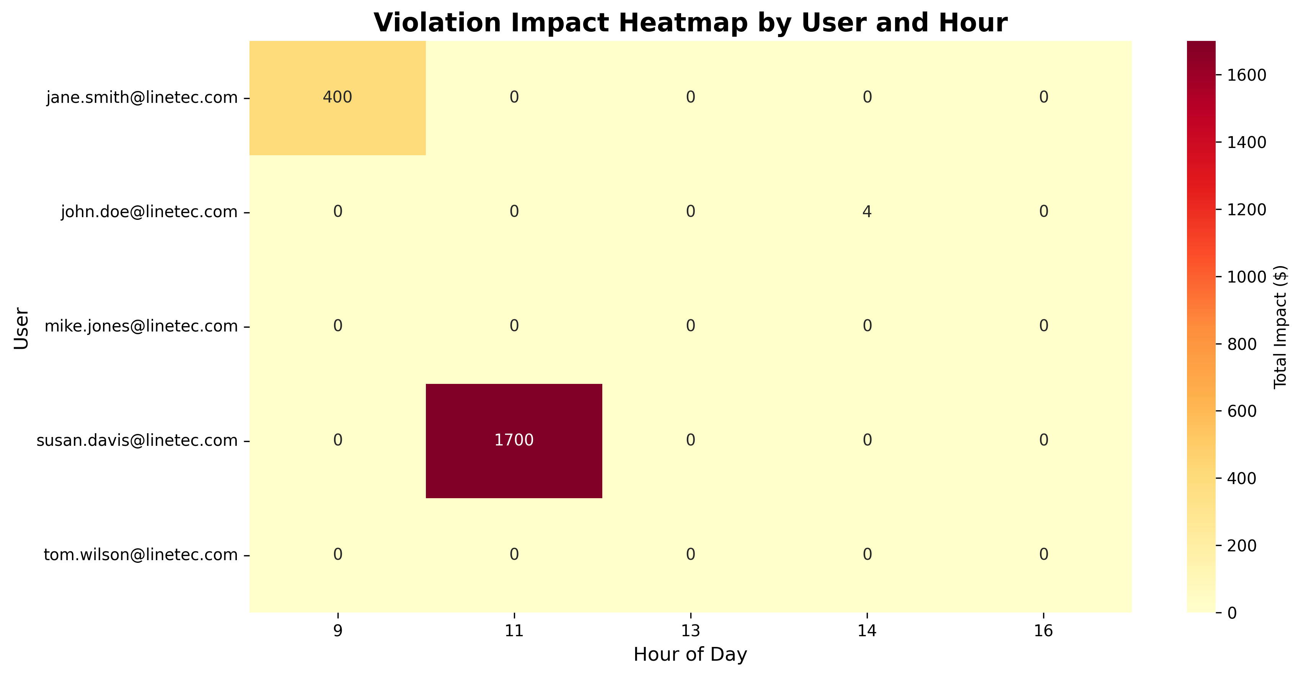
Violation Heatmap: User Activity by Hour

After-Hours vs Business Hours Changes

