Analytics Dashboard
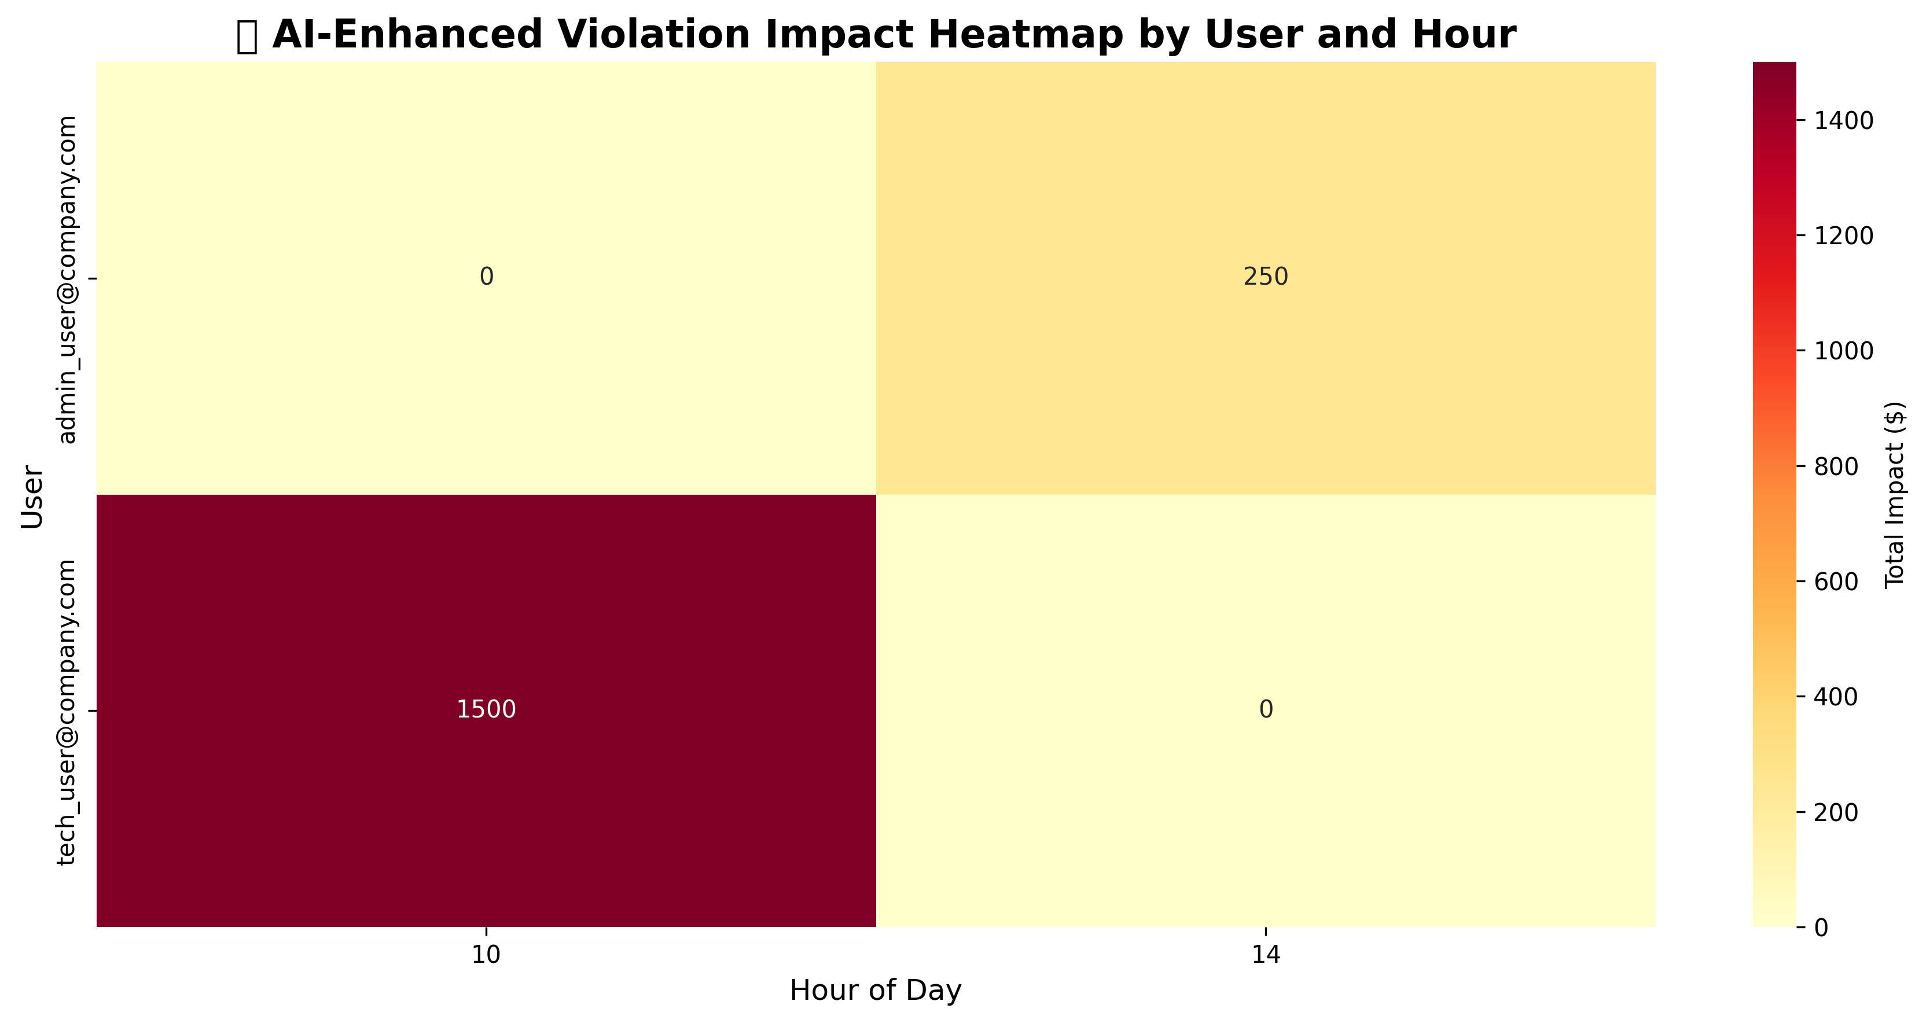
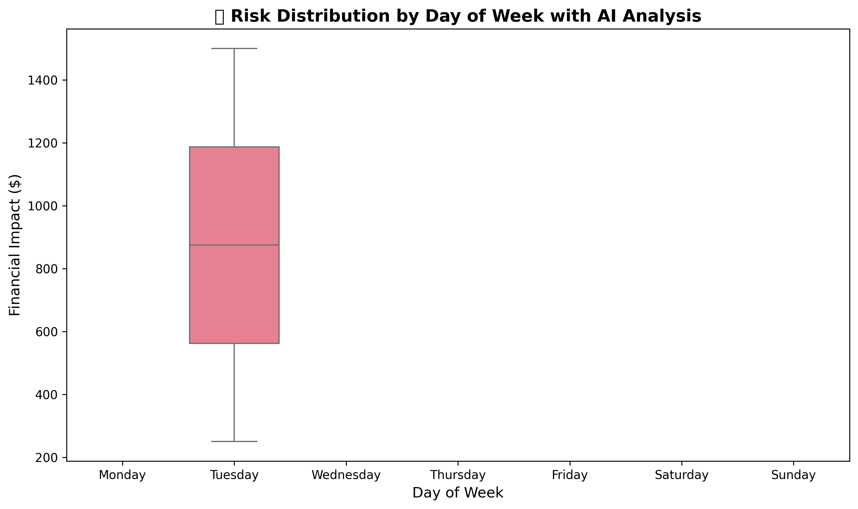
📊 AI-ENHANCED SEABORN VISUALIZATIONS - ANALYTICS DASHBOARD

🤖 AI-Enhanced Violation Heatmap | 📊 AI Risk Distribution Analysis

