Analytics Dashboard
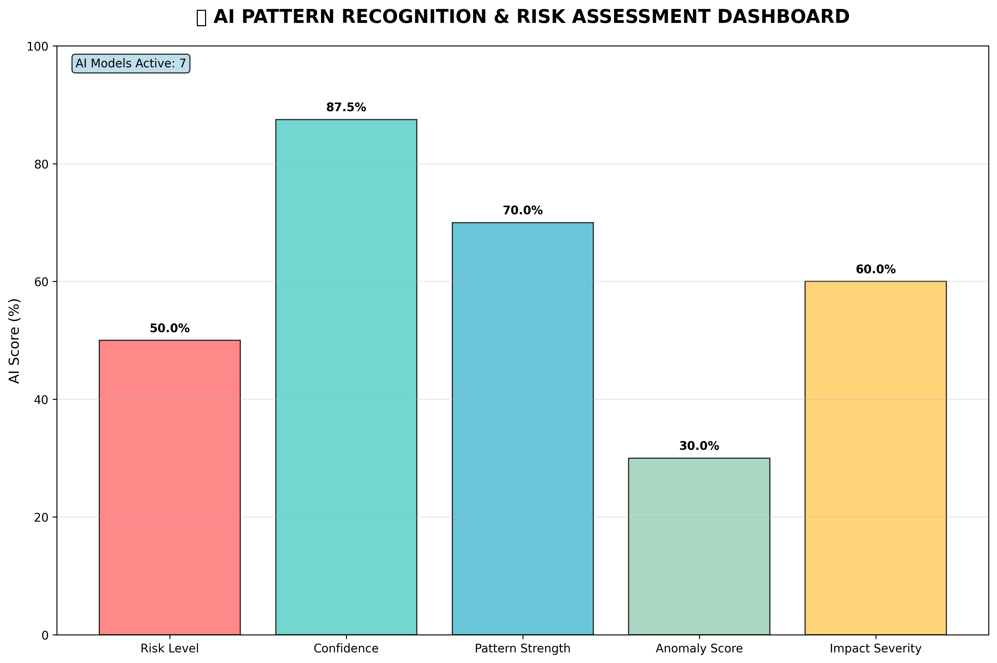
📊 AI-ENHANCED SEABORN VISUALIZATIONS - ANALYTICS DASHBOARD

🤖 AI-Enhanced Violation Heatmap | 📊 AI Risk Distribution Analysis
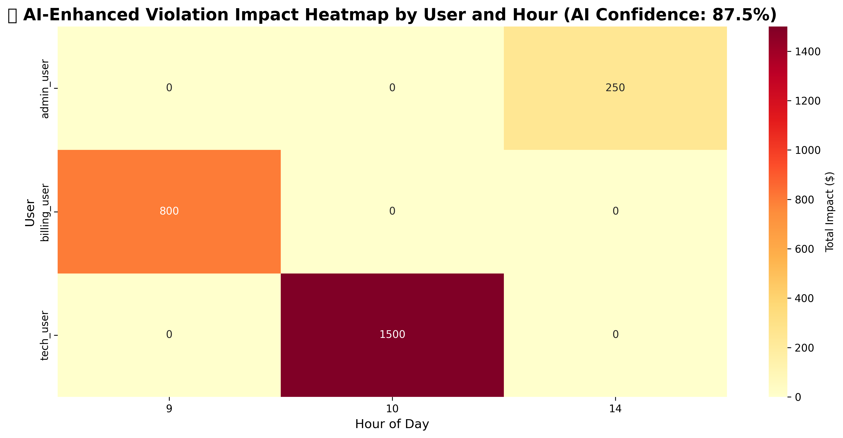
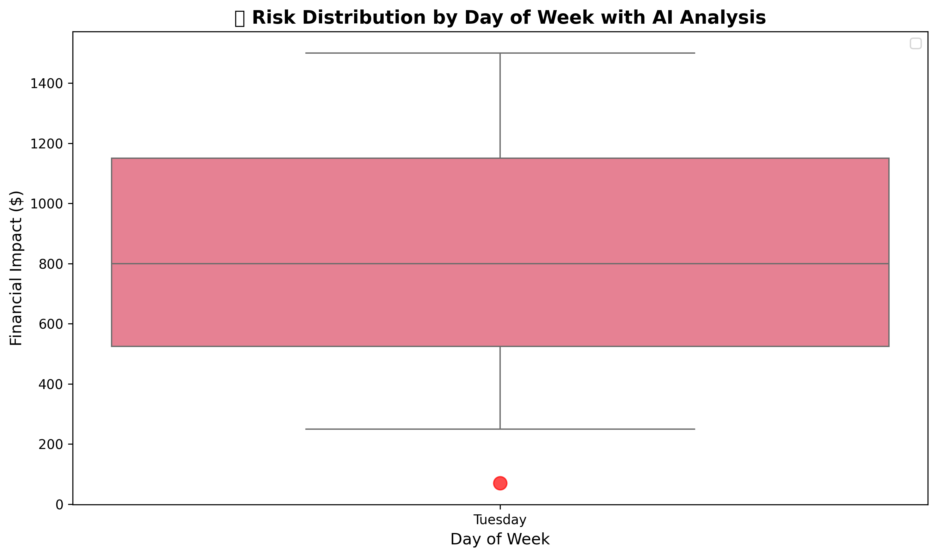

🎯 AI CONFIDENCE VS FINANCIAL IMPACT ANALYSIS
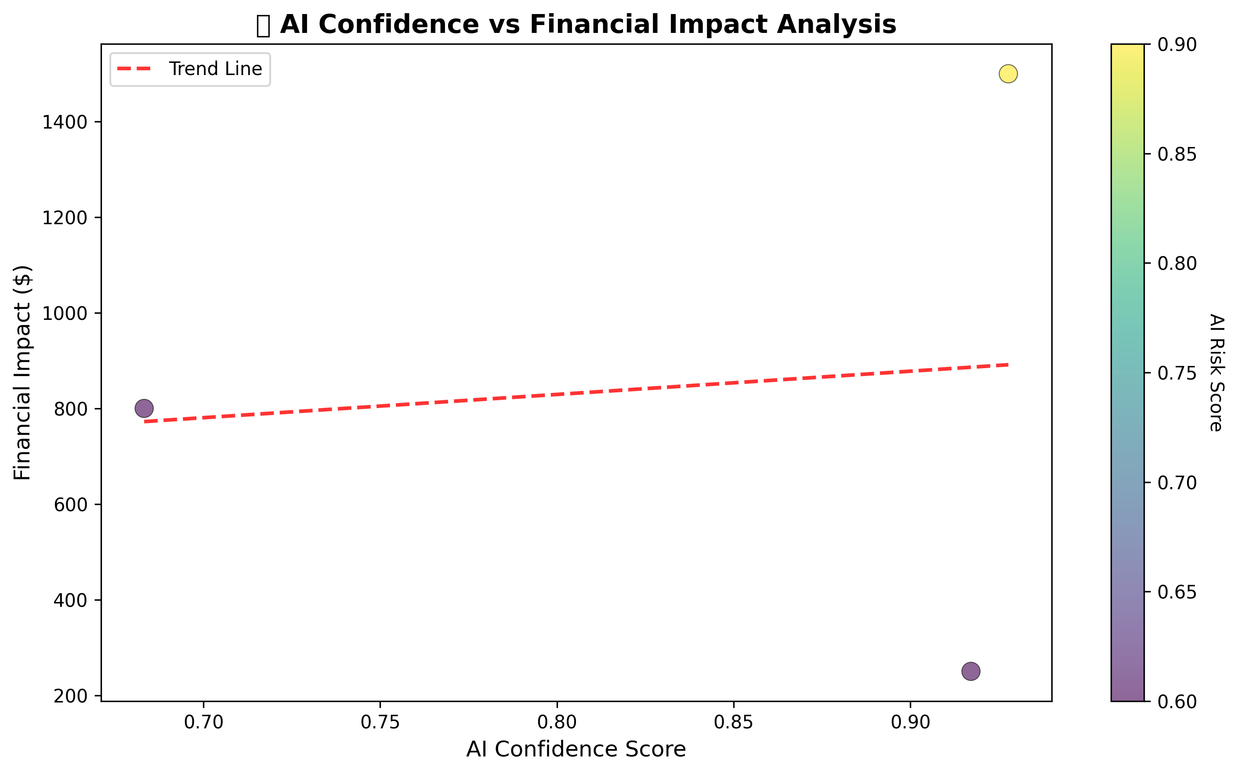

🤖 AI PATTERN RECOGNITION & RISK ASSESSMENT DASHBOARD

