AI Analytics Dashboard
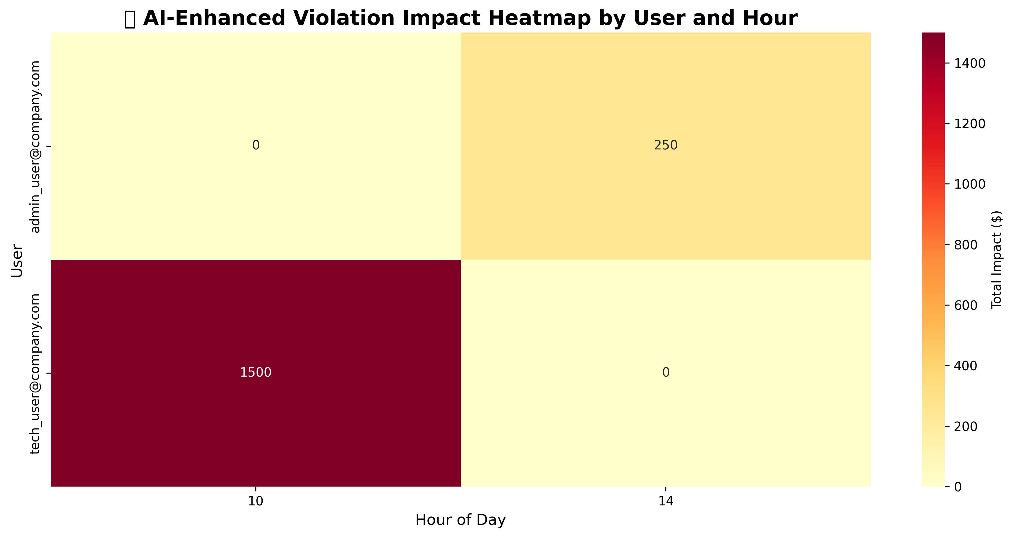
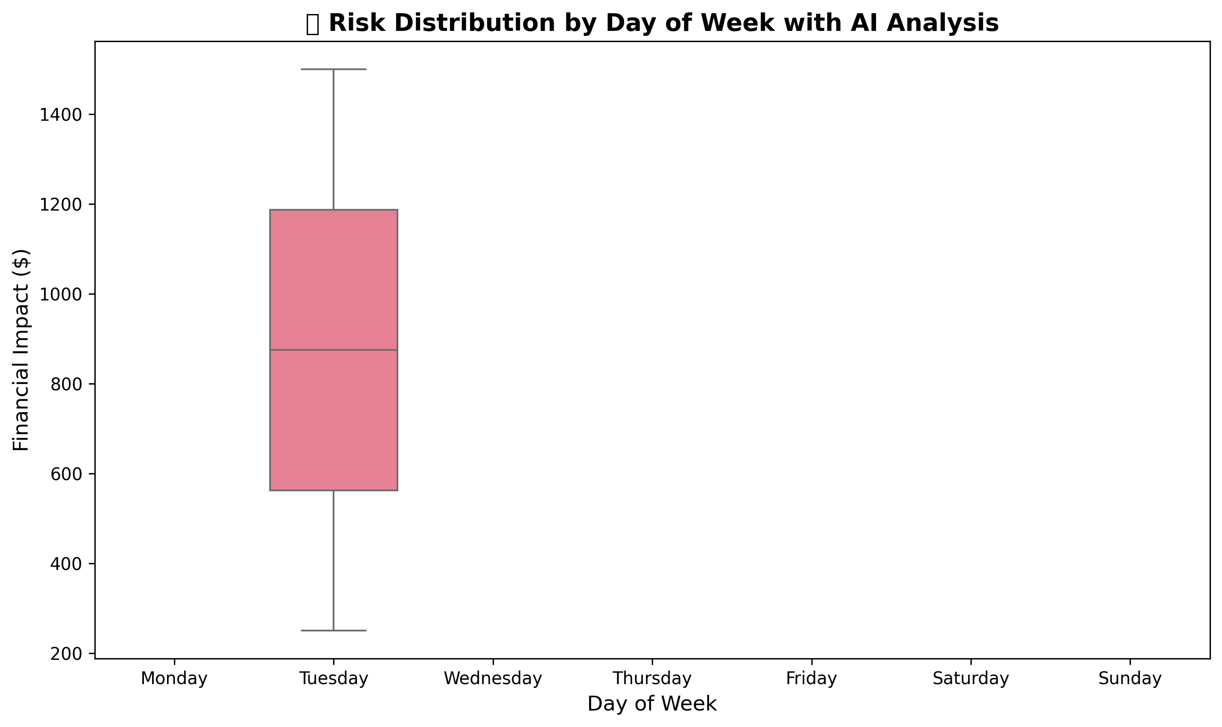
🤖 AI-ENHANCED SEABORN VISUALIZATIONS - COMPREHENSIVE ANALYTICS

🤖 AI-Enhanced Violation Impact Heatmap | 📊 AI Risk Distribution Analysis

