AI Analytics Dashboard
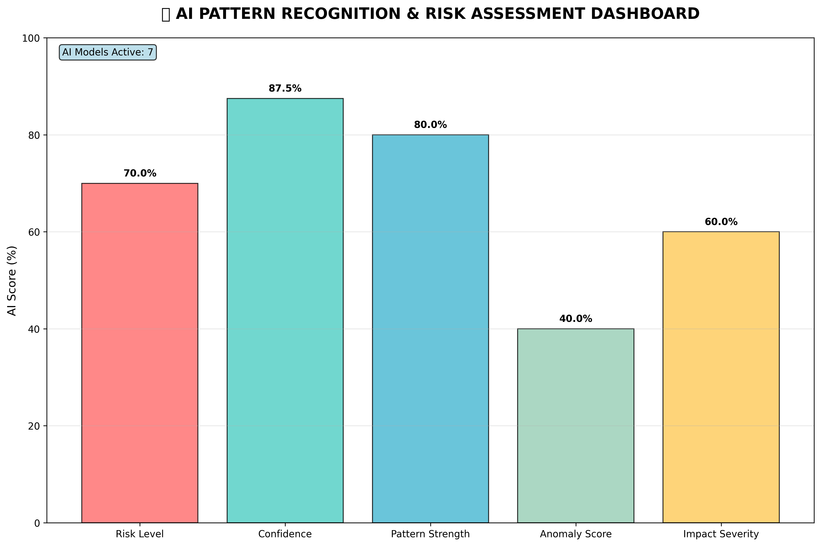
🤖 AI-ENHANCED SEABORN VISUALIZATIONS - COMPREHENSIVE ANALYTICS

🤖 AI-Enhanced Violation Impact Heatmap | 📊 AI Risk Distribution Analysis
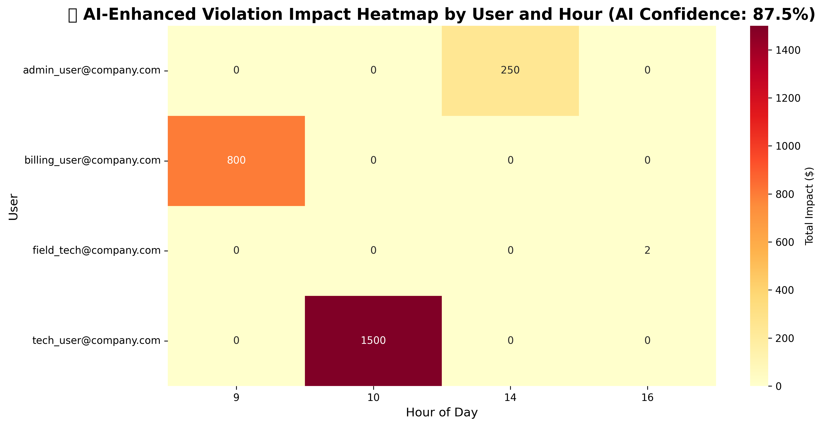
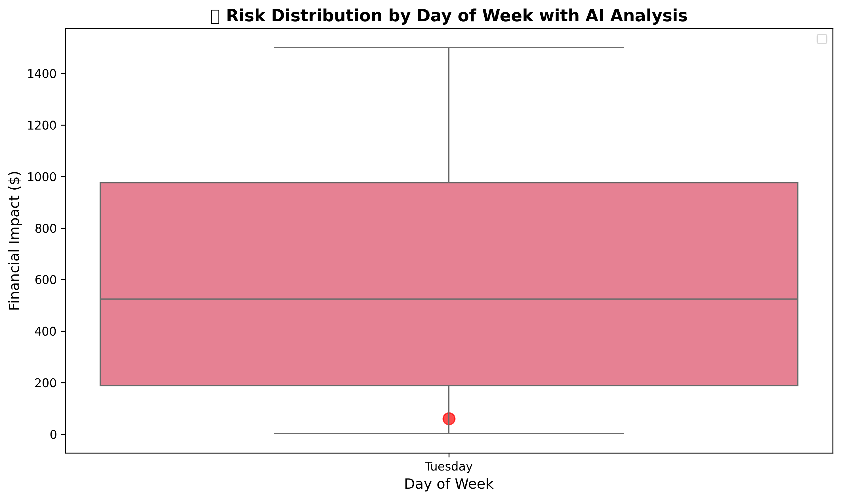

🎯 AI CONFIDENCE VS FINANCIAL IMPACT ANALYSIS
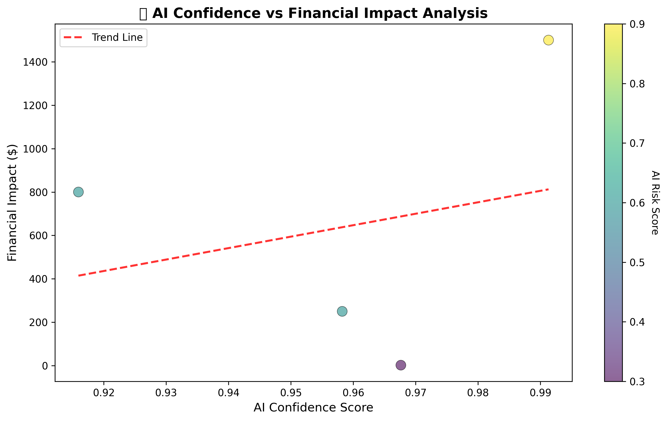

🚨 AI ANOMALY DETECTION & TIMELINE ANALYSIS
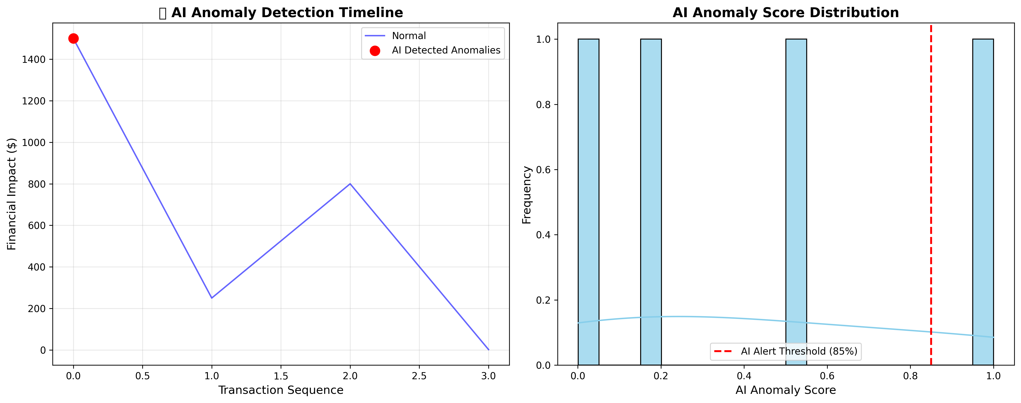

🤖 AI PATTERN RECOGNITION & COMPREHENSIVE RISK DASHBOARD

