Sheet1
Pumping rate (gpm) | analytical_xstag | modpath_xstag | Percent_difference_xstag | Xstag_Status | analytical_ymax | modpath_ymax | Percent_difference_ymax | Ymax_Status | modpath_ymin | Percent_difference_ymin | Ymin_Status | Does it make a pathline using the perl script
2.5 | 51.087847076 | 55.194829379 | -7.728413397 | pass | 160.49720506 | 148.41899889 | 7.8197297616 | pass | -148.09869362 | 8.0354350069 | pass | yes
25 | 510.87847076 | 489.56733221 | 4.2603284418 | pass | 1604.9720506 | 1440.6425967 | 10.791217731 | pass | -1437.5458282 | 11.005767531 | pass | not really, but all the points are there?
50 | 1021.7569415 | 1027.4323006 | -0.55391264139 | pass | 3209.9441012 | 2791.1765319 | 13.956312326 | pass | -2785.1635838 | 14.170905337 | pass
75 | 1532.6354123 | 1637.9484585 | -6.6431326543 | pass | 4814.9161518 | 4059.8715035 | 17.015497782 | pass | -4051.0955673 | 17.230308481 | pass
100 | 2043.513883 | 2352.0613564 | -14.039003161 | pass | 6419.8882025 | 5253.9519719 | 19.975196047 | pass | -5242.548642 | 20.190284005 | fail
125 | 2554.3923538 | 3225.7172125 | -23.228793538 | fail | 8024.8602531 | 6379.8550396 | 22.839815714 | fail | -6365.9446542 | 23.055216294 | fail
150 | 3065.2708246 | 4387.7749746 | -35.488958089 | fail | 9629.8323037 | 7443.2618416 | 25.614226027 | fail | -7426.9547716 | 25.829923564 | fail | not really, but all the points are there?

Sheet3
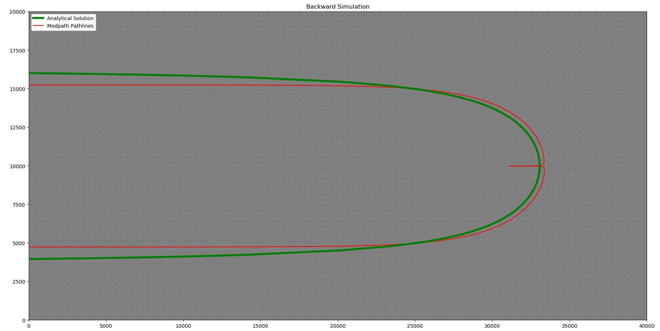
100

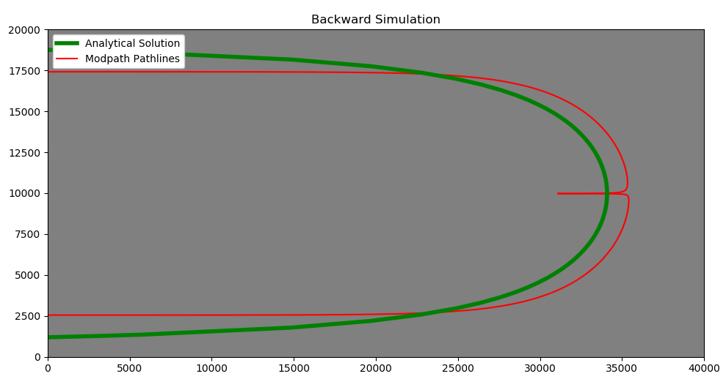

150

