Sheet1
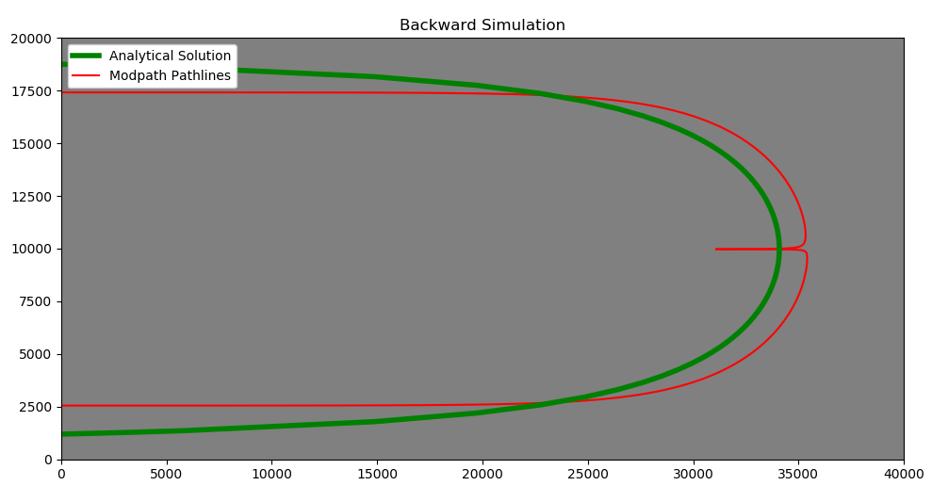
Pumping rate (gpm) | Pumping rate (cubic feet per day) | analytical_xstag | modpath_xstag | Percent_difference_xstag | Xstag_Status | analytical_ymax | modpath_ymax | Percent_difference_ymax | Ymax_Status | modpath_ymin | Percent_difference_ymin | Ymin_Status | Does it make a pathline using the perl script
2.5 | 481.25 | 51.087847076 | 55.194829379 | -7.728413397 | pass | 160.49720506 | 148.41899889 | 7.8197297616 | pass | -148.09869362 | 8.0354350069 | pass | yes
25 | 4812.5 | 510.87847076 | 489.56733221 | 4.2603284418 | pass | 1604.9720506 | 1440.6425967 | 10.791217731 | pass | -1437.5458282 | 11.005767531 | pass | not really, but all the points are there?
51.9 | 10000 | 1061.5657272 | 1059.8999648 | 0.15703883192 | pass | 3335.00709 | 2864.3887158 | 15.182717444 | pass | -2858.2159568 | 15.39718914 | pass | not really, but all the points are there?
150 | 28875 | 3065.2708246 | 4387.7749746 | -35.488958089 | fail | 9629.8323037 | 7443.2618416 | 25.614226027 | fail | -7426.9547716 | 25.829923564 | fail | not really, but all the points are there?

