2014
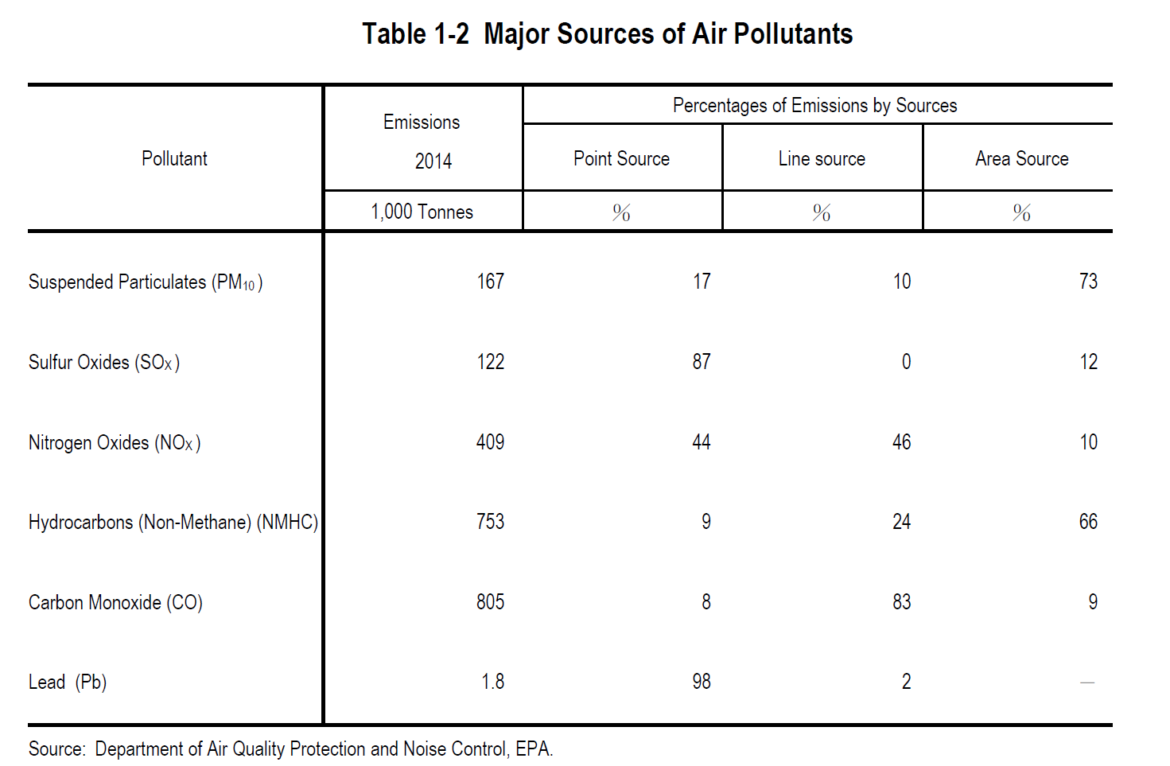
Source: | http://web.epa.gov.tw/en/statistics/c1020.pdf

Regulations
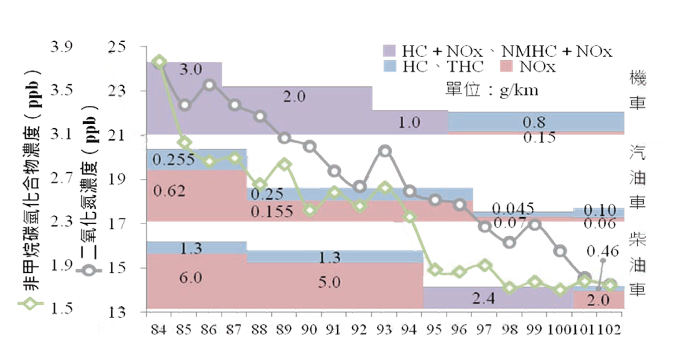
Unit
Diesel vehicles
Motorcycle
Gasoline vehicles
1995 1996 1997 1998 1999 2000 2001 2002 2003 2004 2005 2006 2007 2008 2009 2010 2011 2012 2013
Monitored NMHC content
Monitored NOx
Source: 2015 Taiwan Environmental Quality Report
 | http://www.epa.gov.tw/np.asp?ctNode=31054&mp=epa

1. Fuel sulfur content control
Fuel type | 1993 | 1996 | 2013
fuel oil | <1% | <0.5%
Gasoline | <0.05% |  | <0.001%
Diesel | <0.3% |  | <0.001%

2. Vehicle emissions standards

CO

NOx and NMHC
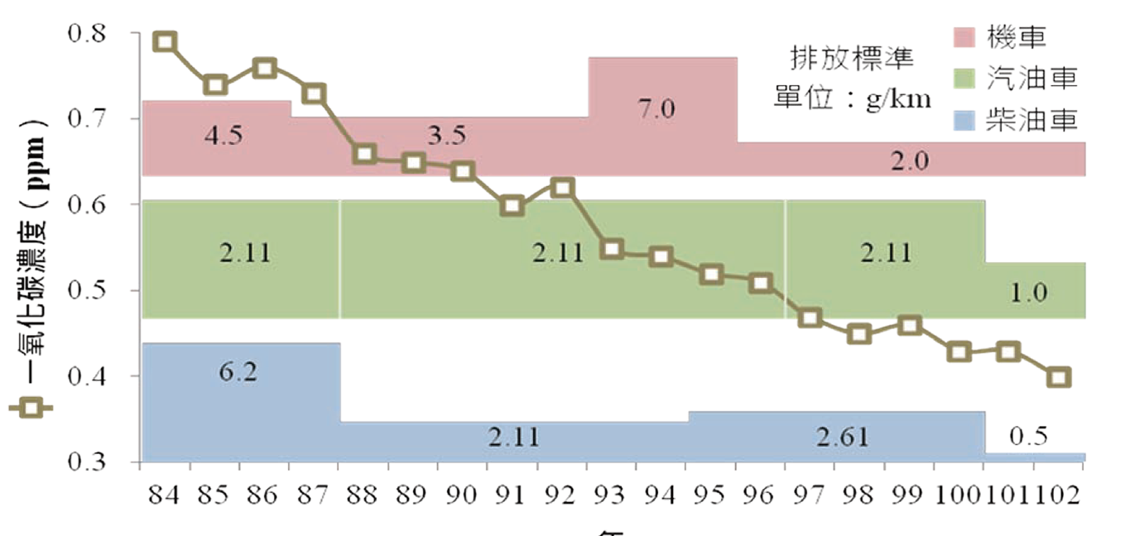
Motorcycle
Gasoline vehicles
Diesel vehicles
Monitored CO content
1995 1996 1997 1998 1999 2000 2001 2002 2003 2004 2005 2006 2007 2008 2009 2010 2011 2012 2013
Unit

