Sheet2
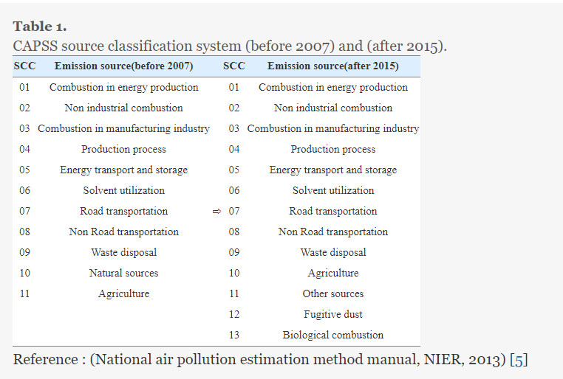
 |  | (01), non-industry (02), and manufacturing industry combustion (03) and emissions from manufacturing processes are included in the production process (04). Gasoline evaporation at gas stations and gas stations corresponds to energy transport and storage (05) and emissions from the use of paint, etc. (06) emissions. Automobiles are classified as non-road sources (07), aviation, ships, and construction machinery, and include sources of emissions from waste disposal (09) and agricultural activities (10). Other forest fires and fires are classified as other sources of cotton pollution (11), road recidivism, and construction activities, such as scattering dust (12), meat roasting, and charcoal kilns (13) as biological combustion sources.

Reference | https://www.istans.or.kr/mainMenu.do

