sinter_percent
 | iso | 1920 | 1921 | 1922 | 1923 | 1924 | 1925 | 1926 | 1927 | 1928 | 1929 | 1930 | 1931 | 1932 | 1933 | 1934 | 1935 | 1936 | 1937 | 1938 | 1939 | 1940 | 1941 | 1942 | 1943 | 1944 | 1945 | 1946 | 1947 | 1948 | 1949 | 1950 | 1951 | 1952 | 1953 | 1954 | 1955 | 1956 | 1957 | 1958 | 1959 | 1960 | 1961 | 1962 | 1963 | 1964 | 1965 | 1966 | 1967 | 1968 | 1969 | 1970 | 1971 | 1972 | 1973 | 1974 | 1975 | 1976 | 1977 | 1978 | 1979 | 1980 | 1981 | 1982 | 1983 | 1984 | 1985 | 1986 | 1987 | 1988 | 1989 | 1990 | 1991 | 1992 | 1993 | 1994 | 1995 | 1996 | 1997 | 1998 | 1999 | 2000 | 2001 | 2002 | 2003 | 2004 | 2005 | 2006 | 2007 | 2008 | 2009 | 2010 | 2011 | 2012 | 2013 | 2014 | 2015 | 2016 | 2017 | 2018 | 2019
 | chn | 0 | 0 | 0 | 0 | 0 | 0 | 0 | 0 | 0 | 0 | 0 | 0 | 0 | 0 | 0 | 0 | 0 | 0 | 0 | 0 | 0 | 0 | 0 | 0 | 0 | 0 | 0 | 0 | 0 | 0 | 0 | 0 | 0 | 0 | 0 | 0 | 0 | 0 | 0 | 0 | 0 | 0 | 0 | 0 | 0 | 0 | 0 | 0.012903225806 | 0.031612903226 | 0.050322580645 | 0.069032258065 | 0.087741935484 | 0.1064516129 | 0.12516129032 | 0.14387096774 | 0.16258064516 | 0.18129032258 | 0.2 | 0.21870967742 | 0.23741935484 | 0.25612903226 | 0.27483870968 | 0.2935483871 | 0.31225806452 | 0.33096774194 | 0.34967741935 | 0.36838709677 | 0.38709677419 | 0.40580645161 | 0.42451612903 | 0.44322580645 | 0.46193548387 | 0.48064516129 | 0.49935483871 | 0.51806451613 | 0.53677419355 | 0.55548387097 | 0.57419354839 | 0.59290322581 | 0.61161290323 | 0.63032258065 | 0.64903225806 | 0.66774193548 | 0.6864516129 | 0.70516129032 | 0.72387096774 | 0.74258064516 | 0.78 | 0.78 | 0.78 | 0.78 | 0.78 | 0.78 | 0.78 | 0.78 | 0.78 | 0.78 | 0.78 | 0.78 | 0.78
 | jpn | 0 | 0 | 0 | 0 | 0 | 0 | 0 | 0 | 0 | 0 | 0 | 0 | 0 | 0 | 0 | 0 | 0 | 0 | 0 | 0 | 0 | 0 | 0 | 0 | 0 | 0 | 0 | 0 | 0 | 0 | 0 | 0.033333333333 | 0.066666666667 | 0.1 | 0.13333333333 | 0.16666666667 | 0.2 | 0.23333333333 | 0.26666666667 | 0.3 | 0.33333333333 | 0.36666666667 | 0.4 | 0.43333333333 | 0.46666666667 | 0.5 | 0.53333333333 | 0.56666666667 | 0.6 | 0.63333333333 | 0.66666666667 | 0.7 | 0.73333333333 | 0.76666666667 | 0.8 | 0.83333333333 | 0.86666666667 | 0.9 | 0.9 | 0.9 | 0.9 | 0.9 | 0.9 | 0.9 | 0.9 | 0.9 | 0.9 | 0.9 | 0.9 | 0.9 | 0.9 | 0.9 | 0.9 | 0.9 | 0.9 | 0.9 | 0.9 | 0.9 | 0.9 | 0.9 | 0.9 | 0.9 | 0.9 | 0.9 | 0.9 | 0.9 | 0.9 | 0.9 | 0.9 | 0.9 | 0.9 | 0.9 | 0.9 | 0.9 | 0.9 | 0.9 | 0.9 | 0.9 | 0.9 | 0.9
 | swe | 0.1 | 0.115 | 0.13 | 0.145 | 0.16 | 0.175 | 0.19 | 0.205 | 0.22 | 0.235 | 0.25 | 0.305 | 0.36 | 0.415 | 0.47 | 0.525 | 0.58 | 0.635 | 0.69 | 0.745 | 0.8 | 0.81 | 0.82 | 0.83 | 0.84 | 0.85 | 0.86 | 0.87 | 0.88 | 0.89 | 0.9 | 0.91 | 0.92 | 0.93 | 0.94 | 0.95 | 0.96 | 0.97 | 0.98 | 0.98 | 0.98 | 0.98 | 0.98 | 0.98 | 0.98 | 0.98 | 0.98 | 0.98 | 0.98 | 0.98 | 0.98 | 0.98 | 0.98 | 0.98 | 0.98 | 0.98 | 0.98 | 0.98 | 0.98 | 0.98 | 0.98 | 0.98 | 0.98 | 0.98 | 0.98 | 0.98 | 0.98 | 0.98 | 0.98 | 0.98 | 0.98 | 0.98 | 0.98 | 0.98 | 0.98 | 0.98 | 0.98 | 0.98 | 0.98 | 0.98 | 0.98 | 0.98 | 0.98 | 0.98 | 0.98 | 0.98 | 0.98 | 0.98 | 0.98 | 0.98 | 0.98 | 0.98 | 0.98 | 0.98 | 0.98 | 0.98 | 0.98 | 0.98 | 0.98 | 0.98
 | fra | 0 | 0 | 0 | 0 | 0 | 0 | 0 | 0 | 0 | 0 | 0.0069230769231 | 0.0080769230769 | 0.0092307692308 | 0.010384615385 | 0.011538461538 | 0.012692307692 | 0.013846153846 | 0.015 | 0.016153846154 | 0.017307692308 | 0.018461538462 | 0.019615384615 | 0.020769230769 | 0.021923076923 | 0.023076923077 | 0.024230769231 | 0.025384615385 | 0.026538461538 | 0.027692307692 | 0.028846153846 | 0.03 | 0.035625 | 0.04125 | 0.046875 | 0.0525 | 0.058125 | 0.06375 | 0.069375 | 0.075 | 0.1195 | 0.164 | 0.2085 | 0.253 | 0.2975 | 0.342 | 0.3865 | 0.431 | 0.4755 | 0.52 | 0.5645 | 0.609 | 0.6535 | 0.698 | 0.7 | 0.7 | 0.7 | 0.7 | 0.7 | 0.7 | 0.7 | 0.7 | 0.7 | 0.7 | 0.7 | 0.7 | 0.7 | 0.7 | 0.7 | 0.7 | 0.7 | 0.7 | 0.7 | 0.7 | 0.7 | 0.7 | 0.7 | 0.7 | 0.7 | 0.7 | 0.7 | 0.7 | 0.7 | 0.7 | 0.7 | 0.7 | 0.7 | 0.7 | 0.7 | 0.7 | 0.7 | 0.7 | 0.7 | 0.7 | 0.7 | 0.7 | 0.7 | 0.7 | 0.7 | 0.7 | 0.7
 | gbr | 0.01 | 0.015 | 0.02 | 0.025 | 0.03 | 0.035 | 0.04 | 0.045 | 0.05 | 0.055 | 0.06 | 0.065 | 0.07 | 0.075 | 0.08 | 0.085 | 0.09 | 0.095 | 0.1 | 0.105 | 0.11 | 0.115 | 0.12 | 0.125 | 0.13 | 0.16 | 0.17461538462 | 0.18923076923 | 0.20384615385 | 0.21846153846 | 0.23307692308 | 0.24769230769 | 0.26230769231 | 0.27692307692 | 0.29153846154 | 0.30615384615 | 0.32076923077 | 0.33538461538 | 0.35 | 0.375 | 0.4 | 0.425 | 0.45 | 0.475 | 0.5 | 0.525 | 0.55 | 0.575 | 0.6 | 0.625 | 0.65 | 0.675 | 0.7 | 0.7 | 0.7 | 0.7 | 0.7 | 0.7 | 0.7 | 0.7 | 0.7 | 0.7 | 0.7 | 0.7 | 0.7 | 0.7 | 0.7 | 0.7 | 0.7 | 0.7 | 0.7 | 0.7 | 0.7 | 0.7 | 0.7 | 0.7 | 0.7 | 0.7 | 0.7 | 0.7 | 0.7 | 0.7 | 0.7 | 0.7 | 0.7 | 0.7 | 0.7 | 0.7 | 0.7 | 0.7 | 0.7 | 0.7 | 0.7 | 0.7 | 0.7 | 0.7 | 0.7 | 0.7 | 0.7 | 0.7
 | pol | 0 | 0 | 0 | 0 | 0 | 0 | 0.01 | 0.02 | 0.03 | 0.04 | 0.05 | 0.06 | 0.07 | 0.08 | 0.09 | 0.1 | 0.11 | 0.12 | 0.13 | 0.14 | 0.15 | 0.16 | 0.17 | 0.18 | 0.19 | 0.2 | 0.21 | 0.22 | 0.23 | 0.24 | 0.25 | 0.26 | 0.27 | 0.28 | 0.29 | 0.3 | 0.415 | 0.53 | 0.645 | 0.76 | 0.75538461538 | 0.75076923077 | 0.74615384615 | 0.74153846154 | 0.73692307692 | 0.73230769231 | 0.72769230769 | 0.72307692308 | 0.71846153846 | 0.71384615385 | 0.70923076923 | 0.70461538462 | 0.7 | 0.7 | 0.7 | 0.7 | 0.7 | 0.7 | 0.7 | 0.7 | 0.7 | 0.7 | 0.7 | 0.7 | 0.7 | 0.7 | 0.7 | 0.7 | 0.7 | 0.7 | 0.7 | 0.7 | 0.7 | 0.7 | 0.7 | 0.7 | 0.7 | 0.7 | 0.7 | 0.7 | 0.7 | 0.7 | 0.7 | 0.7 | 0.7 | 0.7 | 0.7 | 0.7 | 0.7 | 0.7 | 0.7 | 0.7 | 0.7 | 0.7 | 0.7 | 0.7 | 0.7 | 0.7 | 0.7 | 0.7
 | usa | 0 | 0 | 0 | 0 | 0 | 0 | 0 | 0 | 0 | 0 | 0.12454545455 | 0.12636363636 | 0.12818181818 | 0.13 | 0.13181818182 | 0.13363636364 | 0.13545454545 | 0.13727272727 | 0.13909090909 | 0.14090909091 | 0.14272727273 | 0.14454545455 | 0.14636363636 | 0.14818181818 | 0.15 | 0.15181818182 | 0.15363636364 | 0.15545454545 | 0.15727272727 | 0.15909090909 | 0.16090909091 | 0.16272727273 | 0.16454545455 | 0.16636363636 | 0.16818181818 | 0.17 | 0.255 | 0.34 | 0.39333333333 | 0.44666666667 | 0.5 | 0.52307692308 | 0.54615384615 | 0.56923076923 | 0.59230769231 | 0.61538461538 | 0.63846153846 | 0.66153846154 | 0.68461538462 | 0.70769230769 | 0.73076923077 | 0.75384615385 | 0.77692307692 | 0.8 | 0.77914285714 | 0.75828571429 | 0.73742857143 | 0.71657142857 | 0.69571428571 | 0.67485714286 | 0.654 | 0.63314285714 | 0.61228571429 | 0.59142857143 | 0.57057142857 | 0.54971428571 | 0.52885714286 | 0.508 | 0.48714285714 | 0.46628571429 | 0.44542857143 | 0.42457142857 | 0.40371428571 | 0.38285714286 | 0.362 | 0.34114285714 | 0.32028571429 | 0.29942857143 | 0.27857142857 | 0.25771428571 | 0.23685714286 | 0.216 | 0.19514285714 | 0.17428571429 | 0.15342857143 | 0.13257142857 | 0.11171428571 | 0.090857142857 | 0.07 | 0.07 | 0.07 | 0.07 | 0.07 | 0.07 | 0.07 | 0.07 | 0.07 | 0.07 | 0.07 | 0.07
 | USSR | 0 | 0 | 0 | 0 | 0 | 0 | 0 | 0.005 | 0.02 | 0.035 | 0.05 | 0.065 | 0.08 | 0.095 | 0.11 | 0.125 | 0.14 | 0.155 | 0.17 | 0.185 | 0.2 | 0.215 | 0.23 | 0.245 | 0.26 | 0.275 | 0.29 | 0.305 | 0.32 | 0.335 | 0.35 | 0.39 | 0.43 | 0.47 | 0.51 | 0.55 | 0.59 | 0.63 | 0.67 | 0.71666666667 | 0.76333333333 | 0.81 | 0.85666666667 | 0.90333333333 | 0.95 | 0.95 | 0.95 | 0.95 | 0.95 | 0.95 | 0.95 | 0.95 | 0.95 | 0.95 | 0.95 | 0.95 | 0.95 | 0.95 | 0.95 | 0.95 | 0.95 | 0.95 | 0.95 | 0.95 | 0.95 | 0.95 | 0.95 | 0.95 | 0.95 | 0.94 | 0.93 | 0.92 | 0.91 | 0.9 | 0.89 | 0.88 | 0.87 | 0.86 | 0.85 | 0.84 | 0.83 | 0.82 | 0.81 | 0.8 | 0.79 | 0.78 | 0.77 | 0.76 | 0.75 | 0.75 | 0.75 | 0.75 | 0.75 | 0.75 | 0.75 | 0.75 | 0.75 | 0.75 | 0.75 | 0.75
 | can | 0 | 0 | 0 | 0 | 0 | 0 | 0 | 0 | 0 | 0 | 0.12454545455 | 0.12636363636 | 0.12818181818 | 0.13 | 0.13181818182 | 0.13363636364 | 0.13545454545 | 0.13727272727 | 0.13909090909 | 0.14090909091 | 0.14272727273 | 0.14454545455 | 0.14636363636 | 0.14818181818 | 0.15 | 0.15181818182 | 0.15363636364 | 0.15545454545 | 0.15727272727 | 0.15909090909 | 0.16090909091 | 0.16272727273 | 0.16454545455 | 0.16636363636 | 0.16818181818 | 0.17 | 0.255 | 0.34 | 0.39333333333 | 0.44666666667 | 0.5 | 0.52307692308 | 0.54615384615 | 0.56923076923 | 0.59230769231 | 0.61538461538 | 0.63846153846 | 0.66153846154 | 0.68461538462 | 0.70769230769 | 0.73076923077 | 0.75384615385 | 0.77692307692 | 0.8 | 0.77914285714 | 0.75828571429 | 0.73742857143 | 0.71657142857 | 0.69571428571 | 0.67485714286 | 0.654 | 0.63314285714 | 0.61228571429 | 0.59142857143 | 0.57057142857 | 0.54971428571 | 0.52885714286 | 0.508 | 0.48714285714 | 0.46628571429 | 0.44542857143 | 0.42457142857 | 0.40371428571 | 0.38285714286 | 0.362 | 0.34114285714 | 0.32028571429 | 0.29942857143 | 0.27857142857 | 0.25771428571 | 0.23685714286 | 0.216 | 0.19514285714 | 0.17428571429 | 0.15342857143 | 0.13257142857 | 0.11171428571 | 0.090857142857 | 0.07 | 0.07 | 0.07 | 0.07 | 0.07 | 0.07 | 0.07 | 0.07 | 0.07 | 0.07 | 0.07 | 0.07
 | Europe | 0.005 | 0.0075 | 0.01 | 0.0125 | 0.015 | 0.0175 | 0.025 | 0.0325 | 0.04 | 0.0475 | 0.055 | 0.0625 | 0.07 | 0.0775 | 0.085 | 0.0925 | 0.1 | 0.1075 | 0.115 | 0.1225 | 0.13 | 0.1375 | 0.145 | 0.1525 | 0.16 | 0.18 | 0.19230769231 | 0.20461538462 | 0.21692307692 | 0.22923076923 | 0.24153846154 | 0.25384615385 | 0.26615384615 | 0.27846153846 | 0.29076923077 | 0.30307692308 | 0.36788461538 | 0.43269230769 | 0.4975 | 0.5675 | 0.57769230769 | 0.58788461538 | 0.59807692308 | 0.60826923077 | 0.61846153846 | 0.62865384615 | 0.63884615385 | 0.64903846154 | 0.65923076923 | 0.66942307692 | 0.67961538462 | 0.68980769231 | 0.7 | 0.7 | 0.7 | 0.7 | 0.7 | 0.7 | 0.7 | 0.7 | 0.7 | 0.7 | 0.7 | 0.7 | 0.7 | 0.7 | 0.7 | 0.7 | 0.7 | 0.7 | 0.7 | 0.7 | 0.7 | 0.7 | 0.7 | 0.7 | 0.7 | 0.7 | 0.7 | 0.7 | 0.7 | 0.7 | 0.7 | 0.7 | 0.7 | 0.7 | 0.7 | 0.7 | 0.7 | 0.7 | 0.7 | 0.7 | 0.7 | 0.7 | 0.7 | 0.7 | 0.7 | 0.7 | 0.7 | 0.7
 | global | 0.0025 | 0.00375 | 0.005 | 0.00625 | 0.0075 | 0.00875 | 0.0125 | 0.01625 | 0.02 | 0.02375 | 0.029230769231 | 0.033269230769 | 0.037307692308 | 0.041346153846 | 0.045384615385 | 0.049423076923 | 0.053461538462 | 0.0575 | 0.061538461538 | 0.065576923077 | 0.069615384615 | 0.073653846154 | 0.077692307692 | 0.081730769231 | 0.085769230769 | 0.096057692308 | 0.1025 | 0.10894230769 | 0.11538461538 | 0.12182692308 | 0.12826923077 | 0.14416266026 | 0.16005608974 | 0.17594951923 | 0.19184294872 | 0.20773637821 | 0.24987980769 | 0.29202323718 | 0.33416666667 | 0.388625 | 0.41317948718 | 0.43773397436 | 0.46228846154 | 0.48684294872 | 0.5113974359 | 0.53595192308 | 0.56050641026 | 0.58506089744 | 0.60961538462 | 0.63416987179 | 0.65872435897 | 0.68327884615 | 0.70783333333 | 0.71666666667 | 0.725 | 0.73333333333 | 0.74166666667 | 0.75 | 0.75 | 0.75 | 0.75 | 0.75 | 0.75 | 0.75 | 0.75 | 0.75 | 0.75 | 0.75 | 0.75 | 0.75 | 0.75 | 0.75 | 0.75 | 0.75 | 0.75 | 0.75 | 0.75 | 0.75 | 0.75 | 0.75 | 0.75 | 0.75 | 0.75 | 0.75 | 0.75 | 0.75 | 0.75 | 0.75 | 0.75 | 0.75 | 0.75 | 0.75 | 0.75 | 0.75 | 0.75 | 0.75 | 0.75 | 0.75 | 0.75 | 0.75
Legend
% Sinter
datapoints from Table 2
linear interpretation from Table 2 datapoints
Table 2 prediction
Table 1 data points
Table 1 assumption
Pig iron production data assumption
Extension back to 0

ussr is a region - apply it to FSU countries and rus in script
make can = usa
make a European region one based on uk and Poland assumptions
make a global one as well

data_and_assumptions
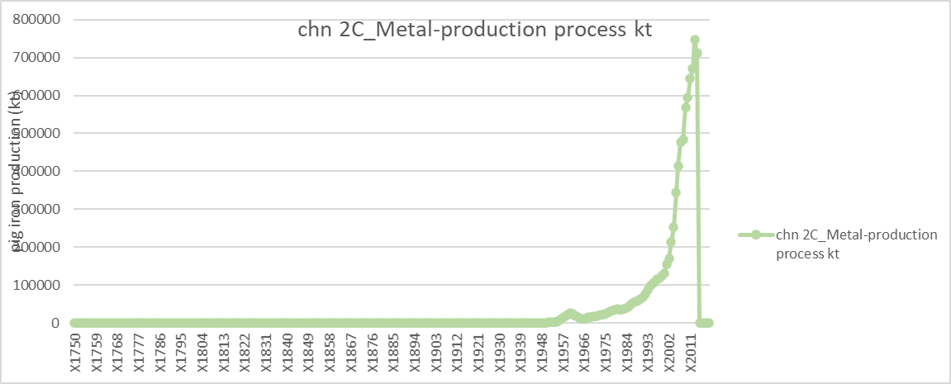
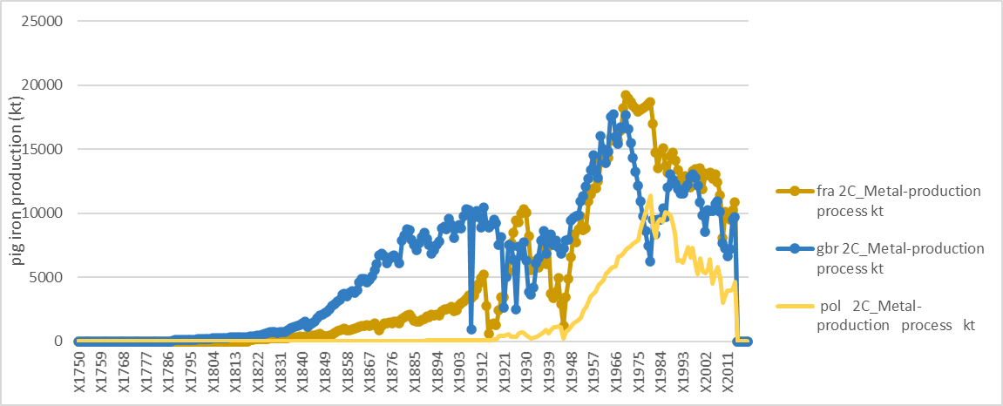
Table 2: % Sinter Input |  |  |  |  |  |  |  |  |  |  |  |  |  | Source:
Country | 1920 | 1930 | 1937 | 1940 | 1944 | 1945 | 1950 | 1955 | 1957 | 1958 | 1960 | 1962 | 1964 | https://www.tandfonline.com/doi/pdf/10.1080/00022470.1963.10468136
Sweden | 0.1 | 0.25 |  | 0.8 |  |  | 0.9 |  |  | 0.98 |  |  |  | J. M. Uys & J. W. Kirkpatrick (1963) The Benefication of Raw Materials in the Steel Industry andIts Effect Upon Air Pollution Control, Journal of the Air Pollution Control Association, 13:1, 20-32, DOI: 10.1080/00022470.1963.10468136
USSR |  |  |  | 0.2 |  |  | 0.35 |  |  | 0.67 |  |  | 0.95
Poland |  |  |  |  |  | 0.2 |  | 0.3 | 0.53
France |  |  | 0.015 |  |  |  | 0.03 |  |  | 0.075 |  | 0.253
USA |  |  |  |  | 0.15 |  |  | 0.17 | 0.34 |  | 0.5
UK |  |  |  | 0.11 |  | 0.16 |  |  |  | 0.35 |  | 0.45

Table 1: % Sinter Input |  |  | Source:
 | Year | sinter % | https://www.jstage.jst.go.jp/article/isijinternational/60/6/60_ISIJINT-2019-239/_pdf
China | 2007 | 0.78 | Harvey, D., From Iron Ore to Crude Steel: Mass Flows Associated with Lump, Pellet, Sinter and Scrap Iron Inputs
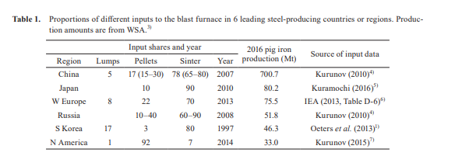
Japan | 2010 | 0.9
Weurope | 2013 | 0.7
Russia | 2008 | 0.75
Skorea | 1997 | 0.8
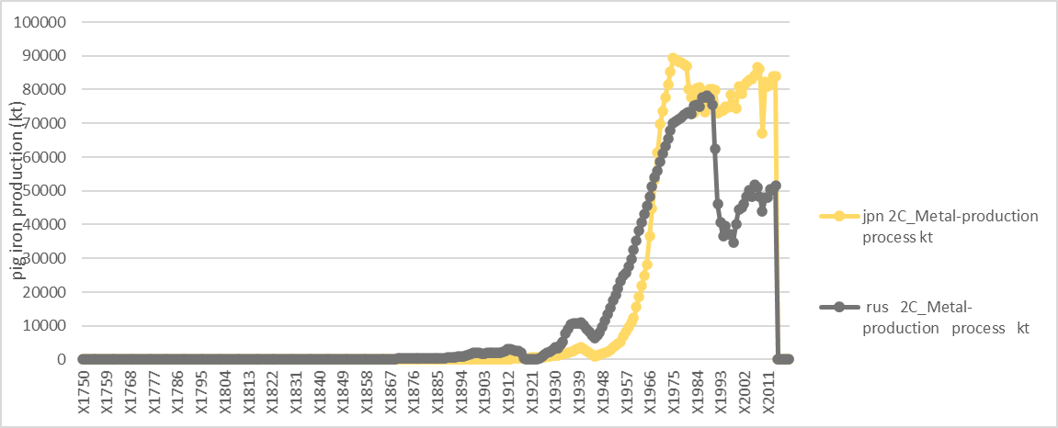
Namerica | 2014 | 0.07

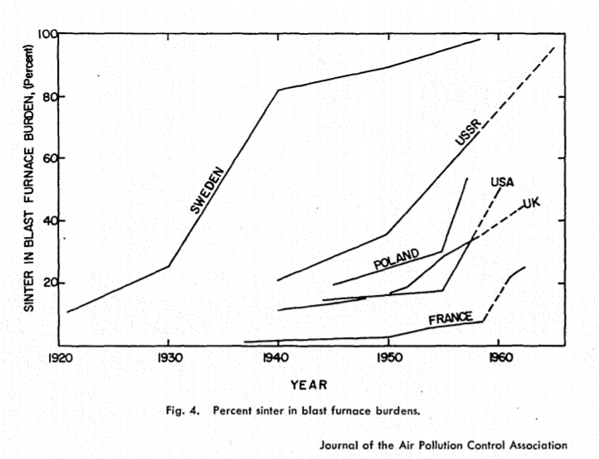
Country | Assumptions
USA | USA pig iron production peaked in 1973 (assumed 80% sinter). Iron productino is constant from 2008 to 2014 (sint % 7% Table 1). Assumed sint % decreases linearly to 2008 (7% sint, Table 1). |  |  |  |  |  |  | 0.8
USSR | From 1940-1964, follow table 2 values for sint%. USSR pig iron produciton peaks really high in 1988, then plummets with fall of USSR. I'll assume constant from 1964 to 1988 and then decrease linearlly to table sint % value of 75% in 2008.
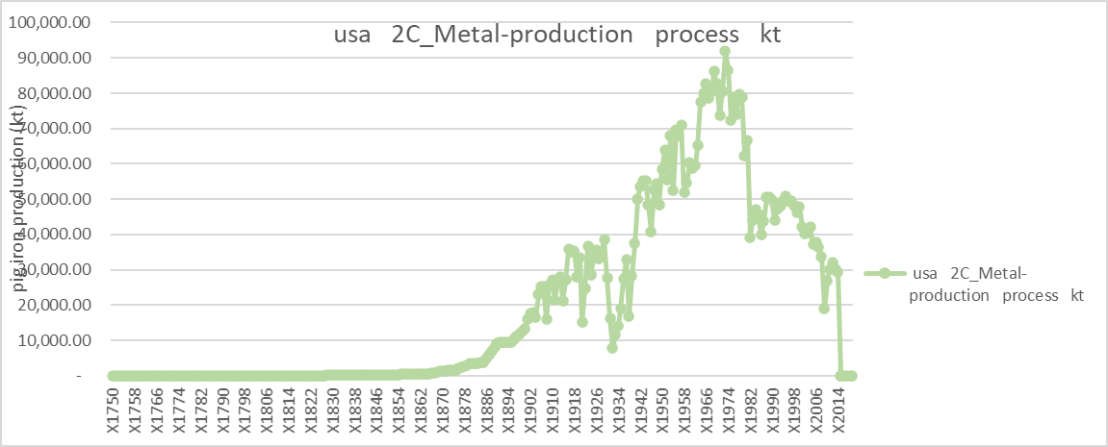
Japan | Japan, pig iron production ramps up 1950 to 1977. Pig iron production in 1977 is close to production of 2010, so sint % assumed constant at 90% from 1977-2010.
France | Sint % follows Table 2 from 1937 to 1962. Then assume constant to 2013 (sint % for Weurope, 75.5%). However, France pig iron production raises then lowers, settling around the same value of Fsint of aroudn 50%.
Poland | Sint % follows Table 2 from 1945 to 1957. Then asumme constant to 2013 (sint % for Weurope, 75.5%). However, Poland pig iron production peaks in 1980 and linearlly decreases. Might want to linearlly decrease to 2011 to 50%.
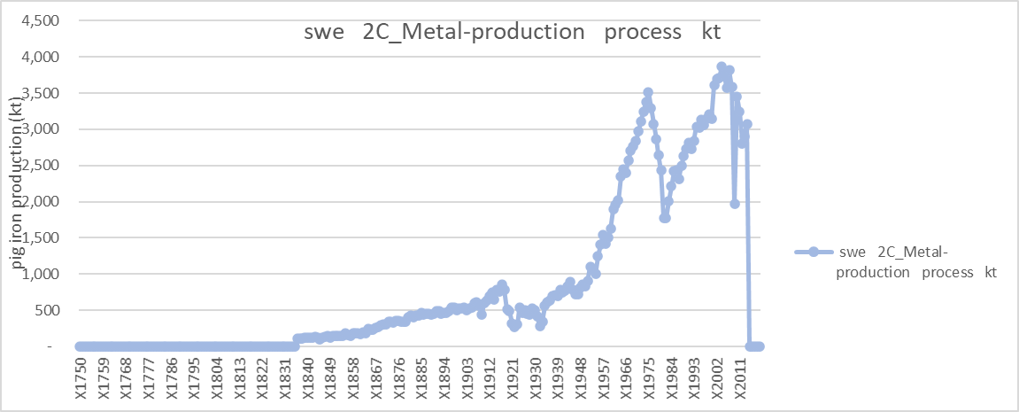
UK | Sinter % follows Table 2 from 1940 to 1962. Then stays constant to Table 1 value.
Sweden | Sint % follows Table 2 from 1928 to 1958. Pig iron production in 2014 is comparable to the value in 1958, so assume stays constant at 90%.
China | Pig iron production begins ramping up in 1977. Linerally interpolated from 1977 to Table 1 value.
Canada | Assumed Canada = USA data
Europe | Averaged Poland and UK trend (based off table 2, and then Table 1's Western Europe)
global | Averaged Poland, UK, France, Japan, and USSR values. (USA, Sweden, and China seemed large outliers)

