DEMO
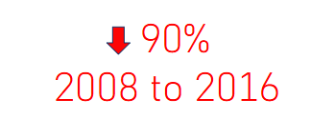

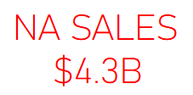
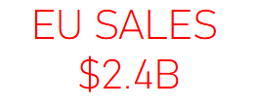
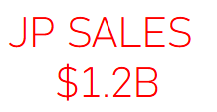


 | Total
1980 | 11.38
1981 | 35.77
1982 | 28.86
1983 | 16.79
1984 | 50.36
1985 | 53.94
1986 | 37.07
1987 | 21.74
1988 | 47.22
1989 | 73.45
1990 | 49.39
1991 | 32.23
1992 | 76.16
1993 | 45.98
1994 | 79.17
1995 | 88.11
1996 | 199.15
1997 | 200.98
1998 | 256.47
1999 | 251.27
2000 | 201.56
2001 | 331.47
2002 | 395.52
2003 | 357.85
2004 | 419.31
2005 | 459.94
2006 | 521.04
2007 | 611.13
2008 | 678.9
2009 | 667.3
2010 | 600.45
2011 | 515.99
2012 | 363.54
2013 | 368.11
2014 | 337.05
2015 | 264.44
2016 | 70.93

 | Total
Strategy | 173.43
Adventure | 234.8
Puzzle | 242.22
Simulation | 389.87
Fighting | 444.05
Racing | 726.77
Misc | 797.62
Platform | 829.15
Role-Playing | 923.8
Shooter | 1026.2
Sports | 1309.24
Action | 1722.87
 | Total
Namco Bandai Games | 253.65
Sega | 270.66
Konami Digital Entertainment | 278.56
THQ | 340.44
Take-Two Interactive | 399.3
Ubisoft | 473.25
Sony Computer Entertainment | 607.28
Activision | 721.41
Electronic Arts | 1093.39
Nintendo | 1784.43

