Tabelle1
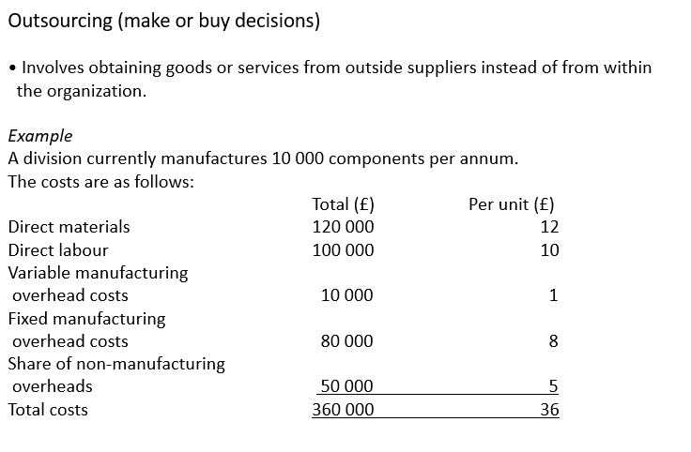
Make or Buy / Outsourcing
 | Total | Unit
DirectMaterial | 120000 | 12
DirectLabour | 100000 | 10
Var. Manufacturing Overhead | 10000 | 1
Fixed Mnaufac overhead | 80000 | 8
Share of non - Manufacturing overheads | 50000 | 5
SUM | 360000 | 36

Make or Buy
 | Make | Buy
DirectMaterial | 120000
DirectLabour | 100000 |  | /
Var. Manufacturing Overhead | 10000 |  | /
Fixed Manaufac overhead | 80000 | 70000 | Reduced by 10
Share of non - Manufacturing overheads | 50000 | 50000 | Fallen so oder so an
Outside Purchase |  | 300000 | new Price
SUM of Costs (bigger is bette, cause you save more) | 360000 | 420000

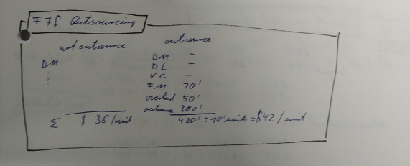
Antwort wäre er soll den spass kaufen & da hier mehr Kosten "nicht" anfallen // er sich das delta spart

