Tabelle1
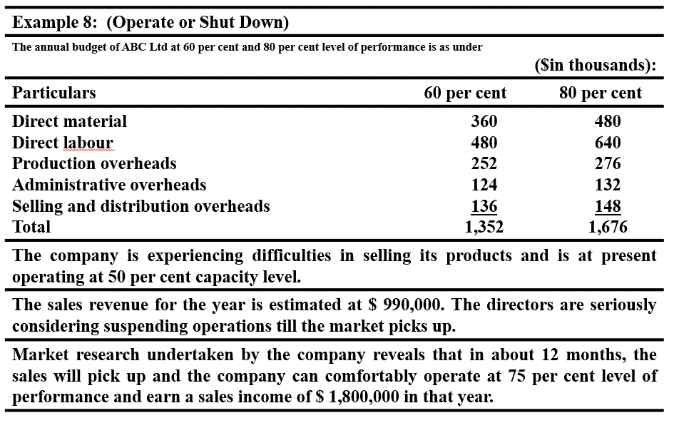

Particulars | 60 per cent | 80 per cent
Direct material | 360 | 480
Direct labour | 480 | 640
Production overheads | 252 | 276
Administrative overheads | 124 | 132
Selling and distribution overheads | 136 | 148
Total | 1352 | 1676

 | Current
Sales Revenue | 990000 |  | Aus der angabe dieses jahr
Capacity | 50 |  | Aus der angabe dieses jahr
 |  |  | Ab in 12 Monaten ist wieder mehr nachfrage
Decision

 | Operate | Shutdown
Sales revenue | Rs 9,90,000 | —
Less variable costs | 3,00,000 | —
Direct material | 4,00,000 | —
Direct labour | —
Variable overheads: (see working notes) | —
Production (Rs 72,000 ÷ 60) × 50=60,000 | —
Administration (Rs 24,000 ÷ 60) × 50= 20,000 | 1,10,000
Selling and distribution (Rs 36,000 ÷ 60) × 50=30,000 |  | —
Contribution | 180000
Less fixed costs:
Production Rs 1,80,000 | 3,80,000
Administration 1,00,000 | — | Rs 2,20,000
Selling and distribution 1,00,000 | — | 1,50,000
Settlement costs (personnel) | — | 20000
Maintenance of plant | (2,00,000) | 80000
Overhauling costs |  | (4,70,000)
Net income (loss)

