説明
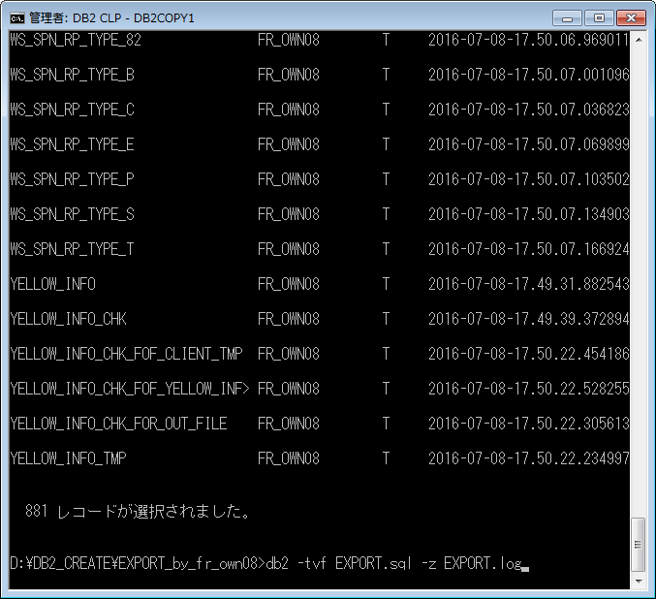
DB2 テーブルデータ移行手順書

 | DB2のコマンドウィンドウ（管理者）を起動

 | DB2に接続
 |  | db2 connect to ≪DB名≫ user ≪ユーザ名≫ using ≪パスフレーズ≫

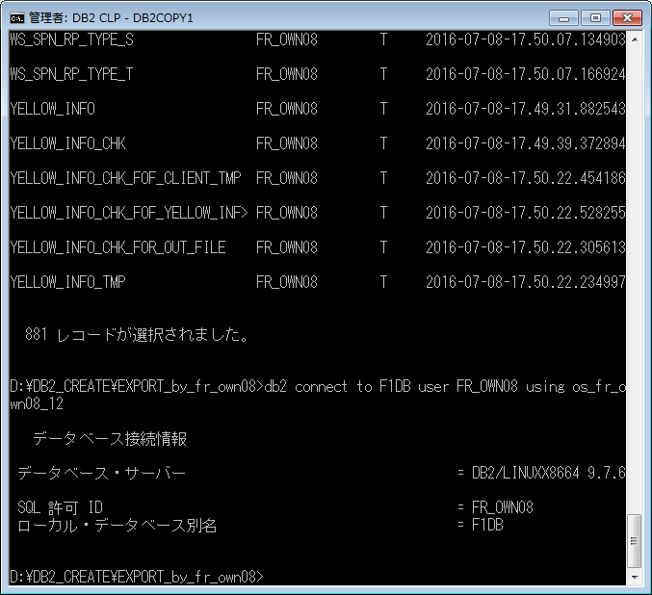

 |  | 接続確認
 |  |  | db2 LIST TABLES
 |  |  | 該当スキーマのテーブル一覧が出力されれば成功

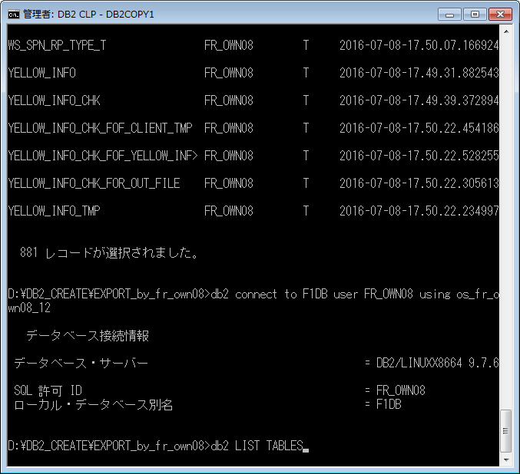

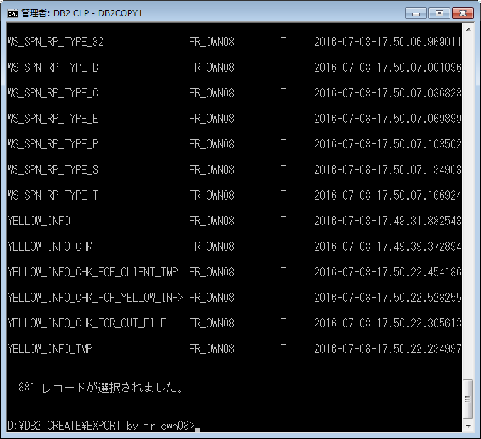

 | SQLファイル流す
 |  | 出力したいフォルダに移動した後、以下を実行
 |  | db2 -f ≪ファイル名≫ -z ≪ログファイル名≫
 |  | db2 -tvf ≪ファイル名≫ -z ≪ログファイル名≫
 |  |  | ※ログファイルは存在しなければ自動作成される
 |  |  | オプション
 |  |  |  | -t | ： | ";" を読み込む
 |  |  |  | -v | ： | エコー
 |  |  |  | -f | ： | ファイル出力

