Sheet1
 | INA219 | INA226 | INA260 |  | Image | Advantages | Disadvantages
电压测量范围 | 0-26V | 0-36V | 0-36V | INA219 |  | 1. High measurement accuracy (maximum error ±0.5%) with direct voltage and current output. 2. I2C address configurable; a single MCU can monitor up to 4 INA219 modules, which is sufficient for this project. 3. Low cost (~£2.25 per unit). | Narrow voltage/current monitoring range (0–26 V, up to 3.2 A), but this is sufficient for the low-power components used in this project (N20 motor and Arduino 1310 both operate under 6 V and mA-level current).
电流测量范围 | ±3.2A | ±8A | ±15A | INA169 | 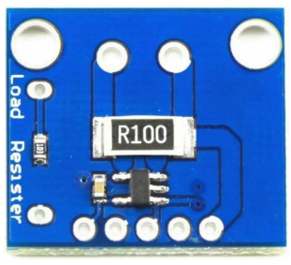 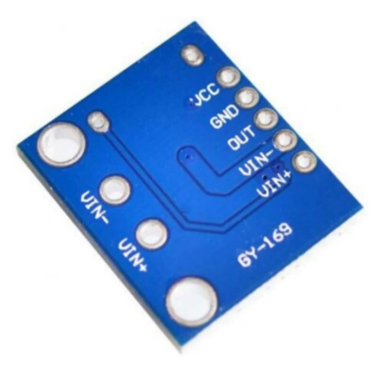 | Wide voltage measurement range (0–60 V). | 1.Can only output voltage; MCU needs a separate ADC to read and convert it to current value. 2.Cannot support multiple address configurations; limited expandability.
最大监测误差 | 0.50% | 0.10% | 0.15% | INA260 | 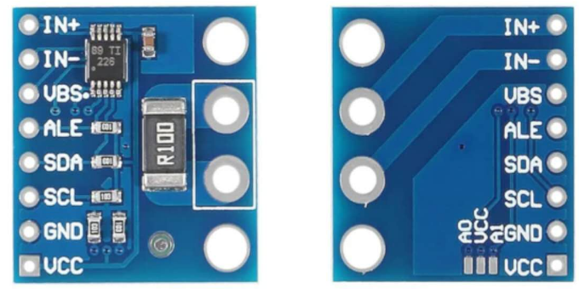 | 1.Higher accuracy than INA219 (max error ±0.1%). 2. Supports up to 16 address configurations. 3. Wider voltage and current measurement range (0–36 V, ±8 A). | 1.High cost (~£5.69 per unit). 2.Higher power consumption.
成本（亚马逊） | 2.25 | 5.69 | 15.99

 |  |  |  |  | Image | Advantages | Disadvantages
 |  |  |  | LDR | 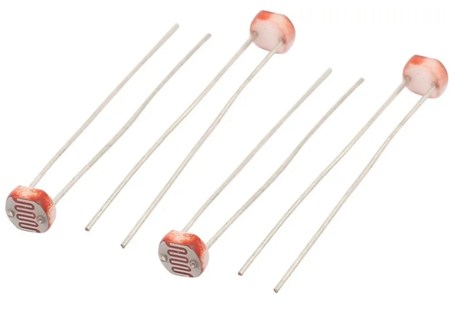 | 1.Ultra low cost (~£0.14/unit) 2. Wide field of view (FOV ~190–180°), ideal for general ambient light detection 3. Directional sensitivity; suitable for differential light tracking 4.Passive component, zero power consumption | 1.Slow response time (milliseconds), but sufficient for slow sun movement 2.Lower accuracy, but acceptable for east-west light difference detection
 |  |  |  | Photodiode + Amplifier | 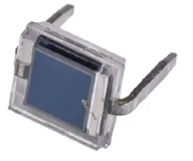 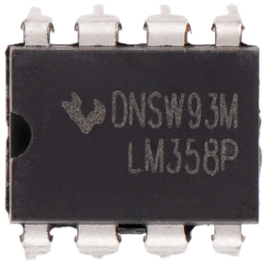 | 1.Fast response (microsecond level) 2. Higher sensitivity than LDR | 1.Requires additional amplifier (e.g., LM358), increasing cost and circuit complexity 2.Output is analog voltage; may need filtering or calibration 3.Higher total cost (~£1 for diode + ~£0.14 for op-amp)
 |  |  |  | TSL2561 | 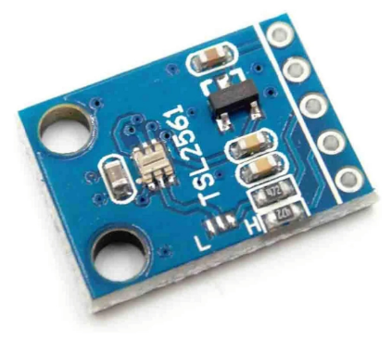 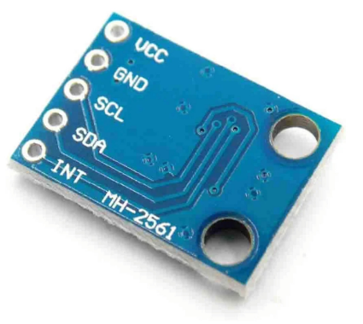 | 1.High accuracy with digital I2C output 2. Built-in gain and integration time adjustment | Narrow FOV (30–45°), not suitable for directional comparison

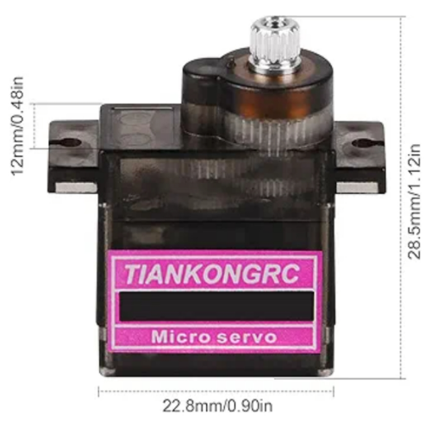
 |  |  |  |  |  | 优点 | 缺点
 |  |  |  | SG90 | 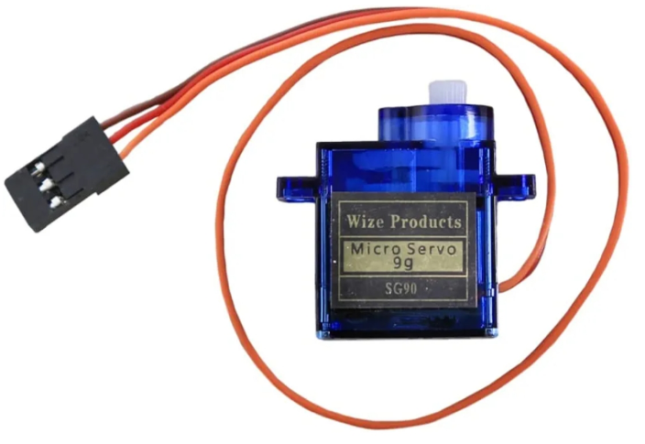 | 功耗低：空载电流150-250mA，峰值电流650mA; 重量轻（9G），不会给装置带来太多负荷； 成本低：4.4￡/1个 | 使用塑料齿轮，长期使用会失去精度； 内部是电位器反馈，角度不够精准； 力矩小（1.8 kgf·cm），不适合负载重的太阳能板（推荐＜100G，对于本项目来说足够）；
 |  |  |  | MG90S |  | 功耗较低：空载电流200-300mA，峰值电流700mA； 扭矩比SG90高：2.2 kgf·cm； 金属齿轮，更耐磨； 性价比高：4.7￡/1个 | 控制精度一般；
 |  |  |  | MG996R |  | 扭矩大（9.4 kgf·cm），可负载大面板； 金属齿轮，更耐磨； | 功耗大：空载电流~500mA，峰值电流2.5A+； 成本高：9￡/1个

 |  |  |  |  |  | 优点 | 缺点
 |  |  |  | 带编码器的N20减速电机 | 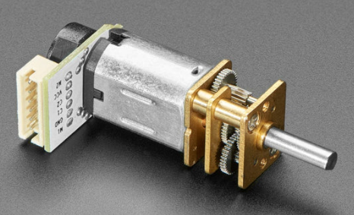 | 低转速（30RPM），高扭矩（60 kgf·cm），非常适用于太阳能板的缓慢旋转； 功耗低，空载电流60mA，峰值电流350mA。配合PWM控制可以进一步省电； 金属齿轮，耐磨； | 成本高14
 |  |  |  | 带编码器的TT电机 | 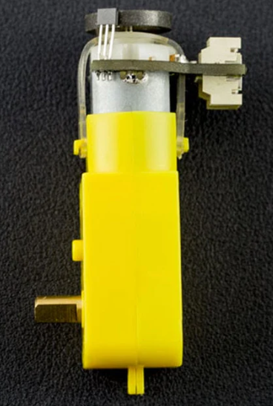 | 成本较低，7.2 | 中等转速160RPM，但是扭矩太小（0.2kgf·cm），可能无法承受太阳能板的重量； 功耗高，空载电流170mA，峰值电流2.8A； 使用塑料齿轮，长期使用会失去精度；

 |  |  |  |  |  | 原理 | 功能
 |  |  |  | TB6612FNG | 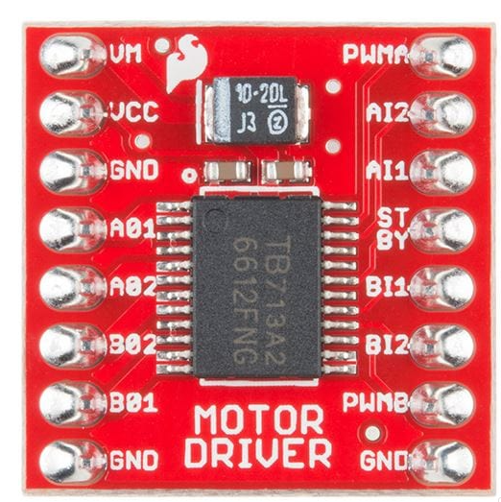 | 模块本质是一个放大控制信号的双通道H桥电路驱动器，接收MCU的小信号转为可驱动电机的高电流。 | 控制电机的旋转方向和转速：通过IN1和IN2引脚输出高低电平控制方向，通过PWM引脚输出PWM信号控制速度； 控制sleep模式：通过STBY引脚输出高低电平控制芯片的低功耗模式，大大降低电机能耗； 多项电路保护机制：内部二极管结构（Flyback Diodes）和死区时间（dead time），避免电机产生的反向电流导向MCU，引发损坏。过热保护(TSD）和过电流保护（OCP），设定芯片温度阈值（150℃）和电流阈值（3.5A），保护电机不损坏。等等。

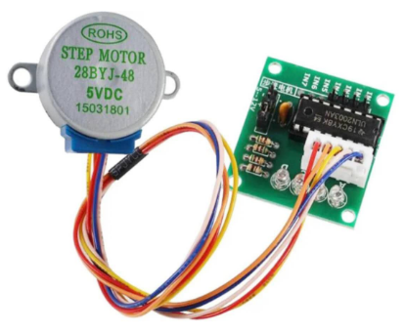
 |  |  |  |  |  | 原因
 |  |  |  | 28BYJ-48 |  | 1.成本低，易获取：非常常见，配套的ULN2003驱动模块广泛使用，适合原型设计； 2.自带齿轮减速（1：64），转动稳定，适用于太阳能追踪精度； 3.功耗低：空载电流约 240mA；

 |  |  |  |  | 太阳能电池板在不同光照强度下的I-V曲线 | 从太阳能电池板在不同光照强度下的I-V曲线图可看出，光照越强，功率越大；但是当电压太高或者太低的时候，输出功率都很低；只有让转换器在红线上运行时，才是最大输出功率（达到MPPT）。
 |  |  |  | 充电状态判断 | 开路电路 | 当太阳能板（6V）输出两端没有接负载（即电流为 0）时，电压可达6.5V。
 |  |  |  |  | 短路电路 | 当太阳能板输出两端直接连接（短路）时产生最大电流（取决于太阳能板本身配置）。

 |  |  |  | BQ24074 | Image | Function Module | Description
 |  |  |  |  | 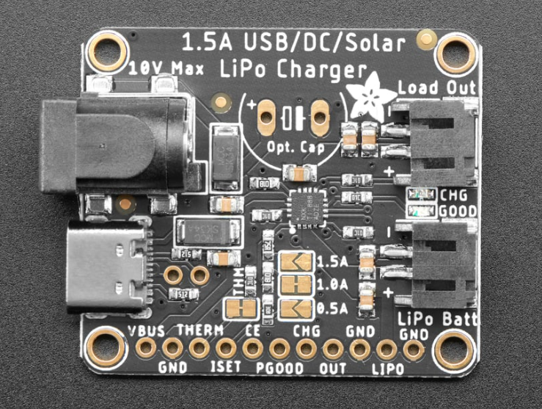 | Dynamic Power Management (Input DPM) | Automatically limits charging current to maintain input voltage above 4.5V. Supports approximate MPPT functionality.
 |  |  |  |  |  | Battery Charging Support | Safely charges 3.7V lithium-ion batteries (e.g., 18650).
 |  |  |  |  |  | Power Path Management | Supports simultaneous battery charging and system output without interruption.
 |  |  |  |  |  | Status Feedback | CHG/PG pins indicate charging and power status.
 |  |  |  |  |  | Protection Mechanism | Limits input voltage to 28V, avoids overvoltage damage from solar panels; regulated output at 4.4V.

 |  |  |  |  | Criteria | This Project (BQ24074 + Linear Charging) | Conventional Solution (MPPT + DC-DC)
 |  |  |  |  | Cost | Low (single integrated chip) | High (MPPT controller + DC-DC converter)
 |  |  |  |  | Complexity | Low (DPM mode auto-approximates MPP) | High (requires external MCU control and sensing)
 |  |  |  |  | Compatibility with 6V 3W solar panel | Compatible. Uses 6V solar panel, ~5V peak power. Matches well with lithium batteries (3.7–4.2V). DPM approximates MPP (see Fig. 7). | DC-DC converter has poor efficiency at low input current. Requires input >5.7V for step-down. Likely needs buck converter.
 |  |  |  |  | Recommended Panel Type | Small 6–10V solar panels | Large lead-acid battery systems or high-power panels

 |  |  |  |  | 通过对比分析多个决策项，可知为何本项目不值得采用复杂MPPT架构。

Sheet4
Function Overview | Uses RTC to get real-time clock data and calculates the sun's azimuth based on geographic coordinates. The target angle is computed using a solar position algorithm. Then, LDR sensors are used for fine-tuning the final orientation to ensure accurate solar tracking.
Core Libraries | RTClib.h → Reads real-time clock. SunPosition.h → Computes solar azimuth using SPA (Solar Position Algorithm). math.h → Provides basic math functions.
Key Functions | SunPosition() →Calculates the sunrise and sunset times of the day based on the time zone and geographic coordinates, thereby determining the full daytime interval.
 | computeLinearTgt() → Uses linear interpolation to map the current time's progress within the daytime interval to the motor's rotation range[ −90°，+90°], and outputs the target azimuth angle.
 | ldrDeltaSuggest() → Compares the readings from two LDR sensors (east and west) to determine the fine-tuning direction. Returns the absolute value of the difference and whether adjustment is needed.
 | loop for LDR() → Fine-tuning loop: within the set time, repeatedly calls ldrDeltaSuggest() to incrementally adjust the motor angle.
 | moveToAngle() →Moves the motor to the target angle.

Function Description | Three INA219 modules are sampled periodically. Based on sampled voltage and current values, the energy consumed during the awake period is calculated. It also calculates average voltage and estimates sleep duration and system stability.
Core Library | Adafruit_INA219.h ：Used to read voltage and current data.
Key Parameters | SAMPLE_INTERVAL_MS：50ms，When the sampling period is less than 50ms, the module can detect motor movement energy. motorMoving：A flag indicating if the motor is running, used to determine when to stop energy tracking during motor activity.
Energy Calculation Formula | E (mWh) += V × I × Δt / 3600000 Δt = SAMPLE_INTERVAL_MS 3600000 = 1000（mA to A） × 3600（s per h）
Key Function | 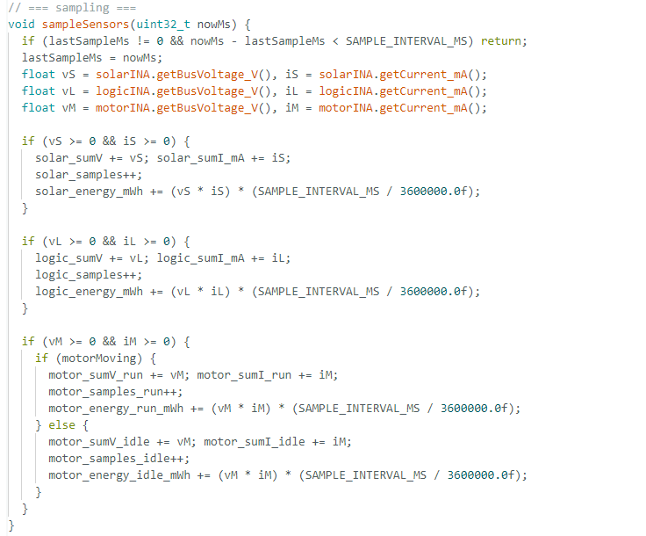

Function Description | The system adopts deep sleep mode to reduce power consumption during idle periods. It dynamically adjusts the sleep duration based on night/day states and resumes operation after waking.
Core libraries | ArduinoLowPower.h：Enables deep sleep control. RTClib.h：Reads real-time clock for time-based control. MKRWAN.h：Puts the LoRa modem to sleep to reduce idle power consumption.
Key Functions | beforeSleep(sleepMs) → Prepares the system for low-power mode by stopping the motor, disabling the driver, and putting the LoRa modem and MCU into sleep mode.
 | afterWake() → Restores I2C communication, restarts the motor driver, and resets energy tracking statistics.
 | The sleep duration is dynamically determined based on whether it's night or day (nightMode):

关键代码截图 | ① computeLinearTgt() 函数 ② ldrDeltaSuggest() 函数 ③ loop中的LDR 微调逻辑块（while (millis() - t0 < TRACK_TIME_BUDGET_MS)）在设定时间内依据ldrDeltaSuggest()循环小幅度调整电机角度

