17_09_2025_DFA
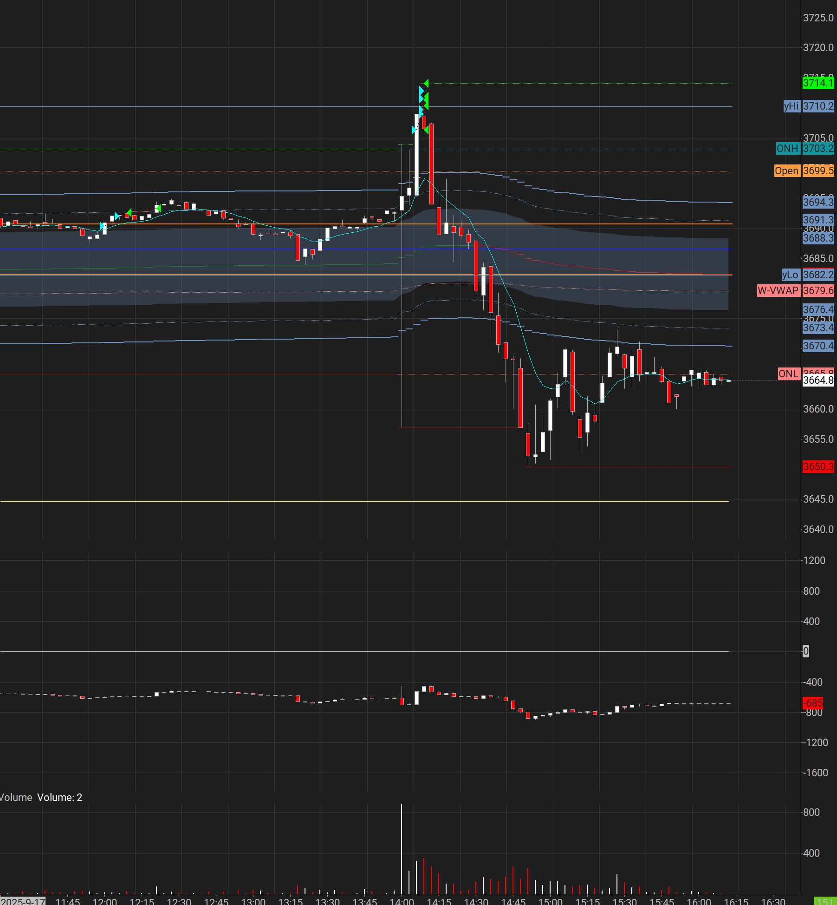
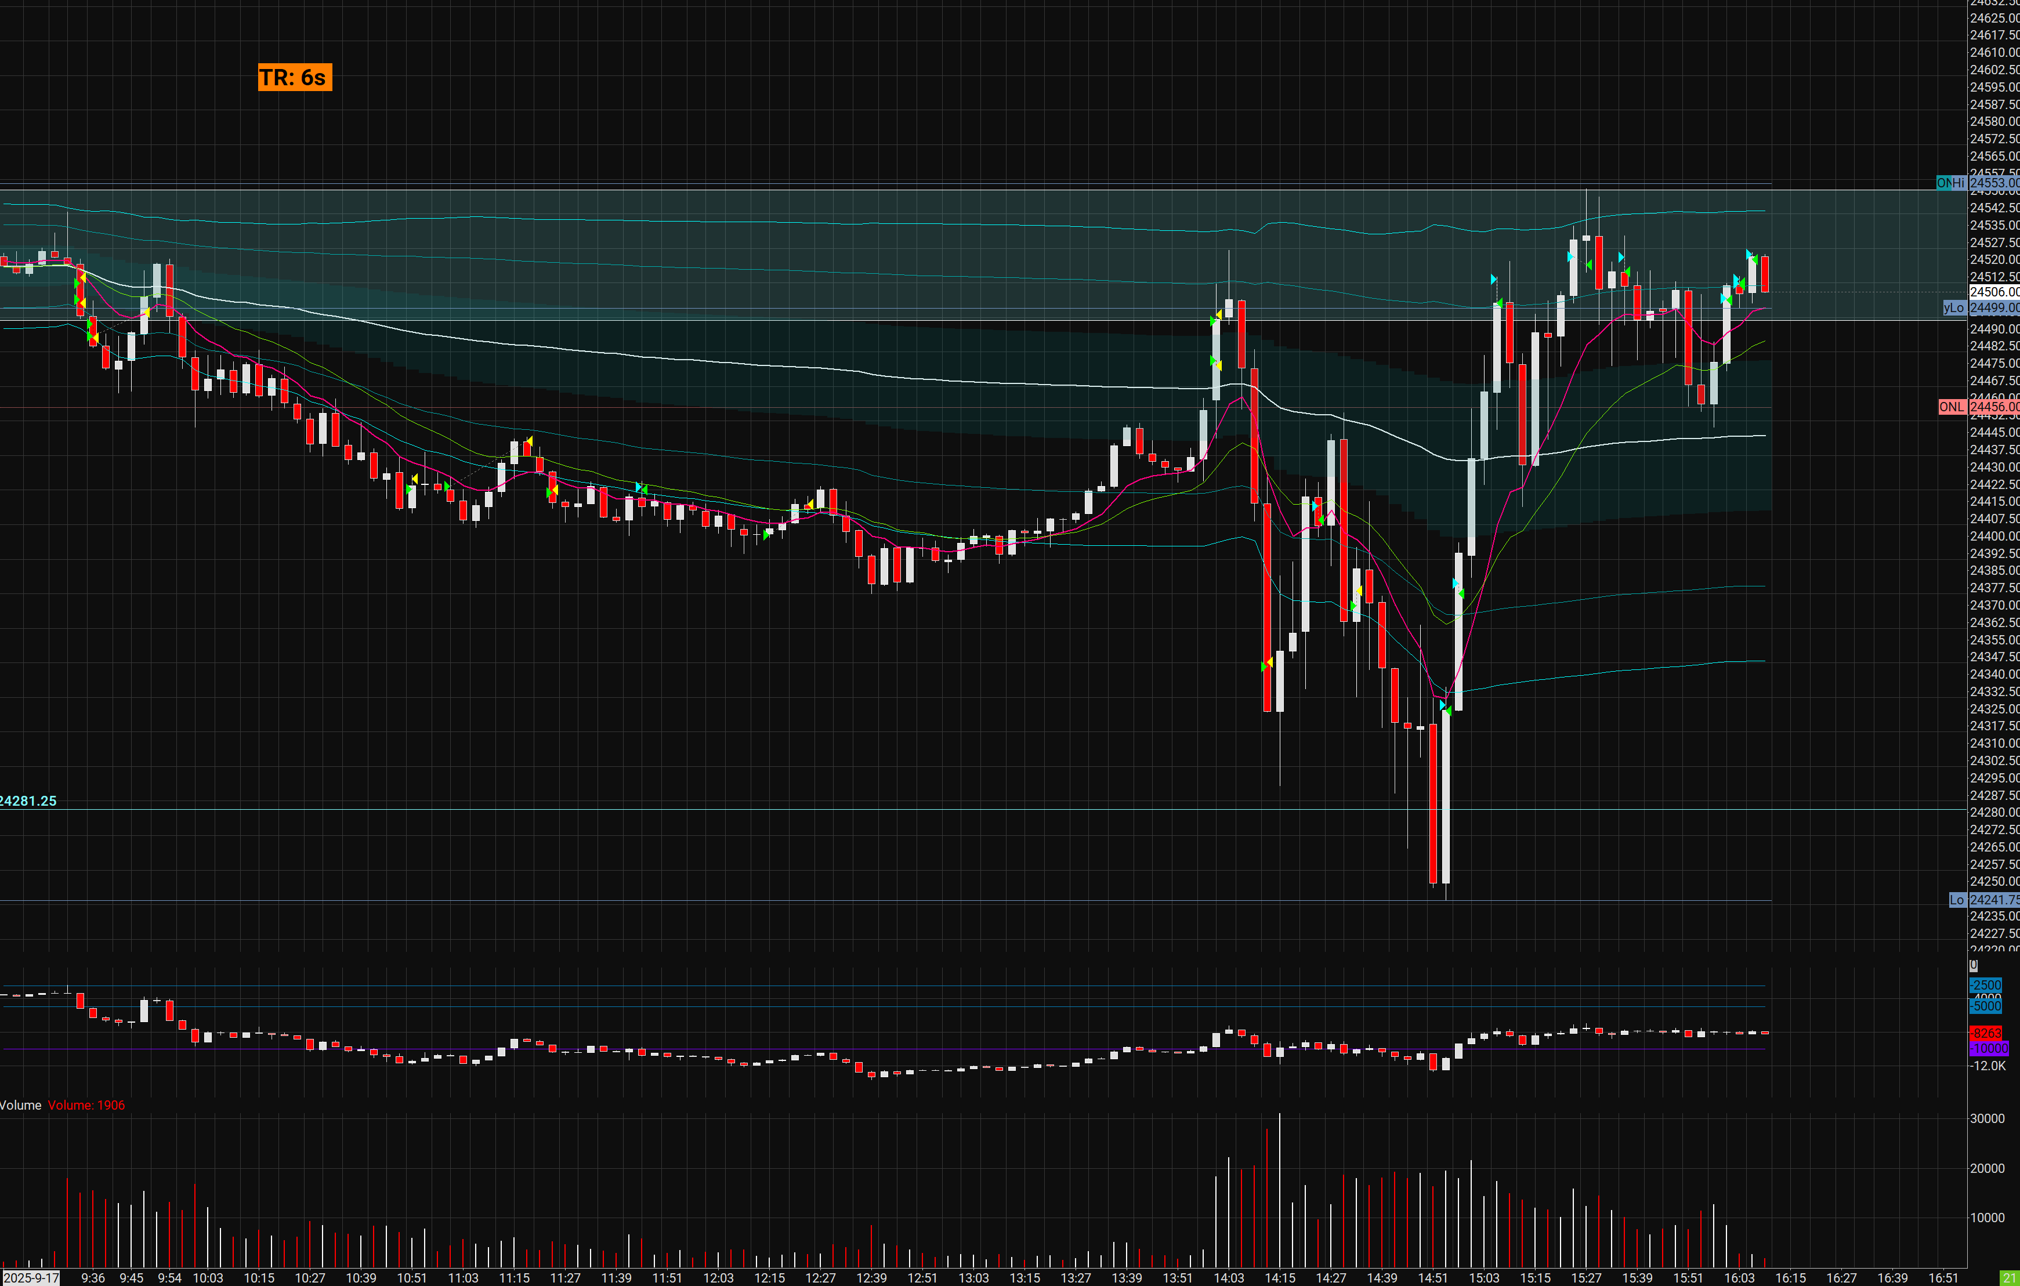
 |  | Trading Date | 2025-09-17 | 2025-09-17

Evening Review | Date | 2025-09-17 |  |  | Checks
 | Key Levels | Value | High/Med/Low - Importance | Reason: |  | Charts
 | 24400 | TPO | L | Support |  | Monthly | FALSE
 | 24 240-244291 | ALL | H | Daily Supply |  | Weekly | FALSE
 | 24520 | TPO | VAC | Voluem traded |  | Daily | TRUE
 |  |  |  |  |  | 240m | TRUE
 |  |  |  |  |  | 120m | TRUE
 |  |  |  |  |  | 60m | TRUE
 | Why? | Several days of heavy buying on rate cuts, Expected riggers to distribute to secure heavy discounted positions on retails back |  |  |  | 30m | TRUE
 |  |  |  |  |  | 15m | FALSE
 |  |  |  |  |  | 5m | FALSE

 | Directional Bias | Bearing in the morning prerp | correct |  | News: | FOMC interest rate drop [95% chance on betting sites] NVDA tanking NQ due to China advising against companies buying
 |  | Bullish in the afternoon | Partially correct [did not go as high as expected]

 | Strategy
 | Trade Type | Scalping
 | Pattern Recognized | 30s,1m |  |  | Market Conditions/Catalysts | Prior days bullish - Priced in bullish factor on rate cut days prior Classic sell the news days - distribution on big names
 | ATR/Harmonic Size | 250Point NQ

 | Risk | $38
 | Market
 | Size | 1MNQ | 2MES | 1MGC
 | R:R | 2:1 | 2:1

Premarket Review | Trading Date | 2025-09-17 |  |  | Daily Goals & Checks
 | Key Levels | Value | High/Med/Low - Importance | Reason: | Psychology Checks / 30m | FALSE
 | 24400 | TPO | L | Support |  | FALSE
 | 24 240-244291 | ALL | H | Daily Supply |  | FALSE
 | 24520 | TPO | VAC | Voluem traded |  | FALSE
 |  |  |  |  |  | FALSE
 |  |  |  |  | Market Pulses | FALSE
 |  |  |  |  | < 2 Entries per scalp | TRUE
 |  |  |  |  | < 8 Trades / Day | FALSE
 | Why? |  |  |  | Playbook Screenshot and Review | TRUE
 |  |  |  |  | Hide PNL / Set Point/tick mental stop loss targets | FALSE
 |  |  |  |  | Meditate | FALSE
 |  |  |  |  | Post Review Creation/Give back! | FALSE
 | Directional Bias | Bearing in the morning prerp | correct
 |  | Bullish in the afternoon | Partially correct [did not go as high as expected]
 |  |  |  |  | Checks
 |  |  |  |  |  | Charts
 | Strategy |  |  |  |  | Monthly | FALSE
 | Trade Type | Scalping |  |  |  | Weekly | TRUE
 | Pattern Recognized | 30s,1m |  |  |  | Daily | TRUE
 | ATR/Harmonic Size | 250Point NQ |  |  |  | 240m | TRUE
 |  |  |  |  |  | 120m | TRUE
 |  |  |  |  |  | 60m | TRUE
 | Risk | $38 |  |  |  | 30m | TRUE
 | Market |  |  |  |  | 15m | FALSE
 | Size | 1MNQ | 2MES | 1MGC |  | 5m | FALSE
 | R:R | 2:1 | 2:1
 |  |  |  |  | Keywords | hotkeys
 |  |  |  |  |  | emotional checks
 |  |  |  |  |  | breaks
 |  |  |  |  |  | big picture
EOD Review: | Scalping positions moved far too fast for me to take more than 2MNQ at a time / GLD was FOMO on short side / and for that reason it piked it [plan turned into emotion and regret] / MES was a test but I should focus on whats trading BEST / Biggest issue was manually adjusting stops (and entries) by clicking mouse but then having to switch to keybaord for hotkeys, We need to commit to one style in this regard Take a step back : remember to pay attention to your EMAS, VWAPs, Points of Control (dont be too zoomed in) |  |  |  |  | cluttered order fills

