Comments
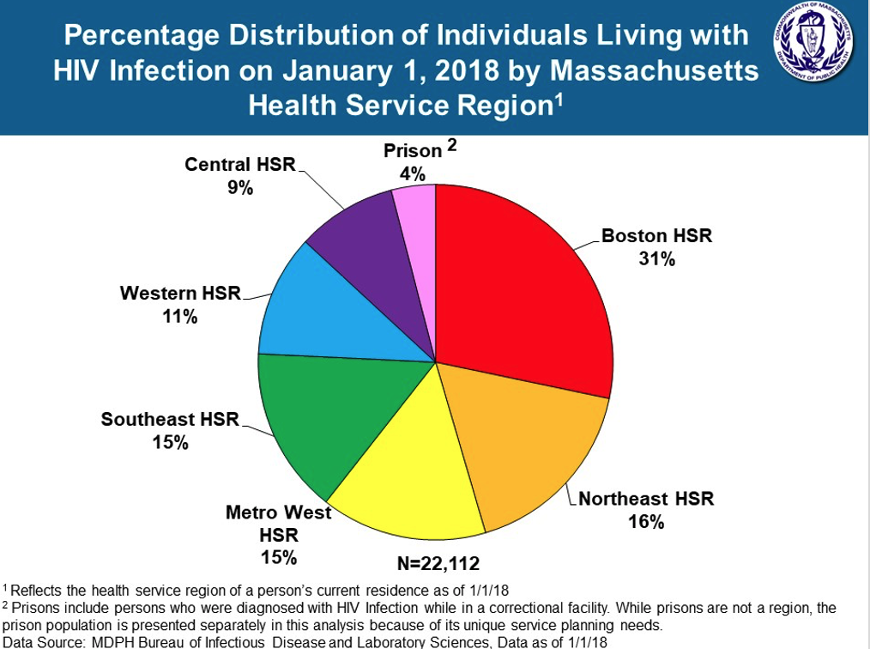
Specific EHE priority counties:
 | PLHIV 2017
Suffolk County (807,252) | 6,011 | MA

Other counties in MSA:
Norfolk (705,388) | 1,314 | MA | Boston Metro
Plymouth (518,132) | 1,000 | MA | Boston Metro
Essex (790,638) | 2,002 | MA | Cambridge Metro
Middlesex (1,614,714) | 3,875 | MA | Cambridge Metro
Rockingham (309,176) |  | NH | Rockingham/Strafford Metro
Strafford (130,090) |  | NH | Rockingham/Strafford Metro

MA total | 22,634
 | 0.6274631086

https://www.mass.gov/lists/hivaids-epidemiologic-profiles

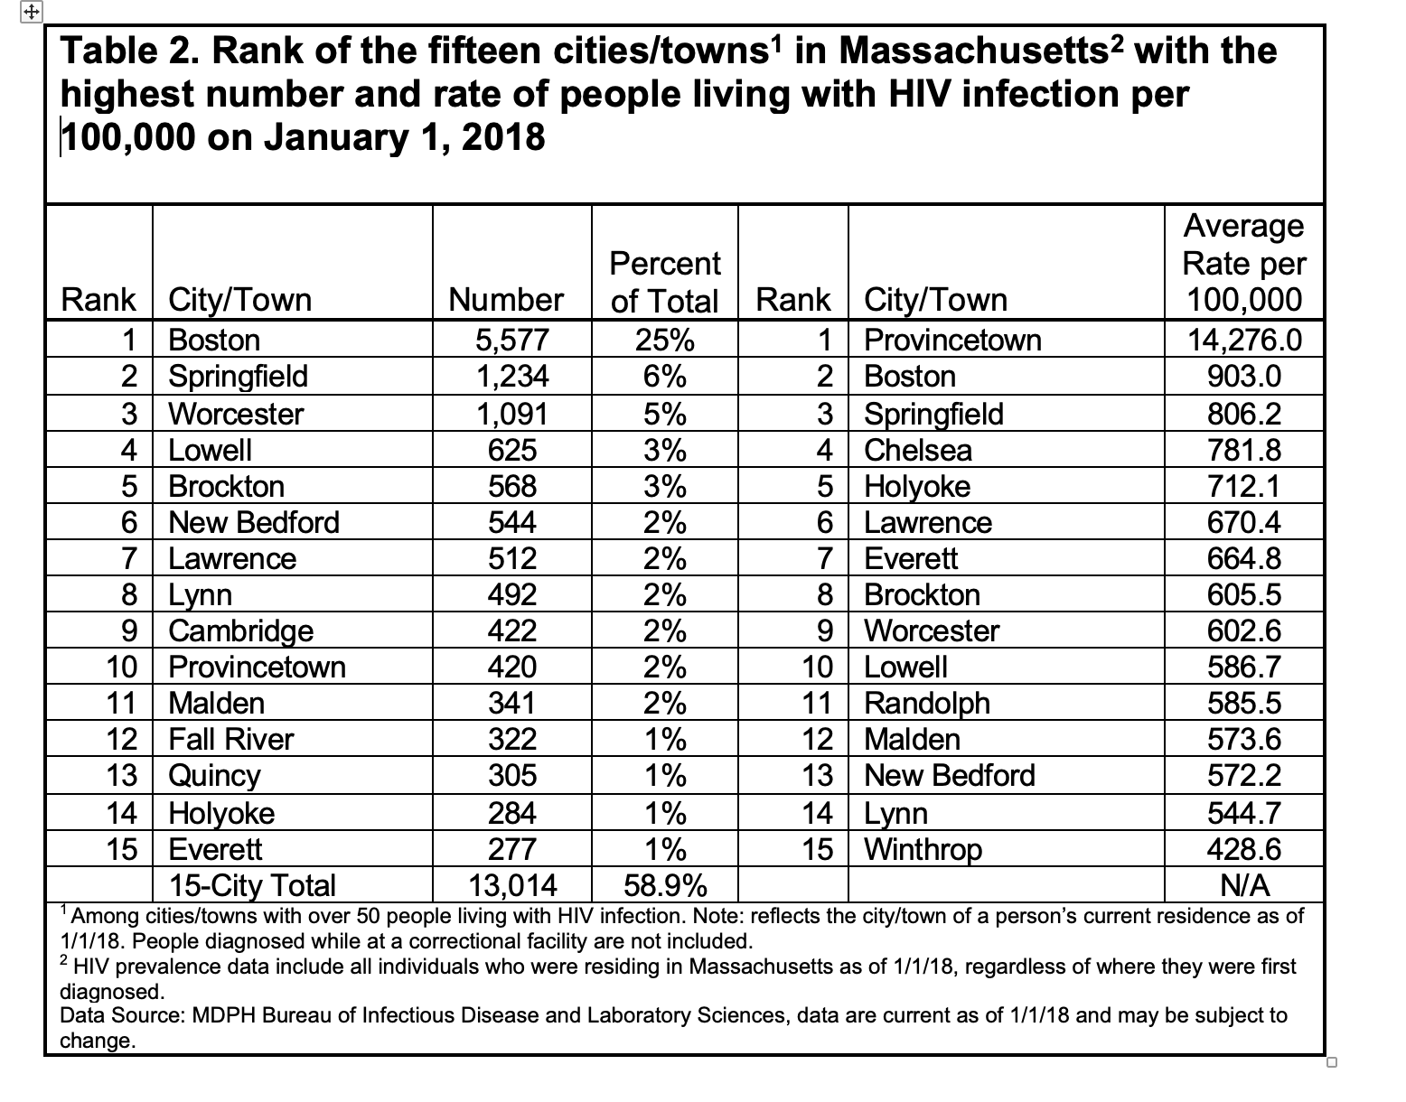
2014 data | https://www.mass.gov/files/documents/2016/12/vz/mass-hiv-aids-plan.pdf
2013 data | https://archives.lib.state.ma.us/bitstream/handle/2452/625714/ocn974376554.pdf?sequence=1&isAllowed=y

