Comments
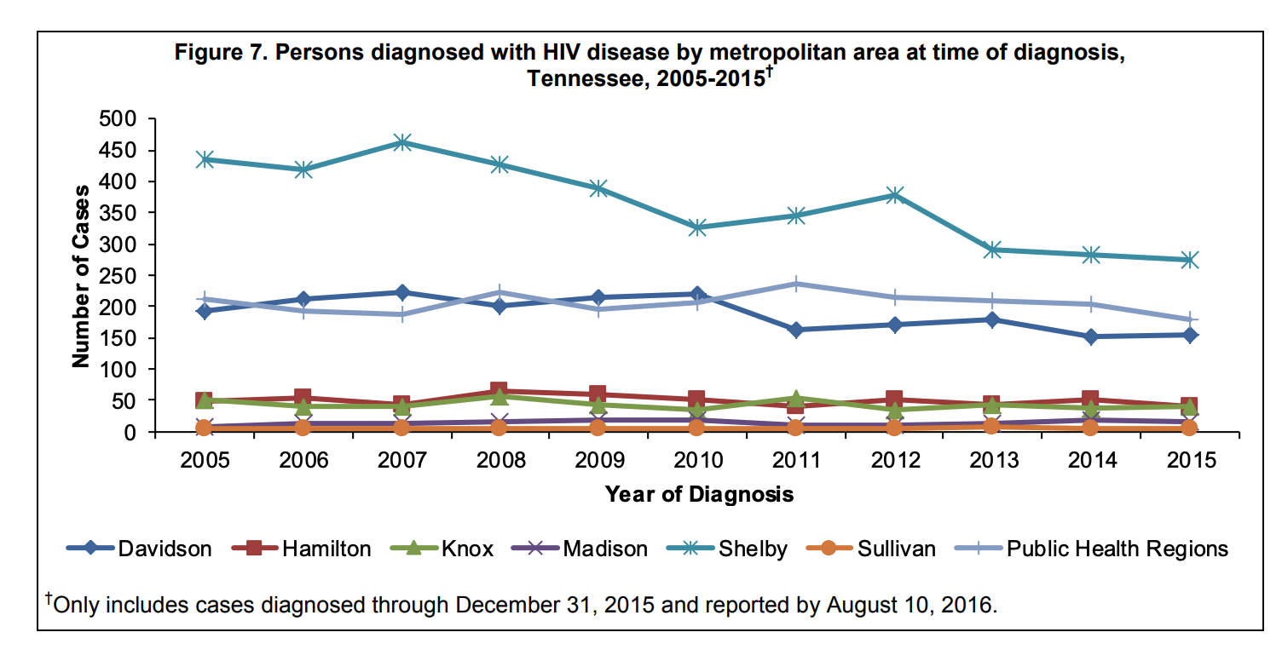
Specific EHE priority counties:

Shelby County (937,166) | Tennessee

Other counties in MSA:
DeSoto County (184,945) | Mississippi
Tipton County (61,599) | Tennessee
Crittenden County (47,955) | Arkansas
Fayette County (41,133) | Tennessee
Marshall County (35,294 | Mississippi
Tate County (28,321) | Mississippi
Tunica County (9,632) | Mississippi

***2013 Continuum for Shelby by sex/risk group | https://bids.shelbycountytn.gov/system/files/_RFP%2016-001-39%20Attachment_G_HCAP_2014_Data_Presentation_.PDF
HIV reports for Shelby county but no viral suppression | http://www.shelbytnhealth.com/233/Reports-Data-Tables
Tennessee reports | https://www.tn.gov/health/health-program-areas/statistics/health-data/hiv-data.html
2017 | https://www.tn.gov/content/dam/tn/health/program-areas/hiv/2017_HIV_Epi_Profile.pdf
2018 | https://www.tn.gov/content/dam/tn/health/program-areas/hiv/Tennessee-HIV-Epidemiological-Profile-2018.pdf
Integrated plan | http://hivmemphis.org/sites/default/files/documents/Appendix_5_Tennessee_Integrated_HIV_Prevention_and_Care_Plan.pdf

Ryan White data | http://hivmemphis.org/about-hcap/resources
 | http://hivmemphis.org/sites/default/files/documents/FY17-PSRA-Data-Presentation_08_23_2017.pdf
(3 West TN counties: Shelby, Fayette, Tipton) | http://hivmemphis.org/sites/default/files/documents/FY16-PSRA-data-presentation_1.pdf
 | http://hivmemphis.org/sites/default/files/documents/FY15-EPI-Profile-Presentation-Memphis-TGA-5-29-2015.pdf

"Although Shelby County represents approximately 14% of Tennessee’s general population, over the period from 2005 to 2015, the Shelby County represented 42% of the new HIV diagnoses in Tennessee (Figure 7)."

