SUMMARY
FRAMEWORK_ID | FILECOUNT | PROGRAMMING_LANGUAGE | LOC_COUNT
ELECTRONJS | 23 | JavaScript | 1895
ELECTRONJS | 12 | JavaScript JSX | 1227
TAURI | 27 | Rust | 2898
TAURI | 12 | JavaScript JSX | 1332

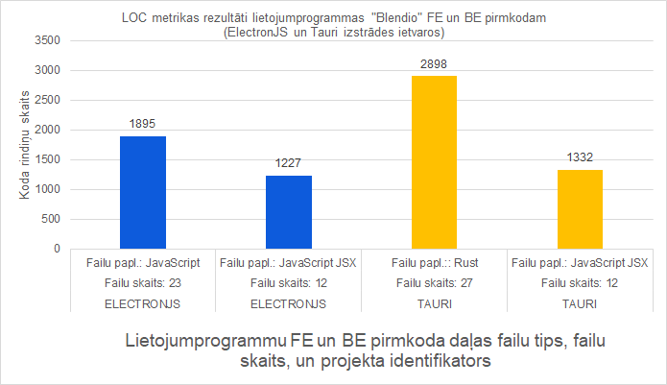
 |  |  |  | FRAMEWORK_ID | FILECOUNT | PROGRAMMING_LANGUAGE | LOC_COUNT
 |  |  |  | ELECTRONJS | 26 | JavaScript | 1975
 |  |  |  | ELECTRONJS | 12 | JavaScript JSX | 1227
 |  |  |  | TAURI | 27 | Rust | 2898
 |  |  |  | TAURI | 12 | JavaScript JSX | 1332

