REQST002262
CLIENT NAME: |  | REQUEST FOR MWSS (ADAPTER) |  |  |  |  |  | PRICE VALIDITY: 1 MONTH
 |  |  |  |  |  |  |  | NOTE FOR SALES AND TECHNICAL: Please check all counter model and brand

Item No. | Inventory | Description | Order Qty. | UOM | VAR/PER UNIT | SRP/PER UNIT | LP/PER UNIT | Stock Availability | Warranty Information | REMARKS
1 | CNV-CISC | LENOVO ThinkStation Mini DP to HDMI Adapter FRU: 03X6594/5C10V06007 | 1.00 | UNIT | 4,300.00 | 5,000.00 | 5,900.00 | OB: 60 to 90 Working Days | 3 Months | SUBJECT TO CHANGE WITHOUT PRIOR NOTICE
1 | CNV-CISC | VENTION Mini DisplayPort to HDMI Adapter Color: Black Connector Type: Mini DP Male / HDMI Female Transmission Direction: Mini DP Male to HDMI A Female Resolution: 4K@30Hz Conductor: Tinned Copper (Counter Offer for Onstock) | 1.00 | UNIT | 700.00 | 800.00 | 900.00 | On Stock as of 7/17/26 | 1 Year | SUBJECT TO CHANGE WITHOUT PRIOR NOTICE
1 | CNV-CISC | 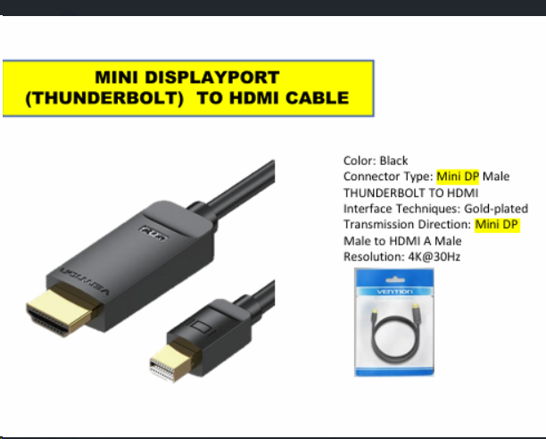 Vention Mini DisplayPort (Thunderbolt) to HDMI Cable (Counter Offer for OnStock , other supplier. Please check details below) | 1.00 | UNIT | 1,200.00 | 1,400.00 | 1,600.00 | On Stock as of 7/17/26 | 1 Week | SUBJECT TO CHANGE WITHOUT PRIOR NOTICE

 | This part is to be fill-up sales
 | For Bidding and Price Tagging Please Fill-up the following details

 | End-User Company Name: | REQUEST FOR MWSS (ADAPTER)
 | End- User Complete Address:
 | Contact Person:
 | Designation:
 | Contact Number:
 | Email Address:
 | Website:
 | Project Name:
 | Timeline of closing:
 | Estimated Budget:

