Gorn 2020
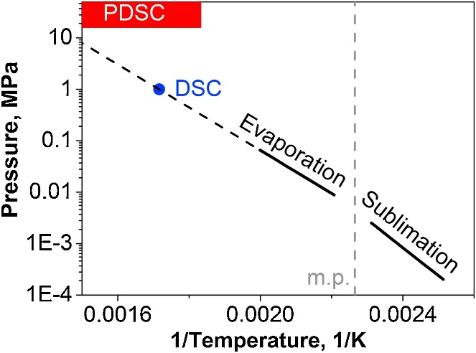
35-DNP (l)
1/K | T [C] | P (Mpa) | log10(atm)
0.0016 | 351.85 | 3 | 1.4714045249
0.002 | 226.85 | 0.06 | -0.2275654794

35DNP (s)
0.0022652622041 | 168.3 | 0.0041 | -1.3929328731
0.0024 | 143.51666667 | 0.00075 | -2.1306554664
0.0026 | 111.46538462

 |  |  |  | 0.01 | 0.1
 |  |  |  |  | 1

