pricing
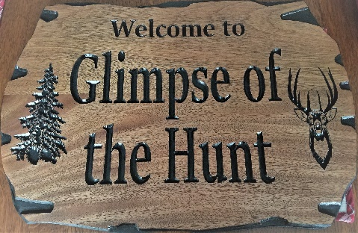
 |  |  |  | Erick Bond 500 Rainier View Lane Selah Wa, 98942 509-701-6411 glimpseofthehunt@gmail.com

Species | Shoulder | Half Size | Life Size | Rugs | Tanning | European

Antelope | $800 | $2,700 | $3,850 |  | $200 | $300
Badger | $625 | $900 | $1,250 | $650 | $150 | $125
Black Bear | $800 | $3,700 | $5,175 | $250/LF | $175/LF | $225
Grizzly Bear | $900 | $4,700 | $6,650 | $290/LF | $200/LF | $275
Kodiak Bear | $1,125 | $4,900 | $6,850 | $300/LF | $210/LF | $280
Beaver | $725 | $900 | $1,300 |  | $175 | $125
Bobcat | $600 | $950 | $1,350 | $725 | $150 | $125
Caribou | $1,225 | $3,300 | $4,650 |  | $350 | $350
Cougar | $800 | $2,600 | $3,650 | $1,350 | $100/LF | $250
Coyote | $700 | $950 | $1,350 | $825 | $150 | $125
Deer | $800 | $2,700 | $3,850 |  | $200 | $275
Elk | $1,325 | $4,175 | $5,925 |  | $450 | $375
Fox | $600 | $1,025 | $1,400 | $700 | $150 | $125
Lynx | $700 | $1,075 | $1,500 | $800 | $150 | $125
Moose | $1,500 | $5,675 | $8,475 |  | $18/SF | $450
Mountain Goat | $900 | $2,950 | $4,150 | $1,450 | $500 | $300
Otter |  |  | $1,050 |  | $150 | $100
Martin/Mink |  |  | $575 |  | $150 | $100
Raccoon | $600 | $900 | $1,200 | $650 | $150 | $125
Sheep | $900 | $2,700 | $3,800 |  | $500 | $400
Wild Boar | $775 | $2,325 | $3,275 |  |  | $250
Wolf | $775 | $2,250 | $3,150 | $1,350 | $195 | $150
Extras
*Skinning for Bobcat, Fox, Coyote, small animals $75 For Cougar and Bear $125
*Tubing small animals $125
*Open mouth add $275
*Detachable antlers add $275
*Pedestal mounts up to Deer size add $75 Sheep and Goat $125 all larger animals $175
*Antler repair cost varies with species and amount of repair needed
*Velvet preserving Depends on the Animal and Varies from $100 to $250
*Custom bases, habitat, and antler plaques are extra and dependent on complexity
*50% deposit on all game before work begins
*Prices subject to change without notice
*Not liable for loss due to fire, theft, or any natural causes
*We assume no responsibility for, nor guarantees any tanning, all work is left at owners risk
*Proper licenses & Tags are required on all game.

*Completion guaranteed in 9 months or you get 10% off (Excludes Cats, Bears and Rugs)

