Impedance Matching
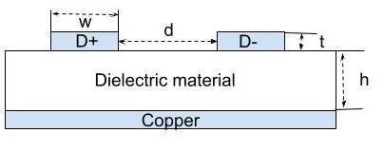
Geomtery:
w
d
t
h

