1099-MISC
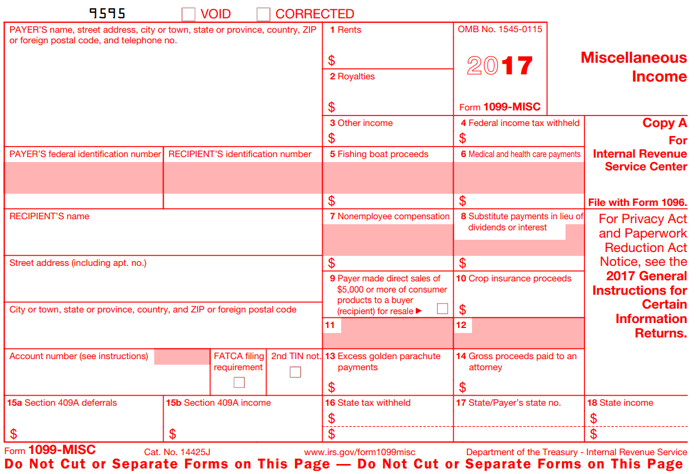
This form has yet to be implemented.

Download and follow IRS instructions for where the information and amounts should be entered.

NOTE: | Amounts of more than $600 will NOT typically be reported on Form 1040, Line 21.
NOTE: | To report 1099-MISC income on Form 1040, Line 21, use the override cell for
 | Form 1040, Line 21 (Cell AL54)

Instructions for Form 1099-MISC (2017) may be downloaded from the IRS:
https://www.irs.gov/pub/irs-prior/f1099msc--2017.pdf

Form 1099-MISC (2017) may be downloaded from the IRS:
https://www.irs.gov/pub/irs-prior/i1099msc--2017.pdf

Instructions for Form 1099-MISC (2018) may be downloaded from the IRS:
https://www.irs.gov/pub/irs-pdf/f1099msc.pdf

Form 1099-MISC (2018) may be downloaded from the IRS:
https://www.irs.gov/pub/irs-pdf/i1099msc.pdf

8812
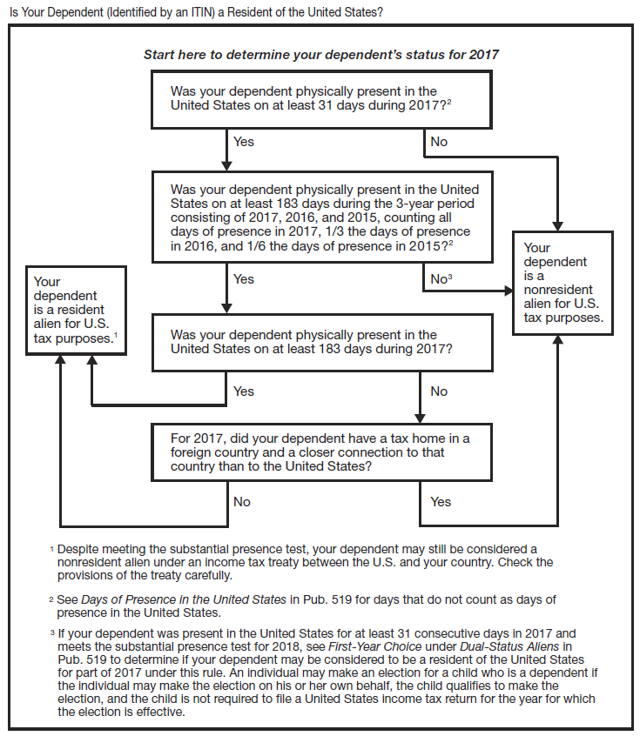
 |  |  |  |  |  |  |  |  |  |  |  |  |  |  |  |  |  |  |  |  |  |  |  |  |  |  | Notes
SCHEDULE 8812 |  |  |  |  |  |  |  | Child Tax Credit |  |  |  |  |  |  |  |  |  | OMB No. 1545-0074
(Form 1040A or 1040) |  |  |  |  |  |  |  |  |  |  |  |  |  |  |  |  |  | 2017

 |  |  |  |  |  |  | Attach to Form 1040, Form 1040A, or Form 1040NR. |  |  |  |  |  |  |  |  |  |  | Attachment Sequence No.
Department of the Treasury Internal Revenue Service (99) |  |  |  |  |  | Go to www.irs.gov/Schedule8812 for instructions and the latest |  |  |  |  |  |  |  |  |  |  |  |  | Attachment Sequence No. |  |  | 47
 |  |  |  |  |  |  |  |  | information.
Name(s) shown on return |  |  |  |  |  |  |  |  |  |  |  |  |  |  |  |  |  | Your social security number
 |  |  |  |  |  |  |  |  |  |  |  |  |  |  |  |  |  | 000000000

Part I |  |  |  | Filers Who Have Certain Child Dependent(s) with an Individual Taxpayer Number (ITIN) |  |  |  |  |  |  |  |  |  |  |  |  |  |  |  |  |  |  |  |  | NOTE: Like an SSN, an ITIN number is nine digits in the format xxx-xx-xxx. But the first digit will always be a 9, and the second section of the number will be in the range of 70-88 (e.g., 9xx-88-xxxx).

 |  |  |  | Complete this part only for each dependent who has an ITIN and for whom you are claiming the child tax credit.
 |  |  |  | If your dependent is not a qualifying child for the credit, you cannot include that dependent in the calculation of this credit.

Answer the following questions for each dependent listed on Form 1040, line 6c; Form 1040A, line 6c; or Form 1040NR, line 7c, who has an Individual Taxpayer Identification Number (ITIN) and that you indicated is a qualifying child for the child tax credit by checking column (4) for that dependent.
A | For the first dependent identified with an ITIN and listed as a qualifying child for the child tax credit, did this child meet the substantial presence test? See separate instructions.
 |  |  |  | Yes |  |  | No |  |  |  |  |  |  |  |  |  |  |  |  |  | FALSE |  | FALSE

B | For the second dependent identified with an ITIN and listed as a qualifying child for the child tax credit, did this child meet the substantial
 | presence test? See separate instructions.

 |  |  |  | Yes |  |  | No |  |  |  |  |  |  |  |  |  |  |  |  |  | FALSE |  | FALSE

C | For the third dependent identified with an ITIN and listed as a qualifying child for the child tax credit, did this child meet the substantial presence test? See separate instructions.

 |  |  |  | Yes |  |  | No |  |  |  |  |  |  |  |  |  |  |  |  |  | FALSE |  | FALSE

D | For the fourth dependent identified with an ITIN and listed as a qualifying child for the child tax credit, did this child meet the substantial presence test? See separate instructions.

 |  |  |  | Yes |  |  | No |  |  |  |  |  |  |  |  |  |  |  |  |  | FALSE |  | FALSE
 |  |  |  |  |  |  |  |  |  |  |  |  |  |  |  |  |  |  |  |  | FALSE |  | FALSE
 | Note: | If you have more than four dependents identified with an ITIN and listed as a qualifying child for the child tax credit, see separate instructions
 |  | and check here |  |  |  |  |  |  |  |  |  |  |  |  |  |  |  |  |  |  |  | . . . . . . . . . . . . . . . . . . . . . . . . . . . . . . . . . . . . . . . . . . . . . . . .
 |  |  |  |  |  |  |  |  |  |  |  |  |  |  |  |  |  |  |  |  |  |  |  |  |  | Override
Part II |  |  |  | Additional Child Tax Credit Filers
1 | If you file Form 2555 or 2555-EZ, stop here; you cannot claim the additional child tax credit. |  |  |  |  |  |  |  |  |  |  |  |  |  |  |  |  |  |  | FALSE

 | If you are required to use the worksheet in Pub. 972, enter the amount from line 8 of the Child Tax
 | Credit Worksheet in the publication. Otherwise:

 | 1040 filers: |  |  |  | Enter the amount from line 6 of your Child Tax Credit Worksheet (see the |  |  |  |  |  |  |  |  |  |  |  |  | 1
 |  |  |  |  | instructions for Form 1040, line 52).
 | 1040A filers: |  |  |  | Enter the amount from line 6 of your Child Tax Credit Worksheet (see the
 |  |  |  |  | instructions for Form 1040A, line 35).
 | 1040NR filers: |  |  |  | Enter the amount from line 6 of your Child Tax Credit Worksheet (see the
 |  |  |  |  | instructions for Form 1040NR, line 49).
2 | Enter the amount from Form 1040, line 52; Form 1040A, line 35; or Form 1040NR, line 49 |  |  |  |  |  |  |  |  |  |  |  |  |  |  |  |  | 2
3 | Subtract line 2 from line 1. |  |  |  |  | If zero, stop here; you cannot claim this credit. |  |  |  |  |  |  |  |  |  | FALSE |  | 3
4a | Earned income (see separate instructions) |  |  |  |  |  |  |  |  |  |  |  |  | 4a
b | Nontaxable combat pay (see separate
 | instructions) |  |  |  |  |  |  |  |  | . . . . . . . . . . . . . . . . . . . . | 4b
5 | Is the amount on line 4a more than $3,000? |  |  |  |  |  |  |  |  |  |  |  |  |  | 3000
 |  | No. |  | Leave line 5 blank and enter -0- on line 6.
 |  |  |  |  |  |  |  |  |  |  |  |  |  | 5
 |  | Yes. |  | Subtract $3,000 from the amount on line 4a. Enter the result |  |  |  |  |  |  |  |  | . . . . .

6 | Multiply the amount on line 5 by 15% (0.15) and enter the result |  |  |  |  |  |  |  |  |  |  |  |  |  |  |  | . . . . . . . . . . . . . . . . . . | 6
 | Next. |  | Do you have three or more qualifying children? |  |  |  |  |  |  |  |  |  |  |  |  | 0.15 |  |  |  |  |  |  |  |  | 0 | Number of qualifying children
 |  | No. |  | If line 6 is zero, stop here; you cannot claim this credit. Otherwise, skip Part III and enter the
 |  |  |  | smaller of line 3 or line 6 on line 13.

 |  | Yes. |  | If line 6 is equal to or more than line 3, skip Part III and enter the amount from line 3 on line 13.
 |  |  |  | Otherwise, go to line 7.
For Paperwork Reduction Act Notice, see your tax return instructions. |  |  |  |  |  |  |  |  |  |  |  | Cat. No. 59761M |  |  |  |  |  |  |  |  |  |  |  | Schedule 8812 (Form 1040A or 1040) 2017
Schedule 8812 (Form 1040A or 1040) 2017 |  |  |  |  |  |  |  |  |  |  |  |  |  |  |  |  |  |  |  |  |  |  |  | Page 2
Part III |  |  |  | Certain Filers Who Have Three or More Qualifying Children |  |  |  |  |  |  |  |  |  |  | FALSE
7 | Withheld social security, Medicare, and Additional Medicare taxes from
 | Form(s) W-2, boxes 4 and 6. If married filing jointly, include your spouse’s |  |  |  |  |  |  |  |  |  |  |  |  |  |  |  |  |  |  |  |  |  |  |  |  | Override
 | amounts with yours. If your employer withheld or you paid Additional
 | Medicare Tax or tier 1 RRTA taxes, see separate instructions |  |  |  |  |  |  |  |  |  |  |  | . . . . . . . | 7

8 | 1040 filers: |  |  |  | Enter the total of the amounts from Form 1040, lines
 |  |  |  |  | 27 and 58, plus any taxes that you identified using code
 |  |  |  |  | “UT” and entered on line 62.
 | 1040A filers: |  |  |  | Enter -0-. |  |  |  |  |  |  |  |  | 8
 | 1040NR filers: |  |  |  | Enter the total of the amounts from Form 1040, lines
 |  |  |  |  | 27 and 56, plus any taxes that you identified using code
 |  |  |  |  | “UT” and entered on line 60.
9 | Add lines 7 and 8 |  |  |  |  |  |  |  |  |  |  |  | . . . . . . . . . . . . . . . . . . . . . . . . . | 9
10 | 1040 filers: |  |  |  | Enter the total of the amounts from Form 1040, lines
 |  |  |  |  | 66a and 71.
 |  |  |  |  | “UT” and entered on line 62.
 | 1040A filers: |  |  |  | Enter the total of the amount from Form 1040A, line |  |  |  |  |  |  |  |  | 10
 |  |  |  |  | 42a, plus any excess social security and tier 1 RRTA
 |  |  |  |  | taxes withheld that you entered to the left of line 46
 |  |  |  |  | (see separate instructions).
 | 1040NR filers: |  |  |  | Enter the amount from Form 1040NR, line 67.
11 | Subtract line 10 from line 9. If zero or less, enter -0- |  |  |  |  |  |  |  |  |  |  |  |  |  |  |  | . . . . . . . . . . . . . . . . . . . . | 11
12 | Enter the larger of line 6 or line 11 |  |  |  |  |  |  |  |  |  |  |  |  |  |  |  | . . . . . . . . . . . . . . . . . . . . . . . . . . . . | 12
 | Next, enter the smaller of line 3 or line 12 on line 13.
Part IV |  |  |  | Additional Child Tax Credit
13 | This is your additional child tax credit |  |  |  |  |  |  |  |  |  |  |  |  |  |  |  | . . . . . . . . . . . . . . . . . . . . . . . . . . . . | 13 |  | 0

 |  |  |  |  |  |  |  |  |  |  |  |  |  |  |  |  |  |  |  |  |  |  |  | Schedule 8812 (Form 1040A or 1040) 2017

