Sheet1
 | PE (Domestic) | 340000 | Q (L/PE/day) | 180
 | PE (Commercial) | 28461 | Q (L/PE/day) | 280
 |  | Present flow rates (m3/d)
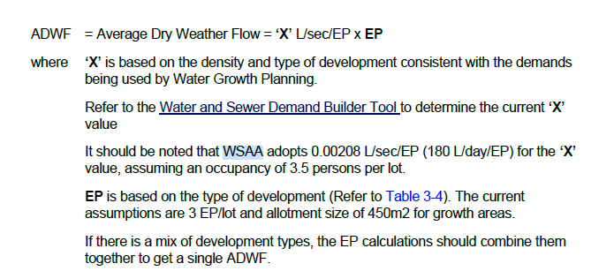
 |  | Minimum | Average | Peak
 | Infiltration
 | Commercial | 2311 | 7969 | 15141
 | Domestic | 17748 | 61200 | 116280
 | Total | 20059.0332 | 69169.08 | 131421.252

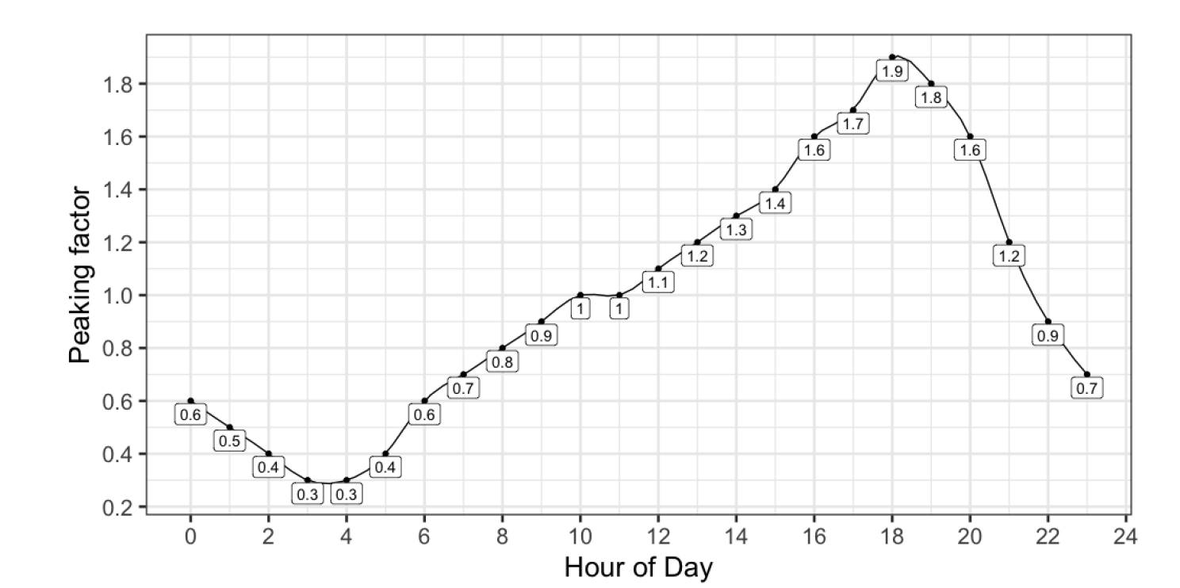

https://discover.data.vic.gov.au/dataset/wastewater-inlet-daily-raw-water-quality-eastern-treatment-plant-etp

 | Group | 10
 | Growth percentage | 1.15 | %
 | Life time | 20 | years

 | PE (Domestic) | 427363 | Q (L/PE/day) | 180
 | PE (Commercial) | 28461 | Q (L/PE/day) | 280
 |  | Present flow rates (m3/d)
 |  | Minimum | Average | Peak
 | Infiltration |  |  |  | DECIDE THE LIFE TIME OF THE TREATMENT PLANT.
 | Commercial | 2311 | 7969 | 15141
 | Domestic | 22308 | 76925 | 146158
 | Total | 24619.3818 | 84894.42 | 161299.398

