2. Head Loss Thru Bar Screens
 | Wastewater Screening Calculations - S.I. Units |  |  |  |  |  |  | References and Equations
 |  | Calculation of Head Loss Across Bar Screen |  |  |  |  | For background and descriptive information about Wastewater Screening see:
 |  |  |  |  |  | Enter values in
USER INPUTS | a) Calculation of depth of flow for specified approach channel width and slope |  |  |  |  | yellow cells only | Introduction to Water Resource Recovery Facility Design, 2nd Ed.
 |  |  |  |  |  |  | Ch. 4 Preliminary Treatment - Sec. 2.0 Screening
 | Design Average |  |  |  |  |  | Handbook of Environmental Engineering Calculations, 2nd Ed.
 | Infl. Flow Rate, Q = | 7570 | m3/d | Manning roughness, n = | 0.013 |  | 1.7 Wastewater Engineering - Sec. 14 Screening Devices
 | Channel
 | bottom slope, S = | 0.0008 | m/m | Channel Width, b = | 0.45 | m | Water and Wastewater Calculations Manual, 3rd Ed.
 |  |  |  |  |  |  | Ch. 6 Wastewater Engineering - Sec. 14 Screening Devices
 |  |  | Initial assumed depth of flow, y = |  | 0.34 | m
 | Note that an initial assumed value of depth of flow is needed here to start the iterative calculation below. |  |  |  |  |  | Information about the Manning Equation, used to calculate the depth of flow in the approach channel
 |  |  |  |  |  |  | is available at: | Open Channel Hydraulics, 3rd Ed, Sec. 4.4 Background of the Chezy and Manning Formulas
CALCULATIONS
 | Infl. Flow Rate, Q = | 0.088 | m3/s | Area of Flow, A = | 0.15 | m2 | The Manning Equation: Q = (1.0/n)(A)(R2/3)(S1/2) is given as:
 | (in m3/s) |  |  |  |  |  |  |  | Equation 7.34 in the Handbook of Hydraulics, 8th Ed.
 | Q*n/(1.0*S1/2) = | 0.04027 |  | Wetted Perimeter, P = | 1.13 | m
 |  |  |  |  |  |  | The values for the Manning Roughness Coefficient, n, in the tables below are from:
 | A*R2/3 = | 0.04034 |  | Q*n/(1*S1/2) - A*R2/3 = | 0.000 |  |  |  | Open Channel Hydraulics, 3rd Ed., Table 4.1
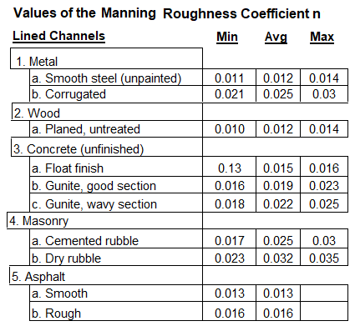
 | Depth of Flow for channel
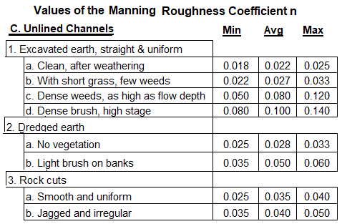
 | parameter values shown above = |  |  | 0.340 | m

 | NOTE: Use Excel's "Goal Seek" to find y as follows: Place the cursor on cell G21 and click on
 | "Goal Seek" (in the "tools" menu of older versions and under "Data - What if Analysis" in newer
 | versions of Excel). Enter values to "Set cell:" G21, "To value:" 0, "By changing cell:" G13, and
 | click on "OK". The calculated value of y will appear in cells G13 and F 23 above. Cell G21 should
 | equal zero if the process worked properly. Note that an initial estimate of y is needed in cell G13
 | to start the iterative process.

USER INPUTS | b) Calculation of head loss across bar screen

 | Coefficient
 | of Discharge, C = | 0.84 |  | Number of Bars, NB = | 6
 |  |  |  |  |  |  | The equation used to calculate the headloss across a bar screen is: hL = (1/C2)[(Vs2 – V2)/2g]

 | Width of Bars, WB = | 25.120 | mm |  |  |  | This is: | Equation 6-29 in Water and Wastewater Calculations Manual, 3rd Ed.

 |  |  |  |  |  |  | The parameters in Equation 6-29 are: |  | hL = headloss across bar screen, m
 |  |  |  |  |  |  |  |  | C = discharge coefficient (a typical value is 0.84)
CALC'NS |  |  |  |  |  |  |  |  | Vs = velocity through bar screen, m/s
 |  |  |  |  |  |  |  |  | V = approach velocity in channel, m/s

 |  |  |  | Velocity thru Screen, Vs = | 0.86 | m/s
 | Approach Velocity, V = | 0.57 | m/s
 |  |  | Headloss across Screen, hL = |  | 0.030 | m

 | Copyright © McGraw-Hill, All rights reserved.

0
1/8
1/4
3/8
1/2
5/8
3/4
7/8

4. Screening Vol. - Bar Screens
Minimum Screenings Volume
 | Wastewater Screening Calculations - S.I. Units |  |  |  |  |  |  | References and Equations
 | Calculation of Screenings Volume for Bar Screen |  |  |  |  |  | For background and descriptive information about Wastewater Screening see:
 |  |  |  |  |  |  | Introduction to Water Resource Recovery Facility Design, 2nd Ed.
INPUTS |  | Enter vaues in yellow cells only |  |  |  |  | Ch. 4 Preliminary Treatment - Sec. 2.0 Screening
 |  |  |  |  |  |  | Handbook of Environmental Engineering Calculations, 2nd Ed.
 |  |  |  |  |  |  | 1.7 Wastewater Engineering - Sec. 14 Screening Devices |  |  |  |  | 10 | 0.24 | 0.24
 | Design Average |  |  | Width of Openings |  |  |  |  |  |  |  | 20 | 0.16 | 0.16
 | Infl. Flow Rate, Q = | 7570 | m3/d | between Bars, Wo = | 34.30 | mm | Water and Wastewater Calculations Manual, 3rd Ed. |  |  |  |  | 40 | 0.08 | 0.080
 |  |  |  |  |  |  | Ch. 6 Wastewater Engineering - Sec. 14 Screening Devices |  |  |  |  | 50 | 0.06 | 0.060

Average Screenings Volume
 |  |  |  |  |  |  | Design of Water Resource Recovery Facilities, 6th Ed. - Figure 9.1 |  |  |  | will be used to
 |  |  |  |  |  |  | calculate the head loss across a bar screen with specified width between bars.
CALC'NS | Estimated Volume of Screenings Removed from Wastewater:
 |  |  |  |  |  |  | The values in the table below were read from Figure 9.1, which is shown below left.
 | Estimated Minimum Volume, Vmin = |  | 0.095 | L/1000 m3 or | 0.72 | L/day
 | Estimated Average Volume, Vave = |  | 0.275 | L/1000 m3 or | 2.08 | L/day | Screen | Min Screenings | Ave Screenings | Max Screenings
 | Estimated Maximum Volume, Vmax = |  | 0.509 | L/1000 m3 or | 3.86 | L/day | Opening, mm | Vol., L/1000 m3 | Vol., L/1000 m3 | Vol., L/1000 m3 |  | 10 | 0.37 | 0.36997
 |  |  |  |  |  |  | 10 | 0.24 | 0.37 | 0.6 |  | 20 | 0.325 | 0.32498
 |  |  |  |  |  |  | 20 | 0.16 | 0.325 | 0.55 |  | 40 | 0.26 | 0.26002
 |  |  |  |  |  |  | 40 | 0.08 | 0.26 | 0.5 |  | 50 | 0.24 | 0.24005
 | Estimated Volume of Screenings Removed from Wastewater: |  |  |  |  |  | 50 | 0.06 | 0.24 | 0.47
 | Figure 9.1 Screenings quantities from coarse screens
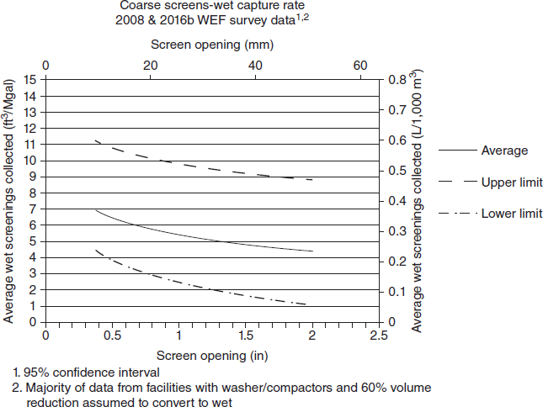
 |  |  |  |  |  |  | From the graphs and equation fitting at the right:

Maximum Screenings Volume
 |  |  |  |  |  |  | Equation for Min. Screenings Vol.: y = - (1.6667 x 10-6)x3 + 0.00025x2 - 0.01433x + 0.36

 |  |  |  |  |  |  | Equation for Ave. Screenings Vol.: y = 0.0000417x2 - 0.00575x + 0.423

 |  |  |  |  |  |  | Equation for Max. Screenings Vol.: y = 0.0000333x2 - 0.0051x + .645 |  |  |  |  | 10 | 0.6 | 0.597
 |  |  |  |  |  |  |  |  |  |  |  | 20 | 0.55 | 0.556
 |  |  |  |  |  |  |  |  |  |  |  | 40 | 0.5 | 0.494
 |  |  |  |  |  |  |  |  |  |  |  | 50 | 0.47 | 0.473

5. Screening Vol.- Fine Screens
Minimum Screenings Volume
 | Wastewater Screening Calculations - S.I. Units |  |  |  |  |  |  | References and Equations
 | Calculation of Screenings Volume for Bar Screen |  |  |  |  |  | For background and descriptive information about Wastewater Screening see:
 |  |  |  |  |  |  | Introduction to Water Resource Recovery Facility Design, 2nd Ed.
INPUTS |  | Enter vaues in yellow cells only |  |  |  |  | Ch. 4 Preliminary Treatment - Sec. 2.0 Screening |  |  |  |  | 2 | 4.8 | 4.8
 |  |  |  |  |  |  | Handbook of Environmental Engineering Calculations, 2nd Ed. |  |  |  |  | 3 | 4.9 | 4.9
 |  |  |  |  |  |  | 1.7 Wastewater Engineering - Sec. 14 Screening Devices |  |  |  |  | 5 | 5.1 | 5.1
 | Design Average |  |  | Diameter of screen |  |  |  |  |  |  |  | 6 | 5.2 | 5.2
 | Infl. Flow Rate, Q = | 7570.0 | m3/d | Openings, Do = | 1.40 | mm | Water and Wastewater Calculations Manual, 3rd Ed.
 |  |  |  |  |  |  | Ch. 6 Wastewater Engineering - Sec. 14 Screening Devices

Average Screenings Volume
 |  |  |  |  |  |  | Design of Water Resource Recovery Facilities, 6th Ed. - Figure 9.2 |  |  |  | will be used to
 |  |  |  |  |  |  | calculate the head loss across a fine screen with specified opening size.
CALC'NS | Estimated Volume of Screenings Removed from Wastewater:
 |  |  |  |  |  |  | The values in the table below were read from Figure 9.2, which is shown below left.
 | Estimated Minimum Volume, Vmin = |  | 4.740 | L/1000 m3 or | 35.88 | L/day
 |  |  | 9.842 | L/1000 m3 or | 74.50 | L/day | Screen | Min Screenings | Ave Screenings | Max Screenings
 | Estimated Maximum Volume, Vmax = |  | 19.850 | L/1000 m3 or | 150.26 | L/day | Opening, mm | Vol., L/1000 m3 | Vol., L/1000 m3 | Vol., L/1000 m3 |  | 2 | 9.5 | 9.47
 |  |  |  |  |  |  | 2 | 4.8 | 9.5 | 15 |  | 3 | 8.8 | 8.85
 |  |  |  |  |  |  | 3 | 4.9 | 8.8 | 13 |  | 5 | 7.6 | 7.61
 |  |  |  |  |  |  | 5 | 5.1 | 7.6 | 10 |  | 6 | 7 | 6.99
 | Estimated Volume of Screenings Removed from Wastewater: |  |  |  |  |  | 6 | 5.2 | 7 | 9
 | Figure 9.2 Screenings quantities from fine screens
 |  |  |  |  |  |  | From the graphs and equation fitting at the right:
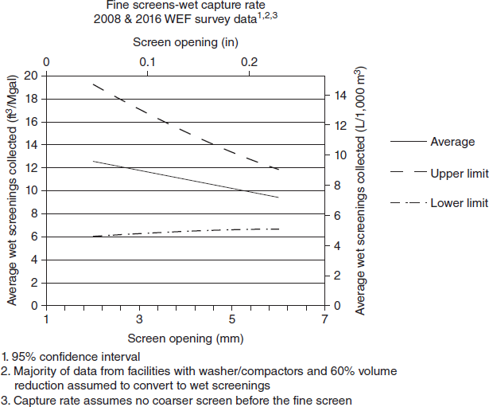
Maximum Screenings Volume
 |  |  |  |  |  |  | Equation for Min. Screenings Vol.: y = 0.10x + 4.6

 |  |  |  |  |  |  | Equation for Ave. Screenings Vol.: y = - 0.62x + 10.71

 |  |  |  |  |  |  | Equation for Max. Screenings Vol.: y = - 1.5x + 17.75
 |  |  |  |  |  |  |  |  |  |  |  | 2 | 15 | 14.75
 |  |  |  |  |  |  |  |  |  |  |  | 3 | 13 | 13.25
 |  |  |  |  |  |  |  |  |  |  |  | 5 | 10 | 10.25
 |  |  |  |  |  |  |  |  |  |  |  | 6 | 9 | 8.75

