Engine
Holistic Engine Logic Program (HELP!)

 | Engine Sizing Parameters

 | Performance Specifications |  |  | Propellants |  |  |  | Geometry
 | F | lbf | thrust of engine
 | Pex | psi | exit pressure | General |  |  |  | Definition
 | Pa | psi | ambient pressure | Fuel |  |  | fuel choice (see table below) | Geometry Type: |  |  | options: "bell", "conical", "crude" *see note
 | c* eff. | N/A | c* efficiency | Oxidizer |  |  | oxidizer choice (see table below) | Sizing Method: |  |  | options: "contraction", "chamber", "throat" *see note
 | cF eff. | N/A | cF efficiency | Fuel2 |  |  | 2nd fuel choice (normally disregard this)
 | tb | sec | burn time | Fuel Ratio | 100 | % | percentage of second fuel in mixture (usually leave as 1) | General
 |  |  |  | OF |  |  | oxidizer to fuel ratio | L* |  | in | characteristic length of chamber
 | * if you see a yellow box anywhere, that indicates a super important parameter and is something you should probably assign a value to (or not, I'm not going to stop you) |  |  |  |  |  |  | θconv |  | deg | convergence angle
 |  |  |  | Detailed |  |  |  | CR |  |  | contraction ratio (when sizing method "contraction" is enabled)
 |  |  |  | Tfuel |  | R | fuel injection temperature | Dc |  | in | chamber inner diameter (when sizing method "chamber" is enabled)
 |  |  |  | Toxidizer |  | R | oxidizer injection temperature | Dt |  | in | throat diameter (when sizing method "throat" is enabled)
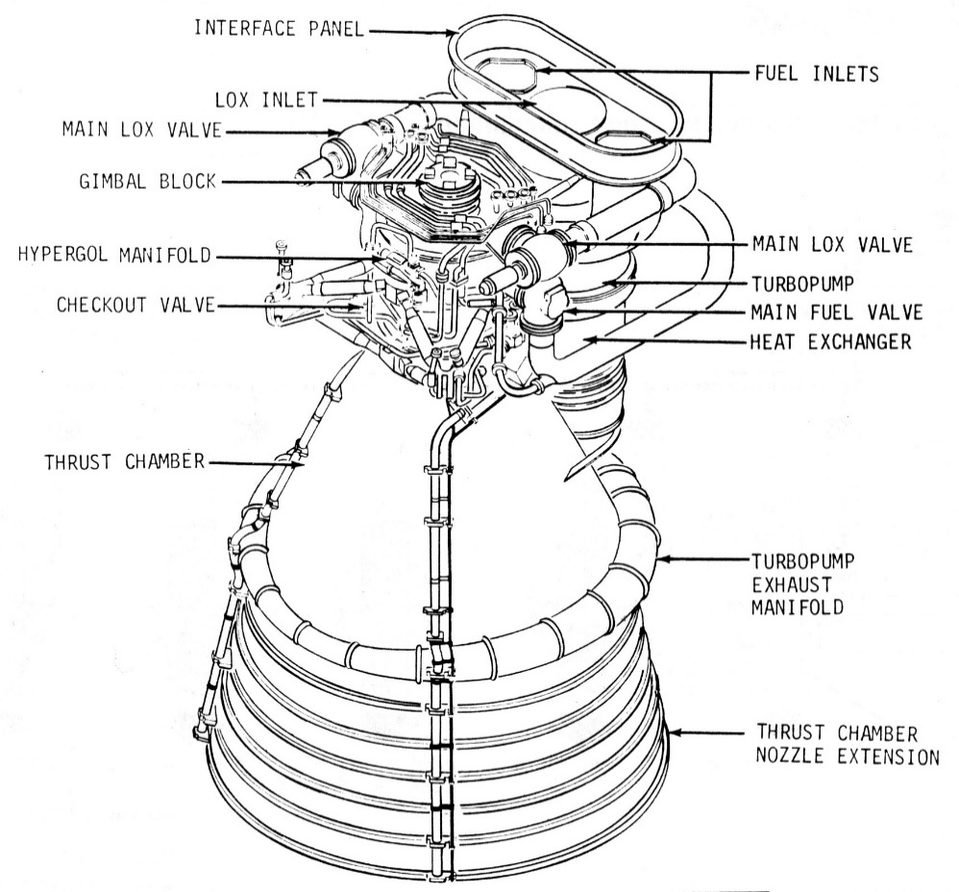
 |  |  |  | * variables in the "detailed" category are not necessary for general engine sizing but may be used for injector, cooling, or fluid system sizing |  |  |  | Bell
 |  |  |  |  |  |  |  | Pctbell | 80 | % | percent of conical nozzle length (leave this alone)
 |  |  |  |  |  |  |  | θi |  | deg | initial bell angle *see note
 |  |  |  | CEA Propellant Inputs |  |  |  | θe |  | deg | exit bell angle *see note
 |  |  |  | This program interfaces directly with CEA to provide combustion characteristics and as such is very picky with input. Below is a list of common fuel and oxidizer strings that won't make the program sad:
 |  |  |  |  |  |  |  | Conical
 |  |  |  |  |  |  |  | θhalf | 15 | deg | conical nozzle half-angle (leave this alone)
 |  |  |  | Fuels |  |  |  | Lthroat |  | in | length of straight throat section (only for crude nozzles)
 |  |  |  | Jet-A(L) | Jet-A (Kerosene) |  |  | Dstock |  | in | diameter of round bar stock as reference for crude nozzles
 |  |  |  | RP-1 | RP-1 (Kerosene)
 |  |  |  | C2H5OH(L) | Ethanol |  |  | * "bell" sizes a normal bell nozzle curve, "conical" sizes a conical engine with a curved throat and conical nozzle, and "crude" sizes an conical engine made entirely of straight sections
 |  |  |  | CH4(L) | Liquid Methane
 |  |  |  | CH4 | Gaseous Methane
 |  |  |  | H2(L) | Liquid Hydrogen |  |  | * "contraction" sizes based off of contraction ratio, "chamber" sizes around a given chamber inner diameter, and "throat" sizes around a given throat diameter. You can size around both throat and chamber diameter if you select "throat" as your sizing method and keep a chamber diameter assigned
 |  |  |  | H2 | Gaseous Hydrogen

 |  |  |  | Oxidizers |  |  |  | * initial and exit bell angles are derived emperically from http://www.aspirespace.org.uk/downloads/Thrust%20optimised%20parabolic%20nozzle.pdf
 | I was bothered by this large uncanny white space, so please enjoy this F-1 engine schematic in its place <3 |  |  | O2(L) | Liquid Oxygen
 |  |  |  | O2(G) | Gaseous Oxygen
 |  |  |  | N2O | Nitrous Oxide
 |  |  |  | H2O2(L) | Hydrogen Peroxide (HTP)

 |  |  |  | * if no fuel and/or injection temperature is set in the "detailed" section above, CEA will assume your propellants are room temperature or, if a cryogen, at their boiling point

