Engine
Holistic Engine Logic Program (HELP!)

 | Engine Sizing Parameters

 | Performance Specifications |  |  |  | Propellants |  |  |  | Geometry
 | F | 550 | lbf | thrust of engine
 | Pc | 275 | psi | chamber pressure | General |  |  |  | Definition
 | Pex | 18.5 | psi | exit pressure | Fuel | C3H8O,2propanol |  | fuel choice (see table below) | Geometry Type: | bell |  | options: "bell", "conical", "crude" *see note
 | Pa | 14.7 | psi | ambient pressure (usually leave blank) | Oxidizer | O2(L) |  | oxidizer choice (see table below) | Sizing Method: | normal |  | options: "normal", "throat" *see note
 | c* eff. | 90 | % | c* efficiency | Fuel2 |  |  | 2nd fuel choice (normally disregard this) | Converging Method: | diameter |  | options: "contraction", "diameter", "auto", "exit" *see note
 | cF eff. | 92 | % | cF efficiency | Fuel Ratio | 100 | % | percentage of second fuel in mixture (usually leave as 1)
 | pctthrottle | 25 | % | minimum throttle percent | OF | 1.3 |  | oxidizer to fuel ratio | General
 | tb |  | sec | burn time |  |  |  |  | L* | 40 | in | characteristic length of chamber
 |  |  |  |  | Detailed |  |  |  | θconv | 45 | deg | convergence angle
 | * if you see a yellow box anywhere, that indicates a super important parameter and is something you should probably assign a value to (or not, I'm not going to stop you) |  |  |  | Tfuel | 0 | R | fuel injection temperature | CR |  |  | contraction ratio (when sizing method "contraction" is enabled)
 |  |  |  |  | Toxidizer | 0 | R | oxidizer injection temperature | Dc | 3.75 | in | chamber inner diameter (when sizing method "chamber" is enabled)
 |  |  |  |  |  |  |  |  | Dt |  | in | throat diameter (when sizing method "throat" is enabled)
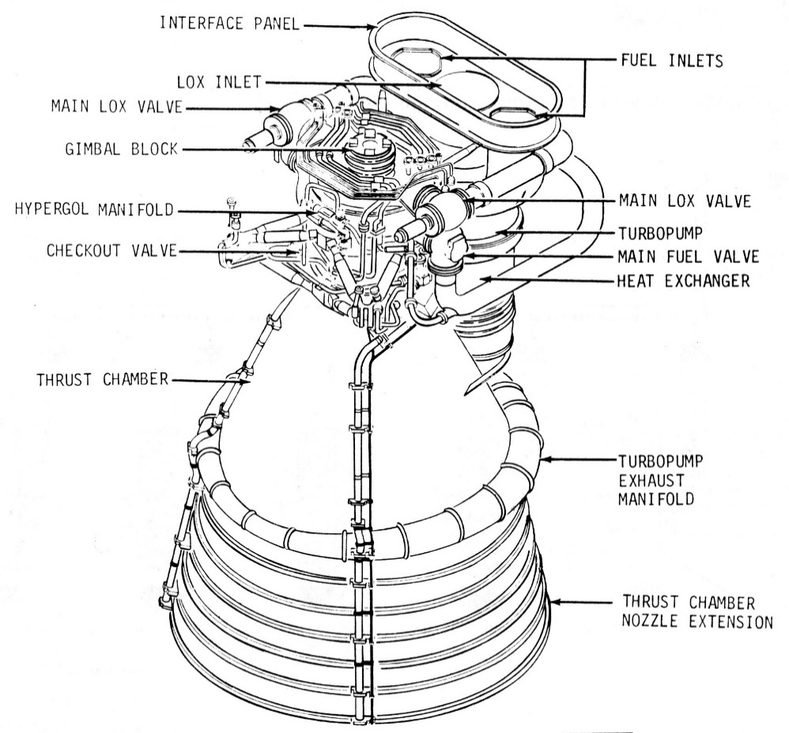
 |  |  |  |  | * if no fuel and/or injection temperature is set in the "detailed" section above, the program will assume your propellants are room temperature or, if a cryogen, at their boiling point
 |  |  |  |  |  |  |  |  | Bell
 |  |  |  |  |  |  |  |  | Pctbell | 80 | % | percent of conical nozzle length when bell is enabled (leave this alone)
 |  |  |  |  | CEA Propellant Inputs
 |  |  |  |  | This program interfaces directly with CEA to provide combustion characteristics and as such is very picky with input. Below is a list of common fuel and oxidizer strings that won't make the program sad: |  |  |  | Conical
 |  |  |  |  |  |  |  |  | θhalf | 15 | deg | conical nozzle half-angle (leave this alone)
 |  |  |  |  |  |  |  |  | Lthroat | 0.25 | in | length of straight throat section (only for crude nozzles)
 |  |  |  |  | Fuels |  |  |  | Dstock | 0 | in | diameter of round bar stock as reference for crude nozzles
 |  |  |  |  | Jet-A(L) | Jet-A (Kerosene)
 |  |  |  |  | RP-1 | RP-1 (Kerosene) |  |  | * "bell" sizes a normal bell nozzle curve, "conical" sizes a conical engine with a curved throat and conical nozzle, and "crude" sizes an conical engine made entirely of straight sections
 |  |  |  |  | C2H5OH(L) | Ethanol
 |  |  |  |  | CH4(L) | Liquid Methane
 |  |  |  |  | CH4 | Gaseous Methane |  |  | * "normal" sizes your engine normally wheras "throat" will determine your thrust and mdot based off of your given throat size. Further, "contraction" sizes your converging section based off of contraction ratio, "diameter" sizes around a given chamber inner diameter, "auto" will automatically calculate a rough contraction ratio for your throat size, and "exit" will set your chamber diameter to the same as your exit diameter.
 |  |  |  |  | H2(L) | Liquid Hydrogen
 |  |  |  |  | H2 | Gaseous Hydrogen
 |  |  |  |  | C3H8O,1propanol | Isopropyl Alcohol (IPA)

 |  |  |  |  | Oxidizers
 | I was bothered by this large uncanny white space, so please enjoy this F-1 engine schematic in its place <3 |  |  |  | O2(L) | Liquid Oxygen
 |  |  |  |  | O2(G) | Gaseous Oxygen
 |  |  |  |  | N2O | Nitrous Oxide
 |  |  |  |  | H2O2(L) | Hydrogen Peroxide (HTP)

