Sheet1
Column | Silica_surface | 填料粒径 | 取代基 |  | Amount
ADH | Amylose | 5 | a |  | 4097
ODH | Cellulose | 5 | a |  | 3563
IC | Cellulose | 5 | b |  | 1418
IA | Amylose | 5 | a |  | 1299
OJH | Cellulose | 5 | c |  | 1213
ASH | Amylose | 5 | d |  | 885
IC3 | Cellulose | 3 | b |  | 799
IE | Amylose | 5 | b |  | 659
ID | Amylose | 5 | e |  | 527
OD3 | Cellulose | 3 | a |  | 448
IB | Cellulose | 5 | a |  | 430
AD | Amylose | 10 | a |  | 418
AD3 | Amylose | 3 | a |  | 370
IF | Amylose | 5 | f |  | 289
OD | Cellulose | 10 | a |  | 269
AS | Amylose | 10 | d |  | 237
OJ3 | Cellulose | 3 | c |  | 213
IG | Amylose | 5 | g |  | 189
AZ | Amylose | 10 | f |  | 180
IAH | Amylose | 5 | a |  | 164
OJ | Cellulose | 10 | c |  | 146
ICH | Cellulose | 5 | b |  | 135
OZ3 | Cellulose | 3 | f |  | 121
IF3 | Amylose | 3 | f |  | 82
IAU | Amylose | 1.6 | a |  | 50

内径 | 4.6
柱长 | 250

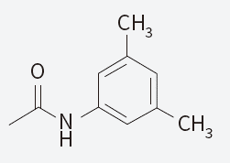
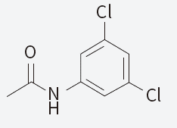
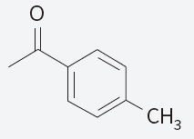
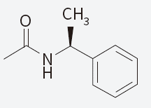
a |  |  |  | b |  | c | d

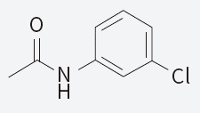
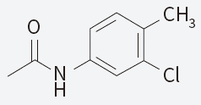
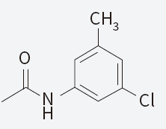
e |  |  |  | f |  | g

a | N(C1C=C(C)C=C(C)C=1)C(=O)C
b | N(C1C=C(Cl)C=C(Cl)C=1)C(=O)C
c | O=C(C)C1=CC=C(C)C=C1
d | C[C@@H](C1=CC=CC=C1)NC(C)=O
e | N(C1C=CC=C(Cl)C=1)C(=O)C
f | N(C1C=CC(=C(Cl)C=1)C)C(=O)C
g | N(C1C=C(C)C=C(Cl)C=1)C(=O)C

