Main Cover Sheet
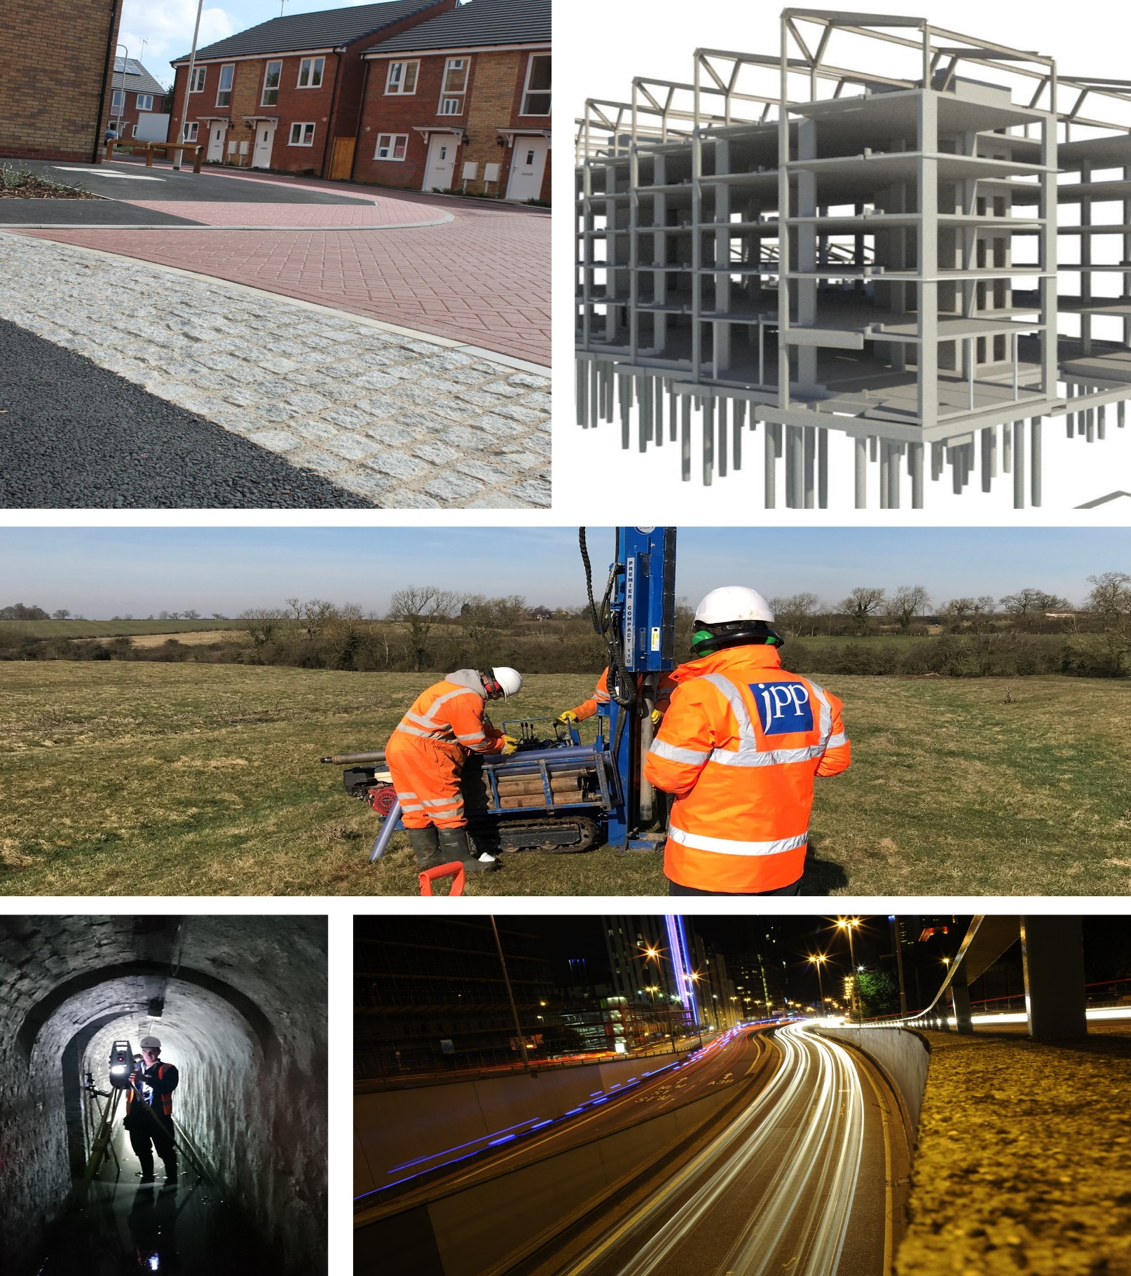

Site Name
To fill
Client Name
To fill
JPP Job Number
To fill
Project Tracker
Revision Date: 08/01/2019

Registered office
Northampton
4 Ironstone Way | Brixworth
Northampton
NN6 9UD
T: 01604 781811
Manchester
3rd Floor | 82 King Street
Manchester
M2 4WQ
T: 0161 682 2927
Milton Keynes
25 Linford Forum | Rockingham Drive
Linford Wood | Milton Keynes
MK14 6LY
T: 01908 889433
Poole
Suite 8 | Branksome Park House
Branksome Business Park
Bourne Valley Road | Poole | BH12 1ED
T: 01202 540888

T38 CID - Client Inst Doc

Client Instruction Document

Company: | JPP Consulting Limited
 | 4 Ironstone Way
 | Brixworth
 | Northampton
 | NN6 9UD

 | 01604 781811
JPP Contact: | Ceris Wisdish, Senior Design Coordinator |  |  | Designcoordinatoradmin@jppuk.net

Job Scheme: | Site Name Line 1 |  | JPP Scheme Ref: | Insert Job Scheme number

Site Address:

Supporting Document:
 | JPP Fees & Task
 | JPP Term & Conditions
 | Copy client Instruction by email

Instructing Client Details please complete and return within 5 working days
Invoicing Client Details (If different to above) please complete and return within 5 working days
Section Agreements to collate information in readiness (as applicable)
Please add any other parties involved

Quotation Ref: |  |  | Agreed fee: | £

Start Date: |  |  | Project Duration:

This instruction document is signed and agreed on behalf

Client:

Signatory:

Print Name:

Position:

Date:

Instructing Client Details
Instructing client name:
Company address:

Registered address:
(if different from above)

Business Description (i.e. Architect, House Builder, Developer, etc.)
Company registered no:
VAT registration no:
Telephone no:
Website address:
Primary representative name:
Email address:
Telephone no:
Secondary representative name:
Email address:
Telephone no:
Clients project ref / PO number:
Principal Designer Name:
Principal Designer contact:
Comments:

Invoicing Client Details
Invoicing client name:
Company address:

Registered address:
(if different from above)

Business Description (i.e. Architect, House Builder, Developer, etc.)
Company registered no:
VAT registration no:
Telephone no:
Website address:
Accounts contact name:
Accounts telephone no:
Email address for invoicing:
Email address for statements:
Payment Terms (number of days)
Is a purchase order required: (please show format of PO for clarification) |  | YES / NO PO FORMAT **************
Purchase Order contact:
Purchase Order Authorisation Signatory contact:
Variation Order Request contact:
Variation Order Request Authorisation Signatory contact:
Comments:

JPP Internal Use only: Credit Report Date |  | CW01ENQ ( ) | CW02LIV ( ) | CW03REP ( )
Comments:

Section Agreements
Land owner name:
Land owner address:

Contractor Details
Contractor name:
Contractor address:

Additional Resource
Planning permission reference:
Planning authority:
To be provided by the Developer
Estimated cost of total development |  | £
works: |  | (This is required to assist Section Agreement application fees)
Abortive letter of undertaking: |  | See attached template letter which needs adding on to your own letterhead, signing, dating and returning with this form to enable Section Agreement applications to be submitted.
Solicitor Name:
Solicitor Address:

Registered address:
(if different from above)

Practice telephone no:
Bondsman Contact Name:
Bondsman Address:

Bondsman telephone no:

Please provide evidence of the following, where applicable
Proof of ownership of the land
Proof of an intention to enter into a Section 104 agreement and any easements (if appropriate)
Estimated cost of works: including utility company costs
Letter/Email to confirm the covering of reasonable legal costs
Details of any commuted sums - reason for them and agreed costs
Details of any easements
Construction and Design Management
Contractor Insurance Details
Proof of Operative NWR
Proposed Commencement Date of Works
Per Section Application
Risk assessment: |  | For all works to be carried out
Method statement: |  | For all works to be carried out
Location Plan Showing application |  | JPP to provide
General Layout Plan |  | JPP to provide
Comments:

T17 - EDA - Eng Design Info

Site Name Line 1
Inser Site Name Line 2
Insert Client Name Line 3
Insert Job Scheme number
Revision Date |  |  | 2020-01-23

 |  | ON SITE ENGINEERING DESIGN INFORMATION CHECKLIST
Ref Key: C = Client, A = Architect, CC = Contractor, LA = Local Authority, JPP = JPP

Category |  | Item | Yes/No | Who Provides? | Further Action | Owner | Comments
Site Layout |  | Do we have the developer design standards? | No |  | Yes
 |  | Do we have the developer preferred material suppliers? | No | C | Yes
 |  | Site layout in CAD | Yes | A | No
 |  | Does the layout use working house type drawings? | Yes | A | No
 |  | Do we have the working house type drawings? | No | A | Yes
 |  | Is the road layout confirmed as fixed? | N/A | A | No
 |  | Are car parking areas confirmed as fixed? | Not known | A | No
 |  | Are patios confirmed as fixed? | No | A | No
 |  | Are paths confirmed as fixed? | No | A | No
 |  | Are fences confirmed as fixed? | No | A | No
 |  | Are sheds confirmed as fixed? | No | A | No
 |  | Are rotary driers confirmed as fixed? | No | A | No
 |  | Are water butts confirmed as fixed? | No | A | No
 |  | Are compost bins confirmed as fixed? | No | A | No
 |  | Are the bin stores confirmed as fixed? | No | A | No
 |  | Are cycle stores confirmed as fixed? | No | A | No
 |  | Do we have confirmed surface materials? | No | C/A | Yes
 |  | Are the POS areas fixed? | Not known | C/A | No
 |  | Do we have adoptable street lighting design? | No | C/A | Yes
 |  | Conveyancing plans - Do we have the standards? | No | A | Yes
General |  | Do we have a 2D Topographical survey? | No | C | Yes
 |  | Do we have a 3D Topographical survey? | No | C | Yes
 |  | Has the site boundary been established and agreed? | Not known | C/A | Yes
 |  | Do we have Highway extents/ boundaries? | No | C | Yes
 |  | Do we have a Ground investigation report? | No | C | Yes
 |  | Does the SI have all the information we need? | No | C | Yes
 |  | Do we have the Planning conditions? | No | C | Yes |  | Planning Reference required, along with consent due date if known
 |  | Do we have existing service records? | No | C | Yes |  | Statutory Undertaker Enquiry third party fees apply (Virgin Media & BT Openreach)
 |  | Do we have existing service surveys? | No | C | Yes
Highway Design |  | Has the layout been engineering checked? | No | JPP
 |  | Has swept path analysis been done? | No | JPP
 |  | Are the correct vehicles being used in swept path analysis? | N/A | JPP
 |  | Has the principle of permeable paving been agreed with LHA? | No | C | Yes
 |  | Do we have proposed services | No | C | Yes
 |  | Have we provided service corridors? (permeable paving) | N/A
 |  | Do we have duct crossing plans? | No | C | Yes
 |  | Do we have S278 tie in details? | N/A
 |  | Do we have back of footway levels (if doing P&Es only) | N/A
 |  | Do we have the S38 phasing plans? | N/A
Drainage | Planning | Is there a FRA? | Not known | C | Yes
 |  | Do we agree with the FRA? | Not known | C | Yes
 |  | Are there planning conditions relating to the drainage? | N/A | C | Yes
 |  | Do we have the planning conditions? | N/A | C | Yes
 |  | SFA 6th? | Not known | C | Yes
 |  | SFA 7th? | Not known | C | Yes
 |  | Do SUDS need to be provided? | Not known | JPP
 | Existing | Are there existing sewers/ drains on site? | N/A
 |  | Have the existing drains been accurately located? | N/A
 |  | Does the existing drainage need to be diverted? | N/A
 |  | Has ownership of existing drains been confirmed? | N/A
 |  | Consultation with water company/ owner | N/A
 | Foul | Is there a foul water outfall available? | Yes | C | Yes
 |  | Is there a predevelopment enquiry with the water company? | Not known | C | Yes
 |  | Is there any off site modelling works required? | N/A | C
 |  | Is there any off site upgrades required? | N/A | C
 |  | Is there a pumping station? | Yes | C | Yes
 |  | Is there a pumping station compound layout? | Yes | C | Yes
 |  | Is there a preferred rising main route? | Yes | C | Yes
 |  | Is approval to go over third party land required? | Yes | C | Yes
Drainage | Storm | Do soakaways work? | Not known | C | Yes
 |  | Are soakaways viable? | Not known | C | Yes
 |  | Are the soakaway test results available and correct? | Not known | C | Yes
 |  | Is the outfall to a riparian water course? | Not known | C | Yes
 |  | Is a landowner consent required? | Not known | C | Yes
 |  | Is a LLFA consent required? | Not known | C | Yes
 |  | Is the outfall to Main river? | N/A
 |  | Is EA consent required | N/A
 |  | Is the outfall to a sewer? | N/A
 |  | Is there a predevelopment enquiry with the water company? | N/A
 |  | Is there adequate survey information to the outfall? | N/A
 |  | Will the storm need an AIP? | N/A
 |  | Will the storm need a consent to culvert? | N/A
 | Agreements | S104 required? | Yes | JPP
 |  | S106 required? | Yes | JPP
 |  | S185 required? | No
 |  | Do we have the phasing plans? | Not known
Rights of Way |  | Are there any PROW on or near to the site? | N/A | C | Yes
 |  | Do we have the definitive maps? | N/A | C | Yes
 |  | Has the definitive line been plotted on the Topo? | N/A | C | Yes
 |  | Has the definitive line been confirmed with the ROW officer? | N/A | C | Yes
 |  | Is a diversion required? | N/A | C | Yes
Party Wall |  | Are there any existing structures that are within 6m of the site? | Yes | C | Yes |  | South East of site have houses/garages within 6m.
 |  | Do any boundaries offer right of support? | N/A | C | No
 |  | Is any new construction within 6m of an existing boundary/ structure? | Yes | C | No |  | Yes there are proposed houses/garages within 6m of the site boundary.
 |  | Has a Party Wall Surveyor been consulted? | No | C | Yes
Landscaping | Existing | Do we have a tree survey? | Yes | C | No
 |  | Do we have tree root protection zones established? | Yes | C | No
 |  | Do we have trees identified 30m beyond the site boundary? | Not known | C | No
 |  | Have the aerial photos been checked for trees on and off site? | No | C | No
 |  | Have historic maps been checked? | No | C | No
 |  | Has the client been notified of deficient tree survey information? | No | C | No
 | Prop | Do we have the proposed landscaping drawings? | No | C | No
Ecology |  | Are there any ecological constraints? | Not known | C | No
Noise |  | Is there a noise survey? | Yes | C | No
 |  | Is there a noise bund? | Yes | C | No
 |  | Have we checked the noise bund will fit? | Yes | C | No
Additional Information |  | Description | Date | Rev | Engineer | Checked | Comments

 |  | Information that JPP provide: | Owner:
 |  | S38 designs | Who is Principal designer
 |  | S104 designs
 |  | Private drainage design
 |  | Private level design
 |  | Flow control structures
 |  | Extents of retaining
 |  | Drained area plan

T17 SA - Sectional Tracker

Site Name Line 1
Inser Site Name Line 2 |  |  |  |  |  |  | SECTIONAL TRACKER
Insert Client Name Line 3
Insert Job Scheme number
Revision Date: | 08/04/2020

Sectional Agreement List |  | Section Description | Required Yes/No | Status | Outstanding | Items Received | Date | Time | Contact | Comments | Response Time (Days)
 |  |  | Yes |  | GI Survey | To follow

Other
Other
Manufacturer / supplier specifications

Other

Other |  |  | To be confirmed |  |  |  |  |  |  |  | Days to Consent | #VALUE!

Other |  |  | To be confirmed |  |  |  |  |  |  |  | Days to Consent | 0

Other |  |  | To be confirmed |  |  |  |  |  |  |  | Days to Consent | 0

Other |  |  | To be confirmed |  |  |  |  |  |  |  | Days to Consent | 0

T17 TA - Technical Audit

Site Name Line 1
Inser Site Name Line 2 |  |  | TECHNICAL AUDIT
Insert Client Name Line 3
Insert Job Scheme number
Revision Date: |  | 08/04/2020

Approving Authority |  | Warwickshire County Council
Address
Audit Status |  | Stage 3 | Issue
Reference |  | S104
Contact |  |  | Email

 |  |  |  |  | Internal Note: Do not pdf these two columns for client
Date | Item | Comment |  | Designer Response | Date Responded | Internal Email

Approving Authority |  | Warwickshire County Council
Address
Audit Status |  | Stage 3 | Issue
Reference |  | S104
Contact |  |  | Email

 |  |  |  |  | Internal Note: Do not pdf these two columns for client
Date | Item | Comment |  | Designer Response | Date Responded | Internal Email

Approving Authority |  | Kierwsp
Address
Audit Status |  | Stage 1 | Issue
Reference |  | S184
Contact |  |  | Email

 |  |  |  |  | Internal Note: Do not pdf these two columns for client
Date | Item | Comment |  | Designer Response | Date Responded | Internal Email

T11-DR Civils Drawing Regis

CIVILS DRAWING REGISTER AND ISSUE SHEET

Client | Insert Client Name Line 3
Project | Site Name Line 1

Project ref | Insert Job Scheme number | Sheet no | P01 |  | JPP Consulting Ltd |  | T: 01604 781811
 |  |  |  |  | E: mail@jppuk.net |  | W: www.jppuk.net

Drawing No |  |  | Day | Current Issue
 | Drawing Title |  | Month
 |  |  | Year

DISTRIBUTION |  |  |  | NUMBER OF COPIES ISSUED
COMPANY |  | CONTACT |  | (E - issued by email)

 |  | Issued by
 |  | Reason for Issue

A = for cost check |  | B = for comment / approval |  |  |  | C = As requested |  | D = for tender
E = for information |  | F = for construction |  |  |  | R = for building regs submission

CIVILS DRAWING REGISTER AND ISSUE SHEET

Client | 0
Project | 0

Project ref | 0 | Sheet no | P02 |  | JPP Consulting Ltd |  | T: 01604 781811
 |  |  |  |  | E: mail@jppuk.net |  | W: www.jppuk.net

Drawing No |  |  | Day | Current Issue
 | Drawing Title |  | Month
 |  |  | Year

DISTRIBUTION |  |  |  | NUMBER OF COPIES ISSUED
COMPANY |  | CONTACT |  | (E - issued by email)

 |  | Issued by
 |  | Reason for Issue

A = for cost check |  | B = for comment / approval |  |  |  | C = As requested |  | D = for tender
E = for information |  | F = for construction |  |  |  | R = for building regs submission

EWN Tracker


Early Warning Notice (EWN) Tracker
Project Title |  |  |  |  |  | Latest Update:
Nr: |  |  |  |  |  | Prepared By: | JPP

 |  |  |  |  | Key: |  | DUE IN 1 WEEK/LATE
 |  |  |  |  |  |  | DUE IN 28 DAYS
EWN Number | Description | Reason for EWN | Submitted to for action | Date required | EWN Status |  | Comments/implications | Closed out Y/N | Cost effect Y/N
 |  |  |  |  | Date Requested | Date Fully received
001 |  |  |  |  |  |  | Potential Change | N | Y
002 |  |  |  |  |  |  | Potential Change | N | Y
003 |  |  |  |  |  |  | Potential Change | N | Y
004 |  |  |  |  |  |  | Potential Change | N | Y
005 |  |  |  |  |  |  | Potential Change | N | Y
006 |  |  |  |  |  |  | Potential Change | N | Y
007 |  |  |  |  |  |  | Potential Change | N | Y
008 |  |  |  |  |  |  | Potential Change | N | Y
009 |  |  |  |  |  |  | Potential Change | N | Y
010 |  |  |  |  |  |  | Potential Change | N | Y
011 |  |  |  |  |  |  | Potential Change | N | Y
012 |  |  |  |  |  |  | Potential Change | N | Y
013 |  |  |  |  |  |  | Potential Change | N | Y
014 |  |  |  |  |  |  | Potential Change | N | Y
015 |  |  |  |  |  |  | Potential Change | N | Y
016 |  |  |  |  |  |  | Potential Change | N | Y
017 |  |  |  |  |  |  | Potential Change | N | Y
018 |  |  |  |  |  |  | Potential Change | N | Y
019 |  |  |  |  |  |  | Potential Change | N | Y
020 |  |  |  |  |  |  | Potential Change | N | Y
021 |  |  |  |  |  |  | Potential Change | N | Y
022 |  |  |  |  |  |  | Potential Change | N | Y
023 |  |  |  |  |  |  | Potential Change | N | Y
024 |  |  |  |  |  |  | Potential Change | N | Y
025 |  |  |  |  |  |  | Potential Change | N | Y
026 |  |  |  |  |  |  | Potential Change | N | Y
027 |  |  |  |  |  |  | Potential Change | N | Y
028 |  |  |  |  |  |  | Potential Change | N | Y

F11-VOR

VARIATION ORDER REQUEST (VOR)

VOR Ref No.

Project |  | Site Name Line 1

Project Ref |  | Insert Job Scheme number |  |  |  | Date

Client |  |  |  | Contact

Contact No |  |  |  | Email address

 | We hereby agree to the specified changes and charges listed below:

 | Will delays occur due to these works being carried out |  |  |  | YES / NO

 | If yes, state impact on programme if any

 | Additional charge for above changes is |  | £

 | JPP Contact details
 | Raised by |  |  | Contact details

 | CLIENT ACCEPTANCE
 | Print Name |  |  | Date
 | Position |  |  | Additional PO nr (if required)

T17 SU - Statutory Undertaker

Site Name Line 1 |  |  |  |  | STATUTORY UNDERTAKER ENQUIRY
Inser Site Name Line 2
Insert Client Name Line 3
Insert Job Scheme number
Revision Date: | 08/04/2020

Invoicing Client:
Site Address:
Grid Reference: E: N:
Scheme Description:
Planning Permission Ref:
Land Owner Details:

Statutory Undertaker | Contact Email Address | Contact Name | Address |  |  | Email Date | Response Date | Plant Affected? | Diversion Cost | Comments | Enquiry Cost | Invoice to Client | Response Time (Days)
National Grid/Cadent | plantprotection@cadentgas.com | 0800 688 588 |  | www.beforeyoudig.nationalgrid.com |  |  |  |  |  | Ref: 11237H Our Ref: XX_XX_ 3SWX_506588 |  |  | 0

Western Power |  |  |  |  |  |  |  |  |  |  |  |  | 0

Anglian Water |  |  |  |  |  |  |  |  |  | Asset Plans third party fee applies and form to fill | £- | £- | 0

Severn Trent Water |  |  |  |  |  |  |  |  |  | Asset Plans third party fee applies and form to fill | £- | £- | 0

Sussex Water |  |  |  |  |  |  |  |  |  |  |  |  | 0

Thames Water |  |  |  |  |  |  |  |  |  | Asset Plan third party fee applies | £- | £- | 0

Wessex Water |  |  |  |  |  |  |  |  |  |  |  |  | 0

Virgin Media |  |  |  |  |  |  |  |  |  | Asset Plan third party fee applies | £- | £- | 0

Openreach (BT) |  |  |  |  |  |  |  |  |  | Asset Plan third party fee applies (online) | £- | £- | 0

UK Power Networks |  |  |  |  |  |  |  |  |  |  |  |  | 0

Electricity North West |  |  |  |  |  |  |  |  |  |  |  |  | 0

Wales & West Utilities Ltd |  |  |  |  |  |  |  |  |  |  |  |  | 0

 |  |  |  |  |  |  |  |  |  | Cumulative Enquiry Cost | 0 | £-
 |  |  |  |  |  |  |  |  |  | Cumulative Cost charged to client

T17 TPF - Third Party Fee

Site Name Line 1 |  |  |  | THIRD PARTY FEE TRACKER
Inser Site Name Line 2
Insert Client Name Line 3
Insert Job Scheme number
Revision Date: |  | 08/04/2020

Item | Description |  |  |  | Sectional Agreement | Payable to: | £ | Received YES /NO | Internal Note: This section is not to be pdf to client
 |  |  |  |  |  |  |  |  |  | Net VAT | Inc VAT | JPP 20%
 | Anglian Water Wastewater |  |  |  | Asset Plan | JPP to add as a disbursement | £- |  | Digdat /Anglian Water |  | £38.40 | £46.08
 | Severn Trent Water, Water and Sewer |  |  |  | Asset Plan | JPP to add as a disbursement | £- |  | Severn Trent Water | £30.00 | £36.00 | £43.20
 | Virgin Media |  |  |  | Asset Plan | JPP to add as a disbursement | £- |  | Virgin Media | £43.00 | £51.60 | £61.92
 | BT Openreach |  |  |  | Asset Plan | JPP to add as a disbursement | £- |  | BT Openreach | £52.92 | £63.50 | £76.20
 | Thames Water |  |  |  | Asset Plan | JPP to add as a disbursement | £- |  | Thames Water Asset Plan | £46.34 | £57.92 | £69.50
 | UK Power Networks |  |  |  | Asset Plan | JPP to add as a disbursement | £- |  | Uk Power Networks |  | £50.00 | £60.00
 |  |  |  |  |  |  |  |  | Highway Boundary Extents | £70.00 |  | £84.00
 |  |  |  |  |  |  |  |  | Highway Public Right of Way | £70.00 |  | £84.00
 |  |  |  |  |  |  |  |  |  |  |  | £435.62

 | Please arrange for Bacs payment to be made to:
 | JPP Consulting Ltd/TA as the John Parkhouse Partnership
 | Sort Code: 56:00:60
 | Account No: 35102667
 | Scheme Ref: |  | #REF! | #REF!

T17 SQ - Supplier Quotes

Site Name Line 1
Inser Site Name Line 2 |  | SUPPLIER QUOTES
Insert Client Name Line 3
Insert Job Scheme number
Revision Date: | 08/04/2020

Ref: | Supplier |  | Date Available | Description | Cost | Approved Yes/No

1 |  |  |  |  | £-
2 |  |  |  |  | £-
3 |  |  |  |  | £-
4 |  |  |  |  | £-
5 |  |  |  |  | £-
6 |  |  |  |  | £-

T17 DA - Decisions Assumptions

Site Name Line 1
Inser Site Name Line 2 |  |  |  | Design decisions and assumptions
Insert Client Name Line 3
Insert Job Scheme number
Revision Date: |  | 08/04/2020 |  |  |  |  |  |  |  |  |  | Internal use only

Item Ref | Date Raised | Discipline | Location | Design Decision or Assumption | Description of Decision or Assumption | Originator Company | Originator Name | Justification | Further Action or Evidence | Stakeholder Affected | Affected Stakeholder Sign Off or Closed Out | Review Date | Prepared by | Approved by
 | 2017-01-01 | Structural | where on site, e.g., road 2 ch 30 | Decision |  | JPP |  |  |  | TW
 |  | Infrastructure |  | Assumption |  |  |  |  |  | Highways
 |  | planning |  |  |  |  |  |  |  | AW
 |  |  |  |  |  |  |  |  |  | Contractor

Invoice Analysis Sheet

Site Name Line 1
Inser Site Name Line 2
Insert Client Name Line 3
Insert Job Scheme number
Revision Date: | 08/04/2020
Invoice Summary

Task | Agreed fee | % | Amount invoiced to date | cum tot
Statutory Undertaker Enquiry | £100.00 | 50% | £50.00 | £50.00
Highway Boundary Record | #REF! | 0% | #REF! | #REF!
Public Rights of Way | #REF! | 0% | #REF! | #REF!
Pre Development Enquiry | #REF! | 0% | #REF! | #REF!
 | #REF! | 0% | #REF! | #REF!
 | #REF! | 0% | #REF! | #REF!
 | #REF! | 0% | #REF! | #REF!
 | #REF! | 0% | #REF! | #REF!
 | #REF! | 0% | #REF! | #REF!
 | #REF! | 0% | #REF! | #REF!
 | #REF! | 0% | #REF! | #REF!
 | #REF! |  | £0.00 | #REF!
 | #REF! |  | £0.00 | #REF!
 | #REF! |  | £0.00 | #REF!
 | #REF! |  | £0.00 | #REF!
 | #REF! |  | £0.00 | #REF!
 | #REF! |  | £0.00 | #REF!
 | #REF! |  | £0.00 | #REF!
 | #REF! |  | £0.00 | #REF!
 | #REF! |  | £0.00 | #REF!

Invoice | Amount | Sub Total
1/ | £0.00 | £0.00
2/ | £0.00 | £0.00
3/ | £0.00 | £0.00
4/ | £0.00 | £0.00
5/ | £0.00 | £0.00
6/ | £0.00 | £0.00
7/ | £0.00 | £0.00 | outstanding | £0.00 | £0.00
8/ | £0.00 | £0.00 | outstanding | £0.00 | £0.00
9/ | £0.00 | £0.00 | outstanding | £0.00 | £0.00
 | £0.00

Amount paid | £0.00

Credit amount | #REF! | +VAT

