Multi Bath 312
Sr. No | Image | Item Description | QTY | Price Per Unit | Total
1 | 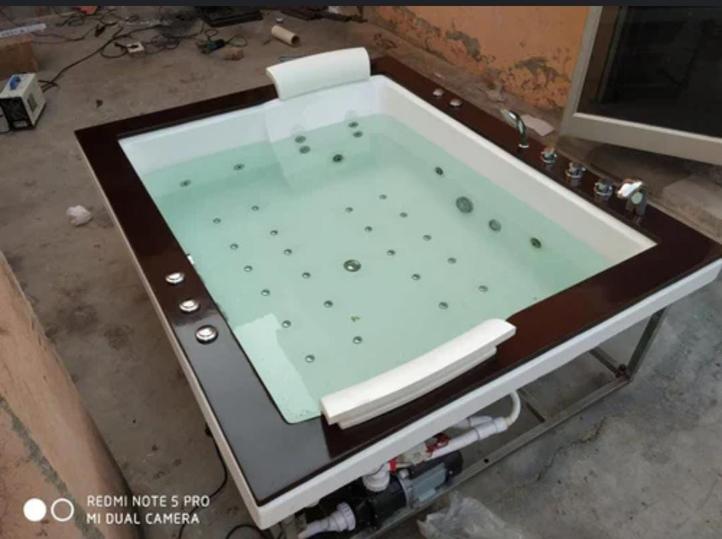 | Jacuzzi Massage Bath Tub | 1 | 139830.51 | 139830.51
 |  | Jacuzzi system with 6 hydrojets Body Jet big
 |  | Whirlpool Motor 1.5 HP
 |  | Fully Body Stand SS 316
 |  | Pop Drainage System
 |  | Bubble bath with 24 jet Supported air blower
 |  | 12 Micro jets
 |  | Spinal Massager Jet 12 PCS 4 foot massager 8 back massager
 |  | Bubble blower 0.5hp
 |  | Multicolour 2 Led light chromatography 7 colour change
 |  | Designer Headrest pillow 2 psc
 |  | Full Water Capacity
 |  | Jacuzzi ON/OFF push button speed controller regulator
 |  | Bubble ON/OFF push button
 |  | Fully computerized control panel
 |  | Filler set hot cold and mixture diverter spout hand shower 3 flow system
 |  | Touch screen with control panel
 |  | Water level controller
 |  | Stereo phonic radio FM
 |  | Bluetooth & aux music system
 |  | Automatic Shut
 |  | Earth leakage circuit breaker
 |  | Suction unit
 |  | Self draining pipes
 |  | Ozonizer
 |  | wooden frame
 |  | online heater
 |  | Size 6*5*2fit
2 | S S Steam Generator |  | 1 | 16949.1 | 16949.1
 | SS outer body
 | SS 316 Water tank
 | Digital control panel operated
 | Auto time cut off​ system
 | Safety value brush
 | Drain value brush
 | Soil noise value
 | Steam head
 | Time and​ temperature control
 | Digital control
 | Auto tampreture cut off system
 | Auto draining​ system
 | Stainless steel 304 grade 16 grade steam tank
 | Stainless steel make heating element​ for long life
 | 26mm thickness PUF insolution
 | DRP for heating element
 | Water level sensor​ cut off to ensure heater safety
 | Safety pressure release value
 | Flexible house connector for​ water fidding
 | Steam diff user outlet
 | Soft touch swithess
 | LED display panel
 | Stainless​ steel socket for long life
 | Short circuit protection
 | High current protection
 | Earth leakage Steam generator 6kw
Total |  |  |  |  | 156779.61
GST 18% |  |  |  |  | 28220.3298
Grand Total |  |  |  |  | 184999.9398

