Network_v6_conn
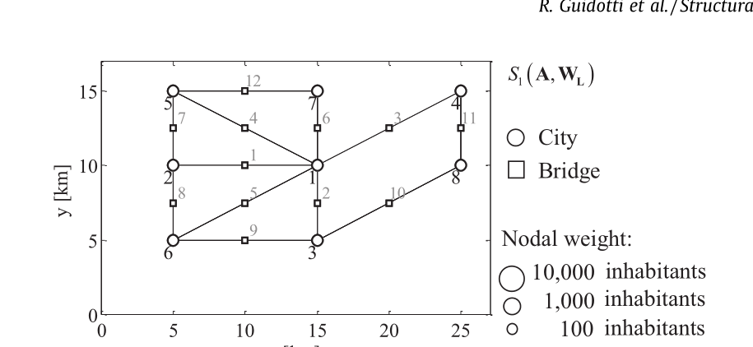
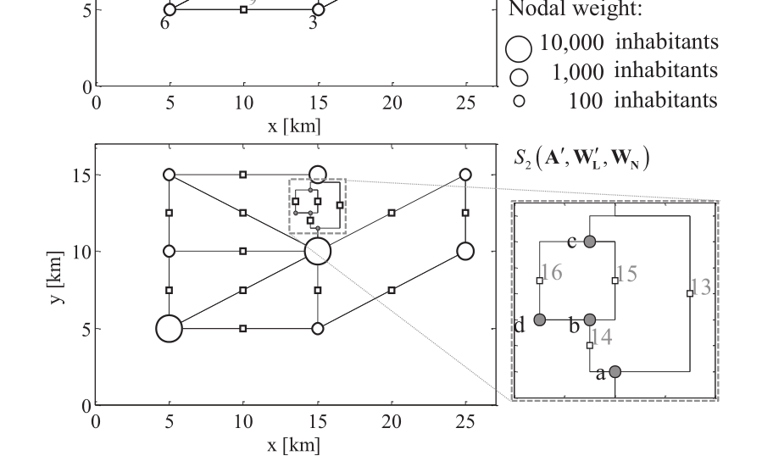
dummy | identifier | from | to | edgelist | distance | Road Max Delta Altitude | nodeid | X_coor | Y_coor | Elevation [m] | Population | Original Pop guidotti | Capacity | heights |  | Edge ID | Start | End | Length | Capacity | Node ID | X Coordinate | Y Coordinate | Population
1 | 1 | 1 | 2 | 1 | 10.00 | 0 | 1 | 15 | 10 | 12 | 3000 | 10000 | 1000 |  |  | 1 | 1 | 2 | 10.00 | 1000 | 1 | 15 | 10 | 3000
1 | 1 | 1 | 3 | 2 | 5.00 | 1.8 | 2 | 5 | 10 | 10 | 2000 | 100 | 1000 |  | 0.54797793111 | 2 | 1 | 3 | 5.00 | 1000 | 2 | 5 | 10 | 2000
1 | 1 | 1 | 4 | 3 | 11.18 | 1.6 | 3 | 15 | 5 | 12 | 900 | 100 | 1000 |  |  | 3 | 1 | 4 | 11.18 | 1000 | 3 | 15 | 5 | 900
1 | 1 | 1 | 5 | 4 | 11.18 | 0.3 | 4 | 25 | 15 | 9 | 1000 | 100 | 2000 |  |  | 4 | 1 | 5 | 11.18 | 2000 | 4 | 25 | 15 | 1000
1 | 1 | 1 | 6 | 5 | 11.18 | 0.65 | 5 | 5 | 15 | 11 | 700 | 100 | 4000 |  |  | 5 | 1 | 6 | 11.18 | 4000 | 5 | 5 | 15 | 700
1 | 1 | 1 | 7 | 6 | 5.00 | 1.3 | 6 | 5 | 5 | 10 | 4000 | 10000 | 1500 |  |  | 6 | 1 | 7 | 5.00 | 1500 | 6 | 5 | 5 | 4000
1 | 1 | 2 | 5 | 7 | 5.00 | 1.2 | 7 | 15 | 15 | 6 | 2000 | 1000 | 1000 |  |  | 7 | 2 | 5 | 5.00 | 1000 | 7 | 15 | 15 | 2000
1 | 1 | 2 | 6 | 8 | 5.00 | 0.9 | 8 | 25 | 10 | 12 | 500 | 1000 | 1000 |  |  | 8 | 2 | 6 | 5.00 | 1000 | 8 | 25 | 10 | 500
1 | 1 | 3 | 6 | 9 | 10.00 | 1 |  |  |  |  |  |  | 1000 |  |  | 9 | 3 | 6 | 10.00 | 1000
1 | 1 | 3 | 8 | 10 | 11.18 | 0.4 |  |  |  |  |  |  | 1000 |  |  | 10 | 3 | 8 | 11.18 | 1000
1 | 1 | 4 | 8 | 11 | 5.00 | 0.4 |  |  |  |  |  |  | 1000 |  |  | 11 | 4 | 8 | 5.00 | 1000
1 | 1 | 5 | 7 | 12 | 10.00 | 0.4 |  |  |  |  |  |  | 1000 |  |  | 12 | 5 | 7 | 10.00 | 1000

