Walk Speeds
We have measured the number of frames it takes a character to walk two large training mode squares. Listed after each frame number is how much slower they are than the fastest walk speed, for easier comparison.

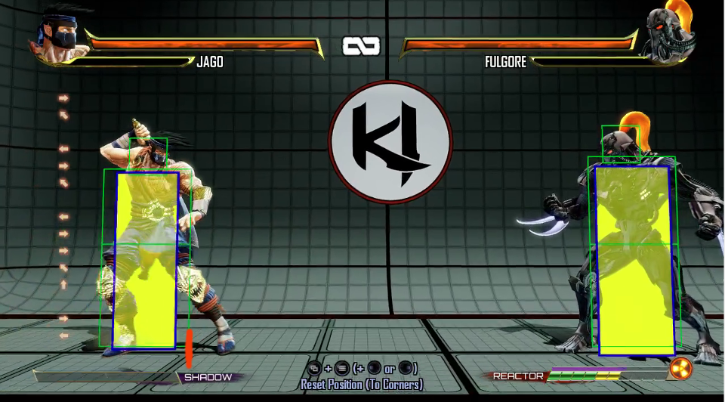
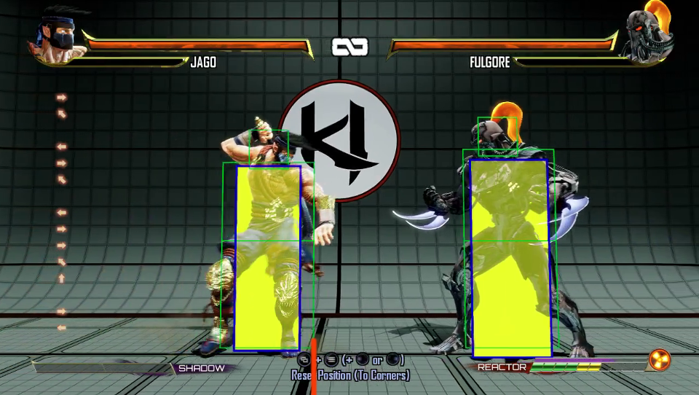
We measure walking from here... |  |  | To here.

Forward Walk Speed |  |  | Backwards Walk Speed
Character | Frames | Comparison | Character | Frames | Comparison
Sabrewulf | 39 | 1.000 | Sabrewulf | 49 | 1.000
Aria (blade) | 41 | 1.051 | Orchid | 50 | 1.020
Eyedol (warrior) | 41 | 1.051 | Aria (blade) | 54 | 1.102
Fulgore (10 pips) | 42 | 1.077 | Cinder | 54 | 1.102
Orchid | 42 | 1.077 | Kim Wu | 56 | 1.143
Kim Wu | 42 | 1.077 | Sadira | 57 | 1.163
Shadow Jago | 44 | 1.128 | Shadow Jago | 58 | 1.184
TJ Combo (instinct) | 45 | 1.154 | Rash | 59 | 1.204
Riptor | 47 | 1.205 | Eyedol (warrior) | 61 | 1.245
Sadira | 49 | 1.256 | TJ Combo (instinct) | 62 | 1.265
Omen | 50 | 1.282 | Omen | 67 | 1.367
Cinder | 50 | 1.282 | Jago | 68 | 1.388
Shin Hisako | 51 | 1.308 | Shin Hisako | 68 | 1.388
Aria (non-blade) | 52 | 1.333 | Riptor | 71 | 1.449
Rash | 53 | 1.359 | Aria (non-blade) | 72 | 1.469
Maya | 57 | 1.462 | Maya | 74 | 1.510
TJ Combo | 59 | 1.513 | Tusk | 74 | 1.510
Tusk | 59 | 1.513 | Fulgore (10 pips) | 75 | 1.531
Eagle | 59 | 1.513 | Eagle | 76 | 1.551
Fulgore | 60 | 1.538 | Arbiter | 78 | 1.592
Jago | 60 | 1.538 | TJ Combo | 84 | 1.714
Arbiter | 68 | 1.744 | Mira | 90 | 1.837
Kan-Ra | 75 | 1.923 | Fulgore | 100 | 2.041
Mira | 75 | 1.923 | Aganos (0 chunks) | 106 | 2.163
General RAAM | 76 | 1.949 | Kan-Ra | 107 | 2.184
Kilgore | 76 | 1.949 | Glacius | 109 | 2.224
Aganos (0 chunks) | 77 | 1.974 | Spinal | 110 | 2.245
Eyedol (mage) | 77 | 1.974 | General RAAM | 119 | 2.429
Spinal | 79 | 2.026 | Aganos (1 chunk) | 119 | 2.429
Glacius | 84 | 2.154 | Thunder | 124 | 2.531
Thunder | 85 | 2.179 | Eyedol (mage) | 127 | 2.592
Aganos (1 chunk) | 88 | 2.256 | Kilgore | 127 | 2.592
Aganos (2 chunks) | 103 | 2.641 | Aganos (2 chunks) | 138 | 2.816
Gargos | 124 | 3.179 | Gargos | 158 | 3.224
Aganos (3 chunks) | 126 | 3.231 | Gargos (instinct) | 160 | 3.265
Aganos (4 chunks) | 157 | 4.026 | Aganos (3 chunks) | 169 | 3.449
Gargos (instinct) | 179 | 4.590 | Aganos (4 chunks) | 210 | 4.286
Hisako | 246 | 6.308 | Hisako | 345 | 7.041

