Sheet1
 |  | 32 | 64 | 128 | 256 | 512 | 1024 | 2048
 | Malloc | 0.096 | 0.096 | 0.099 | 0.104 | 0.096 | 0.1 | 0.096
 | memcpy | 0.234 | 0.231 | 0.23 | 0.23 | 0.229 | 0.231 | 0.237
 | Execution | 0.304 | 0.284 | 0.274 | 0.44 | 0.296 | 0.282 | 0.286
 | Elapsed time | 793.273 | 760.092 | 731.38 | 759.247 | 759.919 | 741.333 | 736.796

Device processing time
 |  | 32 | 64 | 128 | 256 | 512 | 1024 | 2048
 | Elapsed time | 793.273 | 760.092 | 731.38 | 759.247 | 759.919 | 741.333 | 736.796

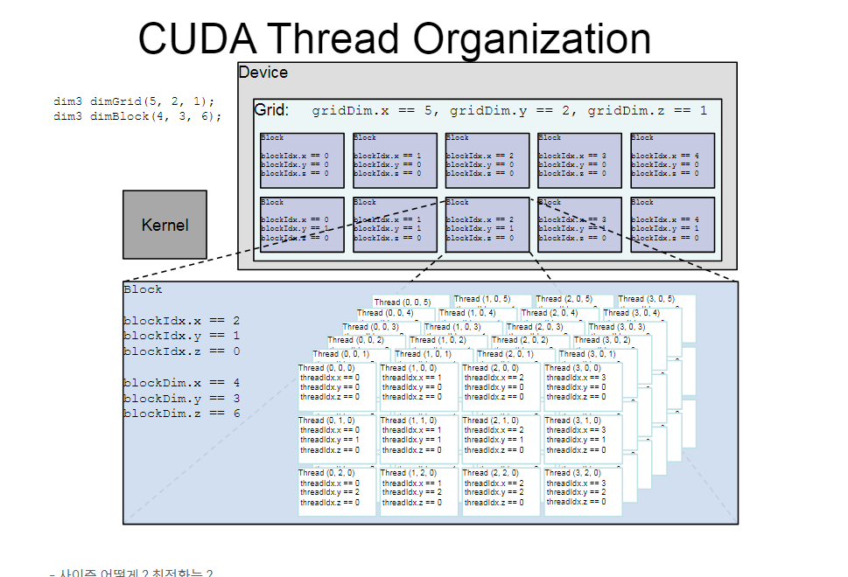

 | Block | 16 | 64 | 256 | 1024 | 4096 | 16384
 | Thread | 1024 | 256 | 64 | 16 | 4 | 1 |  |  |  |  |  |  |  | 1024 | 256 | 64 | 16 | 4 | 1
 |  |  |  |  |  |  |  |  |  |  |  |  |  |  | 16 | 64 | 256 | 1024 | 4096 | 16384
 |  | 1024 | 256 | 64 | 16 | 4 | 1 |  |  |  |  |  |  | Malloc | 0.071666666667 | 0.072 | 0.070333333333 | 0.069333333333 | 0.072666666667 | 0.082666666667
 |  | 16 | 64 | 256 | 1024 | 4096 | 16384 |  |  |  |  |  |  | memcpy | 0.070333333333 | 0.068666666667 | 0.071666666667 | 0.073666666667 | 0.070333333333 | 0.081
 | Execution Time | 409.093 | 400.4 | 396.49 | 402.34 | 393.99 | 400.19 |  |  |  |  |  |  | Execution | 0.070666666667 | 0.070666666667 | 0.068333333333 | 0.069666666667 | 0.074 | 0.080666666667 |  | 384
Device processing time
Device processing time
3 |  |  | 4 |  |  | 5 |  |  | 6
0.1 | 0.096 | 0.096 | 0.093 | 0.101 | 0.094 | 0.096 | 0.094 | 0.098 | 0.111 | 0.101 | 0.094
0.065 | 0.068 | 0.062 | 0.063 | 0.071 | 0.064 | 0.064 | 0.066 | 0.065 | 0.062 | 0.066 | 0.065
0.046 | 0.051 | 0.047 | 0.052 | 0.049 | 0.051 | 0.058 | 0.051 | 0.059 | 0.075 | 0.076 | 0.083
0.070333333333 | 0.071666666667 | 0.068333333333 | 0.069333333333 | 0.073666666667 | 0.069666666667 | 0.072666666667 | 0.070333333333 | 0.074 | 0.082666666667 | 0.081 | 0.080666666667

2 |  |  | 1
0.098 | 0.093 | 0.095 | 0.097 | 0.096 | 0.097
0.069 | 0.066 | 0.069 | 0.07 | 0.066 | 0.066
0.049 | 0.047 | 0.048 | 0.048 | 0.049 | 0.049
0.072 | 0.068666666667 | 0.070666666667 | 0.071666666667 | 0.070333333333 | 0.070666666667

 |  |  | 4^2 | 8^2 | 16^2 | 32^2
 |  |  | 16 | 64 | 256 | 1024
 |  |  | 2048 | 1024 | 512 | 256
 |  | Execution time | 8229.11 | 4175.79 | 2593.83 | 1861.88

 |  |  | 16 | 64 | 256 | 1024
 |  |  | 2048 | 1024 | 512 | 256
 |  | Gflops | 133.64 | 263.3 | 423.9 | 590.56
 |  |  |  | 8089.059 | 135.93 |  | 4150 | 264.91 |  | 2586.58 | 425.08 |  | 1844.682 | 596.04
 |  |  |  | 8226.592 | 133.65 |  | 4178.29 | 263.15 |  | 2585.336 | 425.29 |  | 1872.485 | 587.19
 |  |  |  | 8371.7 | 131.34 |  | 4199.08 | 261.85 |  | 2609.58 | 421.34 |  | 1868.495 | 588.45
 |  |  |  | 8229.117 | 133.64 | #DIV/0! | 4175.79 | 263.30333333 | #DIV/0! | 2593.832 | 423.90333333 | #DIV/0! | 1861.8873333 | 590.56

Xeon Gold 5215 processing time
i9-12900KF processing time

 |  | Xeon
 |  |  | 16 | 32 | 40 | 64 | 128 | 256
 |  | Execution time | 102.6 | 66.37 | 67.987 | 85.54 | 87.09 | 94.491

 |  |  |  |  |  |  |  |  |  |  |  | ef 3.90
 |  |  |  |  |  |  |  |  |  |  |  | pf 5.10

 |  | i7-9900k |  | 16+8) | 5.2
 |  |  | 16 | 24 | 32 | 64 | 128 | 256
 |  | Execution time | 61.29 | 100.081 | 112.72 | 159.34 | 137.54 | 113.14

GPU(Tesla T4) processing time
GPU(Tesla T4 ) processing time calculation logic revised
 |  |  |  | 4^2 | 8^2 | 16^2 | 32^2
 |  |  |  | 16 | 64 | 256 | 1024
 |  |  |  | 2048 | 1024 | 512 | 256
 |  | block/thead gpu | Execution time | 0.956 | 0.492 | 0.295 | 0.272

 |  | logic revised similar to CPU

 |  | 1-d gpu
 |  |  | 16 | 32 | 64 | 128 | 256 | 512 | 1024
 |  | execution time | 106 | 74 | 52 | 59 | 49 | 50 | 64

4096 Matrix Multipulication Processing Time Comparison
 | i9-12900KF | Xeon Gold 5215 | Tesla T4
16 | 61.29 | 102.6 | 105.86
32 | 112.72 | 66.37 | 74.26
64 | 159.34 | 85.54 | 51.86
128 | 137.54 | 87.09 | 58.6
256 | 113.14 | 94.491 | 48.81
512 |  |  | 49.53
1024 |  |  | 63.97
 |  |  |  |  | 16 | 32 | 64 | 128 | 256 | 512 | 1024
 |  |  |  | i9-12900KF | 61.29 | 112.72 | 159.34 | 137.54 | 113.14
 |  |  |  | Xeon Gold 5215 | 102.6 | 66.37 | 85.54 | 87.09 | 94.491
 |  |  |  | Tesla T4 | 105.86 | 74.26 | 51.86 | 58.6 | 48.81 | 49.53 | 63.97

 |  |  |  | 4096 | 16 | 32 | 64 | 128 | 256 | 512 | 1024
 |  |  |  | CPU | 102.6 | 66.37 | 85.54 | 87.09 | 94.49 | 90.99 | 90.11
 |  |  |  | GPU | 105.86 | 74.26 | 51.86 | 58.6 | 48.81 | 49.53 | 63.97

 |  |  |  |  |  |  |  |  |  |  | 94.19 | 93.87
 |  |  |  |  |  |  |  |  |  |  | 90.03 | 91.67
 |  |  |  |  |  |  |  |  |  |  | 88.75 | 84.81
 |  |  |  |  |  |  |  |  |  |  | 90.99 | 90.116666667
 |  | 4096 | CUDA(16mil.) Logic optimized | CUDA(256 thread) | CPU multi thread (64thread) | GSL(1 thread) | IntelMKL(19thread) | ATLAS(1thread)
 |  |  | 0.22 | 48.81 | 94.49 | 58.65 | 0.502 | 11.99

 |  | 4096 | CUDA | CPU multi thread | GSL | IntelMKL | ATLAS
 |  |  | 0.22 | 94.49 | 58.65 | 0.502 | 11.99

 |  | 8192 | CUDA(67mil.) Logic optimized | CUDA(256 thread) | CPU multi thread (64thread) | GSL(1 thread) | IntelMKL(20thread) | ATLAS(1thread)
 |  |  | 1.7 | 848.1 | 834.76 | 482.32 | 2.51 | 95.94

 |  |  | 6.7272727273 | 16.3755378 | 7.8343740078 | 7.2236999147 | 4 | 7.0016680567

 |  |  | 6.7272727273 | 7.8343740078 | 4 | 7.0016680567

 |  | 8192 | CUDA | CPU multi thread | GSL | IntelMKL | ATLAS
 |  |  | 1.72 | 834.76 | 482.32 | 2.51 | 95.94

 |  |  |  | 64
 |  |  | 519187.156 | 840.78 | 852.71 | 478.97
 |  |  | 471975.5 | 829.38 | 847.55 | 478.97
 |  |  | 602760.62 | 834.12 | 844.06 | 489.04
 |  |  | 531307.75867 | 834.76 | 848.10666667 | 482.32666667

 |  |  |  | 256
 |  |  |  | 852.71
 |  |  |  | 847.55
 |  |  |  | 844.06
 |  |  |  | 848.10666667 |  |  |  |  |  |  |  |  |  |  |  |  |  |  |  |  | 8192

 |  |  | 241.5

 | CUDA | ATLAS | MKL
4096 | 0.28 | 11.99 | 0.5
8192 | 1.89 | 89.95 | 2.51
16384 | 15.78 | 712 | 16.83
32768 | 138.23 |  | 129.68

 |  |  |  |  |  | 4096 | 8192 | 16384 | 32768
 |  |  |  |  | CUDA | 0.28 | 1.89 | 15.78 | 138.23
 |  |  |  |  | ATLAS | 11.99 | 89.95 | 712
 |  |  |  |  | MKL | 0.5 | 2.51 | 16.83 | 129.68

 |  |  | MEAN | 4.2566666667
 |  |  | STD | 5.469029977

 |  |  |  | -0.72712467904
 |  |  |  | 1.4140228461
 |  |  |  | -0.68689816704

 |  |  |  |  |  | 4096 | 8192 | 16384 | 32768
 |  |  |  |  | CUDA | 0.28 | 1.89 | 15.78 | 138.23
 |  |  |  |  | ATLAS | 11.99 | 89.95 | 712
 |  |  |  |  | MKL | 0.5 | 2.51 | 16.83 | 129.68

 |  |  |  |  |  | -0.42913224864
 |  |  |  |  | 94.636666667 | -0.37587540088
 |  |  |  |  | 219.87782779 | -0.428131693

 |  |  |  |  |  | 4096 | 8192 | 16384 | 32768
 |  |  |  |  | CUDA | 0.28 | 1.89 | 15.78 | 138.23
 |  |  |  |  | MKL | 0.5 | 2.51 | 16.83 | 129.68

