Strategy Worksheet
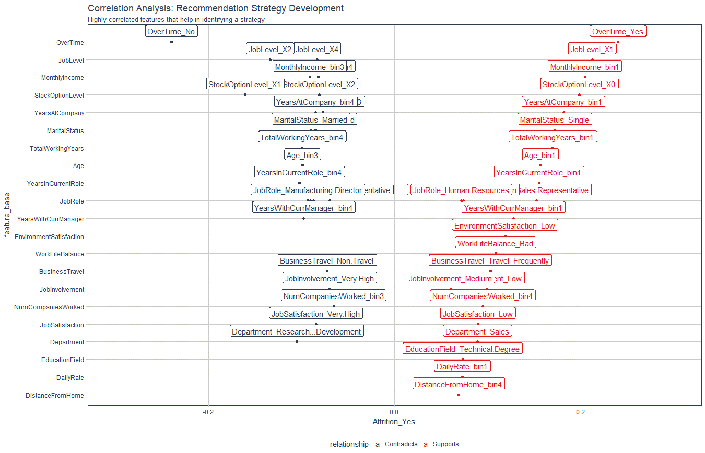
Recommendation Algorithm Strategy |  | Audience = direct line manager | Some factors will be skipped as out of influence of line manager

Purpose: | To enable immediate manager to reduce attrition using an automated recommendation system
Strategy Logic: | Uses Correlation Analysis to determine logical strategies that can be adjusted via stakeholder feedback |  | Filtered out skipped strategies

Feature | Discussion (Hypothesis) | Potential Strategy | Strategy Group
YearsAtCompany | If Years at company is high, they are more likely to stay. If low they are likely to leave | Tie promotion if low to advance faster / Mentor if years at company low | Professional development / Personal development
TotalWorkingYears | If total working years is high, they are more likely to stay.If low they are likely to leave | Tie low total woirking years to training and formation activities | Personal development
YearsInCurrentRole | More time in current role related to lower attrition | Incentivise specialisation or promote / Mentorships role | Professional development / Personal development
JobInvolvement | High Job involvement - likely to stay, If low they are likely to leave | Create personal development plan | Personal development
JobSatisfaction | Low Job satisfaction - more likely to leave / High Job satisfaction more likely to stay | Low: create personal development plan, High: Suggest take on mentorship role | Personal development

Correlation Analysis: | Used to investigate the relationship between values within features and the target (Attrition = Yes)

